SGK269 _multivariate
Reported by Tex Li-Hsing Chi. tex@gate.sinica.edu.tw 2019-08-16

Table 2. The clinicopathological features of HNSCC cohort and SGK269 expression. (Chi square test)
Cutoff at -0.222 (49.8%)
 |  | SGK269 expression |  | SGK269 expression |  | (Optimised)
 | Features | Low | (%) | High | (%) | Case no | P-value | Remark | Matthews
Gender | Female | 160 | 38.6 | 146 | 35.2 | 415 | 0.1254 | 0 | 0
2 | Male | 47 | 11.3 | 62 | 14.9
Age at diagnosis | <=65y | 141 | 34 | 133 | 32 | 415 | 0.4272 | 0 | 0
4 | >65y | 66 | 15.9 | 75 | 18.1
Clinical T Status | T1+T2 | 74 | 17.8 | 75 | 18.1 | 415 | 1 | 0 | 0
6 | T3+T4 | 133 | 32 | 133 | 32
Clinical N Status | N0 | 101 | 24.3 | 115 | 27.7 | 415 | 0.2201 | 0 | 0
8 | N1-3 | 106 | 25.5 | 93 | 22.4
Clinical M Status | M0 | 204 | 49.2 | 208 | 50.1 | 415 | 0.1232 | 0 | 0
10 | M1 | 3 | 0.7 | 0 | 0
Clinical Stage | Stage I+II | 48 | 11.6 | 54 | 13 | 415 | 0.5878 | 0 | 0
12 | Stage III+IV | 159 | 38.3 | 154 | 37.1
Surgical Margin status | Negative | 159 | 38.3 | 159 | 38.3 | 415 | 1 | 0 | 0
14 | Positive | 48 | 11.6 | 49 | 11.8
Tobacco Exposure | Low | 81 | 19.5 | 80 | 19.3 | 415 | 0.9199 | 0 | 0
16 | High | 126 | 30.4 | 128 | 30.8

Table 3. Univariate/Multivariate Cox's proportional hazards regression analyses on OS time of SGK269 gene expression in HNSCC

 |  | Univariate |  |  |  | Multivariate
 | Features | HR | CI95%(L) | CI95%(H) | P-value | HR | CI95%(L) | CI95%(H) | P-value
1 | Female | 1 |  |  |  | 1
Gender | Male | 1.157 | 0.843 | 1.587 | 0.367 | 1.216 | 0.869 | 1.702 | 0.254
11 | <=65y | 1 |  |  |  | 1
Age at diagnosis | >65y | 1.329 | 0.99 | 1.784 | 0.058 | 1.398 | 1.029 | 1.901 | 0.032
12 | T1+T2 | 1 |  |  |  | 1
Clinical T Status | T3+T4 | 1.409 | 1.028 | 1.931 | 0.033 | 2.209 | 1.168 | 4.176 | 0.015
13 | N0 | 1 |  |  |  | 1
Clinical N Status | N1-3 | 1.185 | 0.89 | 1.577 | 0.246 | 1.231 | 0.863 | 1.757 | 0.252
14 | M0 | 1 |  |  |  | 1
Clinical M Status | M1 | 4.097 | 1.009 | 16.644 | 0.049 | 8.887 | 1.93 | 40.923 | 0.005
15 | Stage I+II | 1 |  |  |  | 1
Clinical Stage | Stage III+IV | 1.245 | 0.882 | 1.759 | 0.213 | 0.506 | 0.236 | 1.085 | 0.08
16 | Negative | 1 |  |  |  | 1
Surgical Margin status | Positive | 1.591 | 1.155 | 2.191 | 0.004 | 1.668 | 1.207 | 2.304 | 0.002
17 | Low | 1 |  |  |  | 1
Tobacco Exposure | High | 1.364 | 1.008 | 1.844 | 0.044 | 1.452 | 1.054 | 2.001 | 0.023
18 | Low | 1 |  |  |  | 1
RNAseq(z-score) | High | 0.876 | 0.658 | 1.166 | 0.364 | 0.875 | 0.655 | 1.169 | 0.366

Table 4. Univariate/Multivariate Cox's proportional hazards regression analyses on RFS time of SGK269 gene expression in HNSCC

 |  | Univariate |  |  |  | Multivariate
 | Features | HR | CI95%(L) | CI95%(H) | P-value | HR | CI95%(L) | CI95%(H) | P-value
1 | Female | 1 |  |  |  | 1
Gender | Male | 1.157 | 0.843 | 1.587 | 0.367 | 1.216 | 0.869 | 1.702 | 0.254
11 | <=65y | 1 |  |  |  | 1
Age at diagnosis | >65y | 1.329 | 0.99 | 1.784 | 0.058 | 1.398 | 1.029 | 1.901 | 0.032
12 | T1+T2 | 1 |  |  |  | 1
Clinical T Status | T3+T4 | 1.409 | 1.028 | 1.931 | 0.033 | 2.209 | 1.168 | 4.176 | 0.015
13 | N0 | 1 |  |  |  | 1
Clinical N Status | N1-3 | 1.185 | 0.89 | 1.577 | 0.246 | 1.231 | 0.863 | 1.757 | 0.252
14 | M0 | 1 |  |  |  | 1
Clinical M Status | M1 | 4.097 | 1.009 | 16.644 | 0.049 | 8.887 | 1.93 | 40.923 | 0.005
15 | Stage I+II | 1 |  |  |  | 1
Clinical Stage | Stage III+IV | 1.245 | 0.882 | 1.759 | 0.213 | 0.506 | 0.236 | 1.085 | 0.08
16 | Negative | 1 |  |  |  | 1
Surgical Margin status | Positive | 1.591 | 1.155 | 2.191 | 0.004 | 1.668 | 1.207 | 2.304 | 0.002
17 | Low | 1 |  |  |  | 1
Tobacco Exposure | High | 1.364 | 1.008 | 1.844 | 0.044 | 1.452 | 1.054 | 2.001 | 0.023
18 | Low | 1 |  |  |  | 1
RNAseq(z-score) | High | 0.876 | 0.658 | 1.166 | 0.364 | 0.875 | 0.655 | 1.169 | 0.366

Kaplan-Meier survival estimate: Cutoff at -0.222 (49.8%)



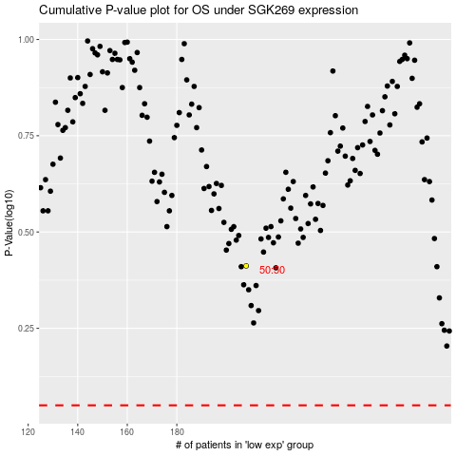

 |  |  |  |  |  | cases_OS | p_OS | rank | exp
 |  |  |  |  |  |  | cases_RFS | p_RFS | rank | exp

