SGMS1 _multivariate
Reported by Tex Li-Hsing Chi. tex@gate.sinica.edu.tw 2019-08-16

Table 2. The clinicopathological features of HNSCC cohort and SGMS1 expression. (Chi square test)
Cutoff at -0.049 (50.0%)
 |  | SGMS1 expression |  | SGMS1 expression |  | (Optimised)
 | Features | Low | (%) | High | (%) | Case no | P-value | Remark | Matthews
Gender | Female | 161 | 38.8 | 145 | 34.9 | 415 | 0.0792 | 0 | 0
2 | Male | 46 | 11.1 | 63 | 15.2
Age at diagnosis | <=65y | 143 | 34.5 | 131 | 31.6 | 415 | 0.2269 | 0 | 0
4 | >65y | 64 | 15.4 | 77 | 18.6
Clinical T Status | T1+T2 | 79 | 19 | 70 | 16.9 | 415 | 0.3924 | 0 | 0
6 | T3+T4 | 128 | 30.8 | 138 | 33.3
Clinical N Status | N0 | 96 | 23.1 | 120 | 28.9 | 415 | 0.0272 | 1 | 0
8 | N1-3 | 111 | 26.7 | 88 | 21.2
Clinical M Status | M0 | 204 | 49.2 | 208 | 50.1 | 415 | 0.1232 | 0 | 0
10 | M1 | 3 | 0.7 | 0 | 0
Clinical Stage | Stage I+II | 44 | 10.6 | 58 | 14 | 415 | 0.1459 | 0 | 0
12 | Stage III+IV | 163 | 39.3 | 150 | 36.1
Surgical Margin status | Negative | 154 | 37.1 | 164 | 39.5 | 415 | 0.2984 | 0 | 0
14 | Positive | 53 | 12.8 | 44 | 10.6
Tobacco Exposure | Low | 75 | 18.1 | 86 | 20.7 | 415 | 0.3141 | 0 | 0
16 | High | 132 | 31.8 | 122 | 29.4

Table 3. Univariate/Multivariate Cox's proportional hazards regression analyses on OS time of SGMS1 gene expression in HNSCC

 |  | Univariate |  |  |  | Multivariate
 | Features | HR | CI95%(L) | CI95%(H) | P-value | HR | CI95%(L) | CI95%(H) | P-value
1 | Female | 1 |  |  |  | 1
Gender | Male | 1.157 | 0.843 | 1.587 | 0.367 | 1.194 | 0.855 | 1.669 | 0.299
11 | <=65y | 1 |  |  |  | 1
Age at diagnosis | >65y | 1.329 | 0.99 | 1.784 | 0.058 | 1.386 | 1.019 | 1.885 | 0.037
12 | T1+T2 | 1 |  |  |  | 1
Clinical T Status | T3+T4 | 1.409 | 1.028 | 1.931 | 0.033 | 2.165 | 1.142 | 4.106 | 0.018
13 | N0 | 1 |  |  |  | 1
Clinical N Status | N1-3 | 1.185 | 0.89 | 1.577 | 0.246 | 1.251 | 0.876 | 1.787 | 0.218
14 | M0 | 1 |  |  |  | 1
Clinical M Status | M1 | 4.097 | 1.009 | 16.644 | 0.049 | 9.627 | 2.095 | 44.227 | 0.004
15 | Stage I+II | 1 |  |  |  | 1
Clinical Stage | Stage III+IV | 1.245 | 0.882 | 1.759 | 0.213 | 0.515 | 0.239 | 1.11 | 0.09
16 | Negative | 1 |  |  |  | 1
Surgical Margin status | Positive | 1.591 | 1.155 | 2.191 | 0.004 | 1.683 | 1.217 | 2.329 | 0.002
17 | Low | 1 |  |  |  | 1
Tobacco Exposure | High | 1.364 | 1.008 | 1.844 | 0.044 | 1.456 | 1.057 | 2.006 | 0.022
18 | Low | 1 |  |  |  | 1
RNAseq(z-score) | High | 1.072 | 0.805 | 1.428 | 0.635 | 1.091 | 0.811 | 1.469 | 0.565

Table 4. Univariate/Multivariate Cox's proportional hazards regression analyses on RFS time of SGMS1 gene expression in HNSCC

 |  | Univariate |  |  |  | Multivariate
 | Features | HR | CI95%(L) | CI95%(H) | P-value | HR | CI95%(L) | CI95%(H) | P-value
1 | Female | 1 |  |  |  | 1
Gender | Male | 1.157 | 0.843 | 1.587 | 0.367 | 1.194 | 0.855 | 1.669 | 0.299
11 | <=65y | 1 |  |  |  | 1
Age at diagnosis | >65y | 1.329 | 0.99 | 1.784 | 0.058 | 1.386 | 1.019 | 1.885 | 0.037
12 | T1+T2 | 1 |  |  |  | 1
Clinical T Status | T3+T4 | 1.409 | 1.028 | 1.931 | 0.033 | 2.165 | 1.142 | 4.106 | 0.018
13 | N0 | 1 |  |  |  | 1
Clinical N Status | N1-3 | 1.185 | 0.89 | 1.577 | 0.246 | 1.251 | 0.876 | 1.787 | 0.218
14 | M0 | 1 |  |  |  | 1
Clinical M Status | M1 | 4.097 | 1.009 | 16.644 | 0.049 | 9.627 | 2.095 | 44.227 | 0.004
15 | Stage I+II | 1 |  |  |  | 1
Clinical Stage | Stage III+IV | 1.245 | 0.882 | 1.759 | 0.213 | 0.515 | 0.239 | 1.11 | 0.09
16 | Negative | 1 |  |  |  | 1
Surgical Margin status | Positive | 1.591 | 1.155 | 2.191 | 0.004 | 1.683 | 1.217 | 2.329 | 0.002
17 | Low | 1 |  |  |  | 1
Tobacco Exposure | High | 1.364 | 1.008 | 1.844 | 0.044 | 1.456 | 1.057 | 2.006 | 0.022
18 | Low | 1 |  |  |  | 1
RNAseq(z-score) | High | 1.072 | 0.805 | 1.428 | 0.635 | 1.091 | 0.811 | 1.469 | 0.565

Kaplan-Meier survival estimate: Cutoff at -0.049 (50.0%)



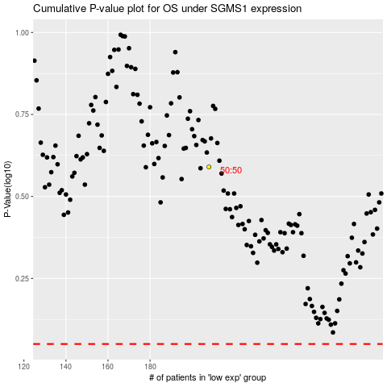

 |  |  |  |  |  | cases_OS | p_OS | rank | exp
 |  |  |  |  |  |  | cases_RFS | p_RFS | rank | exp

