SGOL2 _multivariate
Reported by Tex Li-Hsing Chi. tex@gate.sinica.edu.tw 2019-08-16

Table 2. The clinicopathological features of HNSCC cohort and SGOL2 expression. (Chi square test)
Cutoff at -0.135 (49.8%)
 |  | SGOL2 expression |  | SGOL2 expression |  | (Optimised)
 | Features | Low | (%) | High | (%) | Case no | P-value | Remark | Matthews
Gender | Female | 148 | 35.7 | 158 | 38.1 | 415 | 0.3567 | 0 | 0
2 | Male | 59 | 14.2 | 50 | 12
Age at diagnosis | <=65y | 139 | 33.5 | 135 | 32.5 | 415 | 0.7044 | 0 | 0
4 | >65y | 68 | 16.4 | 73 | 17.6
Clinical T Status | T1+T2 | 67 | 16.1 | 82 | 19.8 | 415 | 0.1628 | 0 | 0
6 | T3+T4 | 140 | 33.7 | 126 | 30.4
Clinical N Status | N0 | 115 | 27.7 | 101 | 24.3 | 415 | 0.184 | 1 | 0
8 | N1-3 | 92 | 22.2 | 107 | 25.8
Clinical M Status | M0 | 206 | 49.6 | 206 | 49.6 | 415 | 1 | 0 | 0
10 | M1 | 1 | 0.2 | 2 | 0.5
Clinical Stage | Stage I+II | 49 | 11.8 | 53 | 12.8 | 415 | 0.7535 | 0 | 0
12 | Stage III+IV | 158 | 38.1 | 155 | 37.3
Surgical Margin status | Negative | 160 | 38.6 | 158 | 38.1 | 415 | 0.8167 | 0 | 0
14 | Positive | 47 | 11.3 | 50 | 12
Tobacco Exposure | Low | 83 | 20 | 78 | 18.8 | 415 | 0.6152 | 0 | 0
16 | High | 124 | 29.9 | 130 | 31.3

Table 3. Univariate/Multivariate Cox's proportional hazards regression analyses on OS time of SGOL2 gene expression in HNSCC

 |  | Univariate |  |  |  | Multivariate
 | Features | HR | CI95%(L) | CI95%(H) | P-value | HR | CI95%(L) | CI95%(H) | P-value
1 | Female | 1 |  |  |  | 1
Gender | Male | 1.157 | 0.843 | 1.587 | 0.367 | 1.227 | 0.878 | 1.716 | 0.231
11 | <=65y | 1 |  |  |  | 1
Age at diagnosis | >65y | 1.329 | 0.99 | 1.784 | 0.058 | 1.38 | 1.015 | 1.876 | 0.04
12 | T1+T2 | 1 |  |  |  | 1
Clinical T Status | T3+T4 | 1.409 | 1.028 | 1.931 | 0.033 | 2.28 | 1.205 | 4.316 | 0.011
13 | N0 | 1 |  |  |  | 1
Clinical N Status | N1-3 | 1.185 | 0.89 | 1.577 | 0.246 | 1.219 | 0.853 | 1.741 | 0.277
14 | M0 | 1 |  |  |  | 1
Clinical M Status | M1 | 4.097 | 1.009 | 16.644 | 0.049 | 9.624 | 2.098 | 44.149 | 0.004
15 | Stage I+II | 1 |  |  |  | 1
Clinical Stage | Stage III+IV | 1.245 | 0.882 | 1.759 | 0.213 | 0.497 | 0.232 | 1.068 | 0.073
16 | Negative | 1 |  |  |  | 1
Surgical Margin status | Positive | 1.591 | 1.155 | 2.191 | 0.004 | 1.683 | 1.217 | 2.327 | 0.002
17 | Low | 1 |  |  |  | 1
Tobacco Exposure | High | 1.364 | 1.008 | 1.844 | 0.044 | 1.458 | 1.058 | 2.009 | 0.021
18 | Low | 1 |  |  |  | 1
RNAseq(z-score) | High | 1.181 | 0.886 | 1.573 | 0.256 | 1.241 | 0.928 | 1.66 | 0.145

Table 4. Univariate/Multivariate Cox's proportional hazards regression analyses on RFS time of SGOL2 gene expression in HNSCC

 |  | Univariate |  |  |  | Multivariate
 | Features | HR | CI95%(L) | CI95%(H) | P-value | HR | CI95%(L) | CI95%(H) | P-value
1 | Female | 1 |  |  |  | 1
Gender | Male | 1.157 | 0.843 | 1.587 | 0.367 | 1.227 | 0.878 | 1.716 | 0.231
11 | <=65y | 1 |  |  |  | 1
Age at diagnosis | >65y | 1.329 | 0.99 | 1.784 | 0.058 | 1.38 | 1.015 | 1.876 | 0.04
12 | T1+T2 | 1 |  |  |  | 1
Clinical T Status | T3+T4 | 1.409 | 1.028 | 1.931 | 0.033 | 2.28 | 1.205 | 4.316 | 0.011
13 | N0 | 1 |  |  |  | 1
Clinical N Status | N1-3 | 1.185 | 0.89 | 1.577 | 0.246 | 1.219 | 0.853 | 1.741 | 0.277
14 | M0 | 1 |  |  |  | 1
Clinical M Status | M1 | 4.097 | 1.009 | 16.644 | 0.049 | 9.624 | 2.098 | 44.149 | 0.004
15 | Stage I+II | 1 |  |  |  | 1
Clinical Stage | Stage III+IV | 1.245 | 0.882 | 1.759 | 0.213 | 0.497 | 0.232 | 1.068 | 0.073
16 | Negative | 1 |  |  |  | 1
Surgical Margin status | Positive | 1.591 | 1.155 | 2.191 | 0.004 | 1.683 | 1.217 | 2.327 | 0.002
17 | Low | 1 |  |  |  | 1
Tobacco Exposure | High | 1.364 | 1.008 | 1.844 | 0.044 | 1.458 | 1.058 | 2.009 | 0.021
18 | Low | 1 |  |  |  | 1
RNAseq(z-score) | High | 1.181 | 0.886 | 1.573 | 0.256 | 1.241 | 0.928 | 1.66 | 0.145

Kaplan-Meier survival estimate: Cutoff at -0.135 (49.8%)



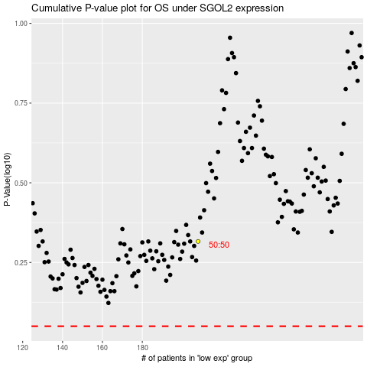

 |  |  |  |  |  | cases_OS | p_OS | rank | exp
 |  |  |  |  |  |  | cases_RFS | p_RFS | rank | exp

