SGPP1 _multivariate
Reported by Tex Li-Hsing Chi. tex@gate.sinica.edu.tw 2019-08-16

Table 2. The clinicopathological features of HNSCC cohort and SGPP1 expression. (Chi square test)
Cutoff at 0.025 (49.8%)
 |  | SGPP1 expression |  | SGPP1 expression |  | (Optimised)
 | Features | Low | (%) | High | (%) | Case no | P-value | Remark | Matthews
Gender | Female | 164 | 39.5 | 142 | 34.2 | 415 | 0.0153 | 1 | 0
2 | Male | 43 | 10.4 | 66 | 15.9
Age at diagnosis | <=65y | 146 | 35.2 | 128 | 30.8 | 415 | 0.0672 | 0 | 0
4 | >65y | 61 | 14.7 | 80 | 19.3
Clinical T Status | T1+T2 | 74 | 17.8 | 75 | 18.1 | 415 | 1 | 0 | 0
6 | T3+T4 | 133 | 32 | 133 | 32
Clinical N Status | N0 | 99 | 23.9 | 117 | 28.2 | 415 | 0.1054 | 0 | 0
8 | N1-3 | 108 | 26 | 91 | 21.9
Clinical M Status | M0 | 205 | 49.4 | 207 | 49.9 | 415 | 0.6232 | 0 | 0
10 | M1 | 2 | 0.5 | 1 | 0.2
Clinical Stage | Stage I+II | 41 | 9.9 | 61 | 14.7 | 415 | 0.0325 | 1 | 0
12 | Stage III+IV | 166 | 40 | 147 | 35.4
Surgical Margin status | Negative | 166 | 40 | 152 | 36.6 | 415 | 0.1042 | 0 | 0
14 | Positive | 41 | 9.9 | 56 | 13.5
Tobacco Exposure | Low | 61 | 14.7 | 100 | 24.1 | 415 | 1e-04 | 1 | 0
16 | High | 146 | 35.2 | 108 | 26

Table 3. Univariate/Multivariate Cox's proportional hazards regression analyses on OS time of SGPP1 gene expression in HNSCC

 |  | Univariate |  |  |  | Multivariate
 | Features | HR | CI95%(L) | CI95%(H) | P-value | HR | CI95%(L) | CI95%(H) | P-value
1 | Female | 1 |  |  |  | 1
Gender | Male | 1.157 | 0.843 | 1.587 | 0.367 | 1.191 | 0.852 | 1.664 | 0.307
11 | <=65y | 1 |  |  |  | 1
Age at diagnosis | >65y | 1.329 | 0.99 | 1.784 | 0.058 | 1.389 | 1.022 | 1.888 | 0.036
12 | T1+T2 | 1 |  |  |  | 1
Clinical T Status | T3+T4 | 1.409 | 1.028 | 1.931 | 0.033 | 2.137 | 1.126 | 4.055 | 0.02
13 | N0 | 1 |  |  |  | 1
Clinical N Status | N1-3 | 1.185 | 0.89 | 1.577 | 0.246 | 1.245 | 0.873 | 1.776 | 0.227
14 | M0 | 1 |  |  |  | 1
Clinical M Status | M1 | 4.097 | 1.009 | 16.644 | 0.049 | 9.172 | 1.999 | 42.087 | 0.004
15 | Stage I+II | 1 |  |  |  | 1
Clinical Stage | Stage III+IV | 1.245 | 0.882 | 1.759 | 0.213 | 0.534 | 0.246 | 1.158 | 0.112
16 | Negative | 1 |  |  |  | 1
Surgical Margin status | Positive | 1.591 | 1.155 | 2.191 | 0.004 | 1.642 | 1.186 | 2.274 | 0.003
17 | Low | 1 |  |  |  | 1
Tobacco Exposure | High | 1.364 | 1.008 | 1.844 | 0.044 | 1.49 | 1.076 | 2.063 | 0.016
18 | Low | 1 |  |  |  | 1
RNAseq(z-score) | High | 1.147 | 0.861 | 1.529 | 0.349 | 1.148 | 0.847 | 1.556 | 0.373

Table 4. Univariate/Multivariate Cox's proportional hazards regression analyses on RFS time of SGPP1 gene expression in HNSCC

 |  | Univariate |  |  |  | Multivariate
 | Features | HR | CI95%(L) | CI95%(H) | P-value | HR | CI95%(L) | CI95%(H) | P-value
1 | Female | 1 |  |  |  | 1
Gender | Male | 1.157 | 0.843 | 1.587 | 0.367 | 1.191 | 0.852 | 1.664 | 0.307
11 | <=65y | 1 |  |  |  | 1
Age at diagnosis | >65y | 1.329 | 0.99 | 1.784 | 0.058 | 1.389 | 1.022 | 1.888 | 0.036
12 | T1+T2 | 1 |  |  |  | 1
Clinical T Status | T3+T4 | 1.409 | 1.028 | 1.931 | 0.033 | 2.137 | 1.126 | 4.055 | 0.02
13 | N0 | 1 |  |  |  | 1
Clinical N Status | N1-3 | 1.185 | 0.89 | 1.577 | 0.246 | 1.245 | 0.873 | 1.776 | 0.227
14 | M0 | 1 |  |  |  | 1
Clinical M Status | M1 | 4.097 | 1.009 | 16.644 | 0.049 | 9.172 | 1.999 | 42.087 | 0.004
15 | Stage I+II | 1 |  |  |  | 1
Clinical Stage | Stage III+IV | 1.245 | 0.882 | 1.759 | 0.213 | 0.534 | 0.246 | 1.158 | 0.112
16 | Negative | 1 |  |  |  | 1
Surgical Margin status | Positive | 1.591 | 1.155 | 2.191 | 0.004 | 1.642 | 1.186 | 2.274 | 0.003
17 | Low | 1 |  |  |  | 1
Tobacco Exposure | High | 1.364 | 1.008 | 1.844 | 0.044 | 1.49 | 1.076 | 2.063 | 0.016
18 | Low | 1 |  |  |  | 1
RNAseq(z-score) | High | 1.147 | 0.861 | 1.529 | 0.349 | 1.148 | 0.847 | 1.556 | 0.373

Kaplan-Meier survival estimate: Cutoff at 0.025 (49.8%)



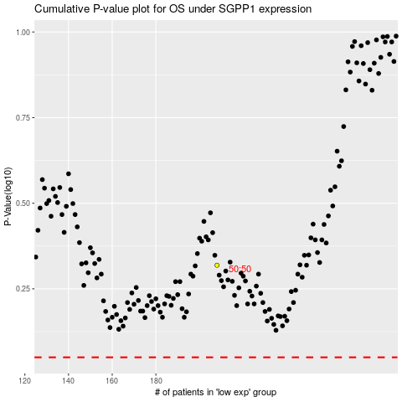

 |  |  |  |  |  | cases_OS | p_OS | rank | exp
 |  |  |  |  |  |  | cases_RFS | p_RFS | rank | exp

