SGSM1 _multivariate
Reported by Tex Li-Hsing Chi. tex@gate.sinica.edu.tw 2019-08-16

Table 2. The clinicopathological features of HNSCC cohort and SGSM1 expression. (Chi square test)
Cutoff at -0.231 (49.8%)
 |  | SGSM1 expression |  | SGSM1 expression |  | (Optimised)
 | Features | Low | (%) | High | (%) | Case no | P-value | Remark | Matthews
Gender | Female | 146 | 35.2 | 160 | 38.6 | 415 | 0.1714 | 0 | 0
2 | Male | 61 | 14.7 | 48 | 11.6
Age at diagnosis | <=65y | 131 | 31.6 | 143 | 34.5 | 415 | 0.2839 | 0 | 0
4 | >65y | 76 | 18.3 | 65 | 15.7
Clinical T Status | T1+T2 | 63 | 15.2 | 86 | 20.7 | 415 | 0.0268 | 1 | 0
6 | T3+T4 | 144 | 34.7 | 122 | 29.4
Clinical N Status | N0 | 110 | 26.5 | 106 | 25.5 | 415 | 0.7294 | 0 | 0
8 | N1-3 | 97 | 23.4 | 102 | 24.6
Clinical M Status | M0 | 205 | 49.4 | 207 | 49.9 | 415 | 0.6232 | 0 | 0
10 | M1 | 2 | 0.5 | 1 | 0.2
Clinical Stage | Stage I+II | 47 | 11.3 | 55 | 13.3 | 415 | 0.4413 | 0 | 0
12 | Stage III+IV | 160 | 38.6 | 153 | 36.9
Surgical Margin status | Negative | 164 | 39.5 | 154 | 37.1 | 415 | 0.2462 | 0 | 0
14 | Positive | 43 | 10.4 | 54 | 13
Tobacco Exposure | Low | 91 | 21.9 | 70 | 16.9 | 415 | 0.0346 | 1 | 0
16 | High | 116 | 28 | 138 | 33.3

Table 3. Univariate/Multivariate Cox's proportional hazards regression analyses on OS time of SGSM1 gene expression in HNSCC

 |  | Univariate |  |  |  | Multivariate
 | Features | HR | CI95%(L) | CI95%(H) | P-value | HR | CI95%(L) | CI95%(H) | P-value
1 | Female | 1 |  |  |  | 1
Gender | Male | 1.157 | 0.843 | 1.587 | 0.367 | 1.189 | 0.851 | 1.662 | 0.31
11 | <=65y | 1 |  |  |  | 1
Age at diagnosis | >65y | 1.329 | 0.99 | 1.784 | 0.058 | 1.389 | 1.023 | 1.886 | 0.035
12 | T1+T2 | 1 |  |  |  | 1
Clinical T Status | T3+T4 | 1.409 | 1.028 | 1.931 | 0.033 | 2.164 | 1.144 | 4.095 | 0.018
13 | N0 | 1 |  |  |  | 1
Clinical N Status | N1-3 | 1.185 | 0.89 | 1.577 | 0.246 | 1.255 | 0.88 | 1.789 | 0.21
14 | M0 | 1 |  |  |  | 1
Clinical M Status | M1 | 4.097 | 1.009 | 16.644 | 0.049 | 8.911 | 1.941 | 40.912 | 0.005
15 | Stage I+II | 1 |  |  |  | 1
Clinical Stage | Stage III+IV | 1.245 | 0.882 | 1.759 | 0.213 | 0.515 | 0.24 | 1.107 | 0.089
16 | Negative | 1 |  |  |  | 1
Surgical Margin status | Positive | 1.591 | 1.155 | 2.191 | 0.004 | 1.701 | 1.23 | 2.353 | 0.001
17 | Low | 1 |  |  |  | 1
Tobacco Exposure | High | 1.364 | 1.008 | 1.844 | 0.044 | 1.474 | 1.069 | 2.031 | 0.018
18 | Low | 1 |  |  |  | 1
RNAseq(z-score) | High | 0.791 | 0.593 | 1.054 | 0.109 | 0.771 | 0.577 | 1.03 | 0.078

Table 4. Univariate/Multivariate Cox's proportional hazards regression analyses on RFS time of SGSM1 gene expression in HNSCC

 |  | Univariate |  |  |  | Multivariate
 | Features | HR | CI95%(L) | CI95%(H) | P-value | HR | CI95%(L) | CI95%(H) | P-value
1 | Female | 1 |  |  |  | 1
Gender | Male | 1.157 | 0.843 | 1.587 | 0.367 | 1.189 | 0.851 | 1.662 | 0.31
11 | <=65y | 1 |  |  |  | 1
Age at diagnosis | >65y | 1.329 | 0.99 | 1.784 | 0.058 | 1.389 | 1.023 | 1.886 | 0.035
12 | T1+T2 | 1 |  |  |  | 1
Clinical T Status | T3+T4 | 1.409 | 1.028 | 1.931 | 0.033 | 2.164 | 1.144 | 4.095 | 0.018
13 | N0 | 1 |  |  |  | 1
Clinical N Status | N1-3 | 1.185 | 0.89 | 1.577 | 0.246 | 1.255 | 0.88 | 1.789 | 0.21
14 | M0 | 1 |  |  |  | 1
Clinical M Status | M1 | 4.097 | 1.009 | 16.644 | 0.049 | 8.911 | 1.941 | 40.912 | 0.005
15 | Stage I+II | 1 |  |  |  | 1
Clinical Stage | Stage III+IV | 1.245 | 0.882 | 1.759 | 0.213 | 0.515 | 0.24 | 1.107 | 0.089
16 | Negative | 1 |  |  |  | 1
Surgical Margin status | Positive | 1.591 | 1.155 | 2.191 | 0.004 | 1.701 | 1.23 | 2.353 | 0.001
17 | Low | 1 |  |  |  | 1
Tobacco Exposure | High | 1.364 | 1.008 | 1.844 | 0.044 | 1.474 | 1.069 | 2.031 | 0.018
18 | Low | 1 |  |  |  | 1
RNAseq(z-score) | High | 0.791 | 0.593 | 1.054 | 0.109 | 0.771 | 0.577 | 1.03 | 0.078

Kaplan-Meier survival estimate: Cutoff at -0.231 (49.8%)



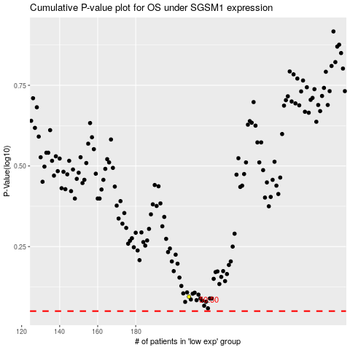

 |  |  |  |  |  | cases_OS | p_OS | rank | exp
 |  |  |  |  |  |  | cases_RFS | p_RFS | rank | exp

