SGSM3 _multivariate
Reported by Tex Li-Hsing Chi. tex@gate.sinica.edu.tw 2019-08-16

Table 2. The clinicopathological features of HNSCC cohort and SGSM3 expression. (Chi square test)
Cutoff at -0.344 (45.4%)
 |  | SGSM3 expression |  | SGSM3 expression |  | (Optimised)
 | Features | Low | (%) | High | (%) | Case no | P-value | Remark | Matthews
Gender | Female | 131 | 31.6 | 175 | 42.2 | 415 | 0.1105 | 0 | 0
2 | Male | 57 | 13.7 | 52 | 12.5
Age at diagnosis | <=65y | 120 | 28.9 | 154 | 37.1 | 415 | 0.4504 | 0 | 0
4 | >65y | 68 | 16.4 | 73 | 17.6
Clinical T Status | T1+T2 | 63 | 15.2 | 86 | 20.7 | 415 | 0.4111 | 0 | 0
6 | T3+T4 | 125 | 30.1 | 141 | 34
Clinical N Status | N0 | 93 | 22.4 | 123 | 29.6 | 415 | 0.3905 | 0 | 0
8 | N1-3 | 95 | 22.9 | 104 | 25.1
Clinical M Status | M0 | 187 | 45.1 | 225 | 54.2 | 415 | 1 | 0 | 0
10 | M1 | 1 | 0.2 | 2 | 0.5
Clinical Stage | Stage I+II | 47 | 11.3 | 55 | 13.3 | 415 | 0.9465 | 0 | 0
12 | Stage III+IV | 141 | 34 | 172 | 41.4
Surgical Margin status | Negative | 154 | 37.1 | 164 | 39.5 | 415 | 0.0265 | 1 | 0
14 | Positive | 34 | 8.2 | 63 | 15.2
Tobacco Exposure | Low | 68 | 16.4 | 93 | 22.4 | 415 | 0.3625 | 0 | 0
16 | High | 120 | 28.9 | 134 | 32.3

Table 3. Univariate/Multivariate Cox's proportional hazards regression analyses on OS time of SGSM3 gene expression in HNSCC

 |  | Univariate |  |  |  | Multivariate
 | Features | HR | CI95%(L) | CI95%(H) | P-value | HR | CI95%(L) | CI95%(H) | P-value
1 | Female | 1 |  |  |  | 1
Gender | Male | 1.157 | 0.843 | 1.587 | 0.367 | 1.171 | 0.839 | 1.636 | 0.354
11 | <=65y | 1 |  |  |  | 1
Age at diagnosis | >65y | 1.329 | 0.99 | 1.784 | 0.058 | 1.372 | 1.008 | 1.866 | 0.044
12 | T1+T2 | 1 |  |  |  | 1
Clinical T Status | T3+T4 | 1.409 | 1.028 | 1.931 | 0.033 | 2.092 | 1.105 | 3.961 | 0.023
13 | N0 | 1 |  |  |  | 1
Clinical N Status | N1-3 | 1.185 | 0.89 | 1.577 | 0.246 | 1.17 | 0.815 | 1.679 | 0.394
14 | M0 | 1 |  |  |  | 1
Clinical M Status | M1 | 4.097 | 1.009 | 16.644 | 0.049 | 9.906 | 2.159 | 45.455 | 0.003
15 | Stage I+II | 1 |  |  |  | 1
Clinical Stage | Stage III+IV | 1.245 | 0.882 | 1.759 | 0.213 | 0.535 | 0.249 | 1.152 | 0.11
16 | Negative | 1 |  |  |  | 1
Surgical Margin status | Positive | 1.591 | 1.155 | 2.191 | 0.004 | 1.708 | 1.235 | 2.362 | 0.001
17 | Low | 1 |  |  |  | 1
Tobacco Exposure | High | 1.364 | 1.008 | 1.844 | 0.044 | 1.47 | 1.067 | 2.025 | 0.019
18 | Low | 1 |  |  |  | 1
RNAseq(z-score) | High | 0.741 | 0.555 | 0.989 | 0.042 | 0.751 | 0.558 | 1.012 | 0.06

Table 4. Univariate/Multivariate Cox's proportional hazards regression analyses on RFS time of SGSM3 gene expression in HNSCC

 |  | Univariate |  |  |  | Multivariate
 | Features | HR | CI95%(L) | CI95%(H) | P-value | HR | CI95%(L) | CI95%(H) | P-value
1 | Female | 1 |  |  |  | 1
Gender | Male | 1.157 | 0.843 | 1.587 | 0.367 | 1.171 | 0.839 | 1.636 | 0.354
11 | <=65y | 1 |  |  |  | 1
Age at diagnosis | >65y | 1.329 | 0.99 | 1.784 | 0.058 | 1.372 | 1.008 | 1.866 | 0.044
12 | T1+T2 | 1 |  |  |  | 1
Clinical T Status | T3+T4 | 1.409 | 1.028 | 1.931 | 0.033 | 2.092 | 1.105 | 3.961 | 0.023
13 | N0 | 1 |  |  |  | 1
Clinical N Status | N1-3 | 1.185 | 0.89 | 1.577 | 0.246 | 1.17 | 0.815 | 1.679 | 0.394
14 | M0 | 1 |  |  |  | 1
Clinical M Status | M1 | 4.097 | 1.009 | 16.644 | 0.049 | 9.906 | 2.159 | 45.455 | 0.003
15 | Stage I+II | 1 |  |  |  | 1
Clinical Stage | Stage III+IV | 1.245 | 0.882 | 1.759 | 0.213 | 0.535 | 0.249 | 1.152 | 0.11
16 | Negative | 1 |  |  |  | 1
Surgical Margin status | Positive | 1.591 | 1.155 | 2.191 | 0.004 | 1.708 | 1.235 | 2.362 | 0.001
17 | Low | 1 |  |  |  | 1
Tobacco Exposure | High | 1.364 | 1.008 | 1.844 | 0.044 | 1.47 | 1.067 | 2.025 | 0.019
18 | Low | 1 |  |  |  | 1
RNAseq(z-score) | High | 0.741 | 0.555 | 0.989 | 0.042 | 0.751 | 0.558 | 1.012 | 0.06

Kaplan-Meier survival estimate: Cutoff at -0.344 (45.4%)



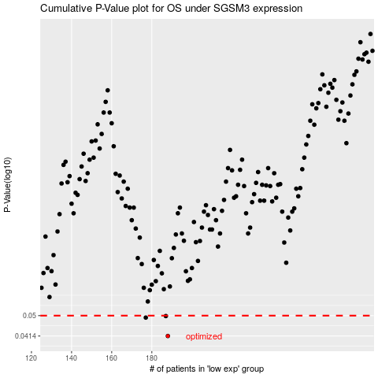

 |  |  |  |  |  | cases_OS | p_OS | rank | exp
 |  |  |  |  |  | 188 | 0.0414 | 26 | -0.34429185121
 |  |  |  |  |  | 177 | 0.0491 | 310 | -0.37091508517
 |  |  |  |  |  | 187 | 0.0498 | 76 | -0.34466960751
 |  |  |  |  |  |  | cases_RFS | p_RFS | rank | exp
 |  |  |  |  |  |  | 187 | 0.0414 | 76 | -0.34466960751
 |  |  |  |  |  |  | 176 | 0.0491 | 207 | -0.37122495715
 |  |  |  |  |  |  | 186 | 0.0498 | 253 | -0.34491958156

