SH2B1 _multivariate
Reported by Tex Li-Hsing Chi. tex@gate.sinica.edu.tw 2019-08-16

Table 2. The clinicopathological features of HNSCC cohort and SH2B1 expression. (Chi square test)
Cutoff at -0.597 (33.6%)
 |  | SH2B1 expression |  | SH2B1 expression |  | (Optimised)
 | Features | Low | (%) | High | (%) | Case no | P-value | Remark | Matthews
Gender | Female | 94 | 22.7 | 212 | 51.1 | 415 | 0.0589 | 0 | 0
2 | Male | 45 | 10.8 | 64 | 15.4
Age at diagnosis | <=65y | 85 | 20.5 | 189 | 45.5 | 415 | 0.1683 | 0 | 0
4 | >65y | 54 | 13 | 87 | 21
Clinical T Status | T1+T2 | 53 | 12.8 | 96 | 23.1 | 415 | 0.5738 | 0 | 0
6 | T3+T4 | 86 | 20.7 | 180 | 43.4
Clinical N Status | N0 | 76 | 18.3 | 140 | 33.7 | 415 | 0.5116 | 0 | 0
8 | N1-3 | 63 | 15.2 | 136 | 32.8
Clinical M Status | M0 | 138 | 33.3 | 274 | 66 | 415 | 1 | 0 | 0
10 | M1 | 1 | 0.2 | 2 | 0.5
Clinical Stage | Stage I+II | 40 | 9.6 | 62 | 14.9 | 415 | 0.1974 | 0 | 0
12 | Stage III+IV | 99 | 23.9 | 214 | 51.6
Surgical Margin status | Negative | 105 | 25.3 | 213 | 51.3 | 415 | 0.7139 | 0 | 0
14 | Positive | 34 | 8.2 | 63 | 15.2
Tobacco Exposure | Low | 58 | 14 | 103 | 24.8 | 415 | 0.395 | 0 | 0
16 | High | 81 | 19.5 | 173 | 41.7

Table 3. Univariate/Multivariate Cox's proportional hazards regression analyses on OS time of SH2B1 gene expression in HNSCC

 |  | Univariate |  |  |  | Multivariate
 | Features | HR | CI95%(L) | CI95%(H) | P-value | HR | CI95%(L) | CI95%(H) | P-value
1 | Female | 1 |  |  |  | 1
Gender | Male | 1.157 | 0.843 | 1.587 | 0.367 | 1.153 | 0.824 | 1.614 | 0.405
11 | <=65y | 1 |  |  |  | 1
Age at diagnosis | >65y | 1.329 | 0.99 | 1.784 | 0.058 | 1.361 | 0.999 | 1.853 | 0.05
12 | T1+T2 | 1 |  |  |  | 1
Clinical T Status | T3+T4 | 1.409 | 1.028 | 1.931 | 0.033 | 2.178 | 1.151 | 4.12 | 0.017
13 | N0 | 1 |  |  |  | 1
Clinical N Status | N1-3 | 1.185 | 0.89 | 1.577 | 0.246 | 1.244 | 0.872 | 1.775 | 0.229
14 | M0 | 1 |  |  |  | 1
Clinical M Status | M1 | 4.097 | 1.009 | 16.644 | 0.049 | 9.709 | 2.117 | 44.53 | 0.003
15 | Stage I+II | 1 |  |  |  | 1
Clinical Stage | Stage III+IV | 1.245 | 0.882 | 1.759 | 0.213 | 0.525 | 0.244 | 1.129 | 0.099
16 | Negative | 1 |  |  |  | 1
Surgical Margin status | Positive | 1.591 | 1.155 | 2.191 | 0.004 | 1.675 | 1.212 | 2.314 | 0.002
17 | Low | 1 |  |  |  | 1
Tobacco Exposure | High | 1.364 | 1.008 | 1.844 | 0.044 | 1.508 | 1.091 | 2.083 | 0.013
18 | Low | 1 |  |  |  | 1
RNAseq(z-score) | High | 0.691 | 0.515 | 0.926 | 0.013 | 0.671 | 0.497 | 0.906 | 0.009

Table 4. Univariate/Multivariate Cox's proportional hazards regression analyses on RFS time of SH2B1 gene expression in HNSCC

 |  | Univariate |  |  |  | Multivariate
 | Features | HR | CI95%(L) | CI95%(H) | P-value | HR | CI95%(L) | CI95%(H) | P-value
1 | Female | 1 |  |  |  | 1
Gender | Male | 1.157 | 0.843 | 1.587 | 0.367 | 1.153 | 0.824 | 1.614 | 0.405
11 | <=65y | 1 |  |  |  | 1
Age at diagnosis | >65y | 1.329 | 0.99 | 1.784 | 0.058 | 1.361 | 0.999 | 1.853 | 0.05
12 | T1+T2 | 1 |  |  |  | 1
Clinical T Status | T3+T4 | 1.409 | 1.028 | 1.931 | 0.033 | 2.178 | 1.151 | 4.12 | 0.017
13 | N0 | 1 |  |  |  | 1
Clinical N Status | N1-3 | 1.185 | 0.89 | 1.577 | 0.246 | 1.244 | 0.872 | 1.775 | 0.229
14 | M0 | 1 |  |  |  | 1
Clinical M Status | M1 | 4.097 | 1.009 | 16.644 | 0.049 | 9.709 | 2.117 | 44.53 | 0.003
15 | Stage I+II | 1 |  |  |  | 1
Clinical Stage | Stage III+IV | 1.245 | 0.882 | 1.759 | 0.213 | 0.525 | 0.244 | 1.129 | 0.099
16 | Negative | 1 |  |  |  | 1
Surgical Margin status | Positive | 1.591 | 1.155 | 2.191 | 0.004 | 1.675 | 1.212 | 2.314 | 0.002
17 | Low | 1 |  |  |  | 1
Tobacco Exposure | High | 1.364 | 1.008 | 1.844 | 0.044 | 1.508 | 1.091 | 2.083 | 0.013
18 | Low | 1 |  |  |  | 1
RNAseq(z-score) | High | 0.691 | 0.515 | 0.926 | 0.013 | 0.671 | 0.497 | 0.906 | 0.009

Kaplan-Meier survival estimate: Cutoff at -0.597 (33.6%)

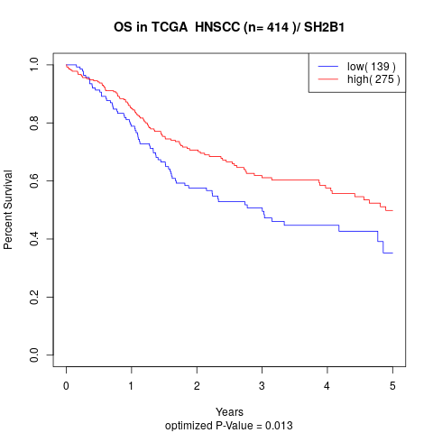

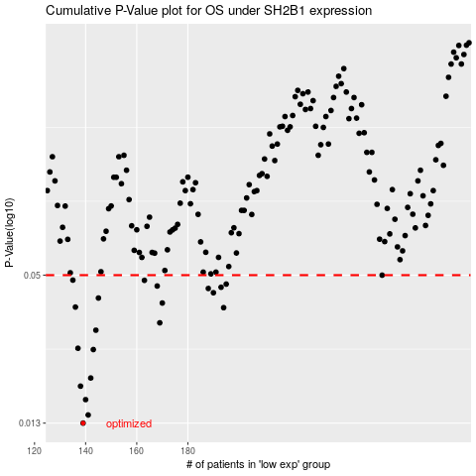

 |  |  |  |  |  | cases_OS | p_OS | rank | exp
 |  |  |  |  |  | 139 | 0.013 | 268 | -0.59729958687
 |  |  |  |  |  | 141 | 0.014 | 45 | -0.59063775611
 |  |  |  |  |  | 140 | 0.0161 | 366 | -0.59309723315
 |  |  |  |  |  | 138 | 0.0182 | 221 | -0.60309043515
 |  |  |  |  |  | 142 | 0.0196 | 132 | -0.58402546133
 |  |  |  |  |  | 143 | 0.0254 | 156 | -0.57969577278
 |  |  |  |  |  | 137 | 0.0257 | 364 | -0.61500156124
 |  |  |  |  |  | 144 | 0.0303 | 41 | -0.57292271396
 |  |  |  |  |  | 169 | 0.0324 | 134 | -0.45708052448
 |  |  |  |  |  | 194 | 0.0372 | 192 | -0.33182406587
 |  |  |  |  |  | 136 | 0.0374 | 217 | -0.61918598475
 |  |  |  |  |  | 170 | 0.0388 | 190 | -0.45184672814
 |  |  |  |  |  | 145 | 0.0406 | 262 | -0.57115947588
 |  |  |  |  |  | 190 | 0.0426 | 119 | -0.35160685568
 |  |  |  |  |  | 188 | 0.0443 | 16 | -0.35809272731
 |  |  |  |  |  | 193 | 0.0448 | 76 | -0.34202999911
 |  |  |  |  |  | 168 | 0.0453 | 21 | -0.4687928988
 |  |  |  |  |  | 195 | 0.0461 | 290 | -0.33024468836
 |  |  |  |  |  | 163 | 0.0477 | 219 | -0.4842025421
 |  |  |  |  |  | 135 | 0.0478 | 404 | -0.61973452745
 |  |  |  |  |  | 256 | 0.05 | 35 | -0.0071047176626
 |  |  |  |  |  |  | cases_RFS | p_RFS | rank | exp
 |  |  |  |  |  |  | 138 | 0.013 | 221 | -0.60309043515
 |  |  |  |  |  |  | 140 | 0.014 | 366 | -0.59309723315
 |  |  |  |  |  |  | 139 | 0.0161 | 268 | -0.59729958687
 |  |  |  |  |  |  | 137 | 0.0182 | 364 | -0.61500156124
 |  |  |  |  |  |  | 141 | 0.0196 | 45 | -0.59063775611
 |  |  |  |  |  |  | 142 | 0.0254 | 132 | -0.58402546133
 |  |  |  |  |  |  | 136 | 0.0257 | 217 | -0.61918598475
 |  |  |  |  |  |  | 143 | 0.0303 | 156 | -0.57969577278
 |  |  |  |  |  |  | 168 | 0.0324 | 21 | -0.4687928988
 |  |  |  |  |  |  | 193 | 0.0372 | 76 | -0.34202999911
 |  |  |  |  |  |  | 135 | 0.0374 | 404 | -0.61973452745
 |  |  |  |  |  |  | 169 | 0.0388 | 134 | -0.45708052448
 |  |  |  |  |  |  | 144 | 0.0406 | 41 | -0.57292271396
 |  |  |  |  |  |  | 189 | 0.0426 | 323 | -0.35679020432
 |  |  |  |  |  |  | 187 | 0.0443 | 398 | -0.36022915678
 |  |  |  |  |  |  | 192 | 0.0448 | 12 | -0.34600260308
 |  |  |  |  |  |  | 167 | 0.0453 | 148 | -0.47211484908
 |  |  |  |  |  |  | 194 | 0.0461 | 192 | -0.33182406587
 |  |  |  |  |  |  | 162 | 0.0477 | 410 | -0.4845793803
 |  |  |  |  |  |  | 134 | 0.0478 | 243 | -0.6260167849
 |  |  |  |  |  |  | 255 | 0.05 | 413 | -0.014195049925

