SH2D4A _multivariate
Reported by Tex Li-Hsing Chi. tex@gate.sinica.edu.tw 2019-08-16

Table 2. The clinicopathological features of HNSCC cohort and SH2D4A expression. (Chi square test)
Cutoff at -0.061 (69.3%)
 |  | SH2D4A expression |  | SH2D4A expression |  | (Optimised)
 | Features | Low | (%) | High | (%) | Case no | P-value | Remark | Matthews
Gender | Female | 214 | 51.6 | 92 | 22.2 | 415 | 0.782 | 0 | 0
2 | Male | 74 | 17.8 | 35 | 8.4
Age at diagnosis | <=65y | 190 | 45.8 | 84 | 20.2 | 415 | 1 | 0 | 0
4 | >65y | 98 | 23.6 | 43 | 10.4
Clinical T Status | T1+T2 | 97 | 23.4 | 52 | 12.5 | 415 | 0.19 | 0 | 0
6 | T3+T4 | 191 | 46 | 75 | 18.1
Clinical N Status | N0 | 149 | 35.9 | 67 | 16.1 | 415 | 0.9322 | 0 | 0
8 | N1-3 | 139 | 33.5 | 60 | 14.5
Clinical M Status | M0 | 285 | 68.7 | 127 | 30.6 | 415 | 0.5562 | 0 | 0
10 | M1 | 3 | 0.7 | 0 | 0
Clinical Stage | Stage I+II | 68 | 16.4 | 34 | 8.2 | 415 | 0.5718 | 0 | 0
12 | Stage III+IV | 220 | 53 | 93 | 22.4
Surgical Margin status | Negative | 220 | 53 | 98 | 23.6 | 415 | 0.9004 | 0 | 0
14 | Positive | 68 | 16.4 | 29 | 7
Tobacco Exposure | Low | 117 | 28.2 | 44 | 10.6 | 415 | 0.2751 | 0 | 0
16 | High | 171 | 41.2 | 83 | 20

Table 3. Univariate/Multivariate Cox's proportional hazards regression analyses on OS time of SH2D4A gene expression in HNSCC

 |  | Univariate |  |  |  | Multivariate
 | Features | HR | CI95%(L) | CI95%(H) | P-value | HR | CI95%(L) | CI95%(H) | P-value
1 | Female | 1 |  |  |  | 1
Gender | Male | 1.157 | 0.843 | 1.587 | 0.367 | 1.22 | 0.871 | 1.708 | 0.248
11 | <=65y | 1 |  |  |  | 1
Age at diagnosis | >65y | 1.329 | 0.99 | 1.784 | 0.058 | 1.448 | 1.062 | 1.975 | 0.019
12 | T1+T2 | 1 |  |  |  | 1
Clinical T Status | T3+T4 | 1.409 | 1.028 | 1.931 | 0.033 | 2.017 | 1.065 | 3.821 | 0.031
13 | N0 | 1 |  |  |  | 1
Clinical N Status | N1-3 | 1.185 | 0.89 | 1.577 | 0.246 | 1.253 | 0.878 | 1.789 | 0.215
14 | M0 | 1 |  |  |  | 1
Clinical M Status | M1 | 4.097 | 1.009 | 16.644 | 0.049 | 7.748 | 1.683 | 35.668 | 0.009
15 | Stage I+II | 1 |  |  |  | 1
Clinical Stage | Stage III+IV | 1.245 | 0.882 | 1.759 | 0.213 | 0.552 | 0.256 | 1.188 | 0.129
16 | Negative | 1 |  |  |  | 1
Surgical Margin status | Positive | 1.591 | 1.155 | 2.191 | 0.004 | 1.651 | 1.196 | 2.279 | 0.002
17 | Low | 1 |  |  |  | 1
Tobacco Exposure | High | 1.364 | 1.008 | 1.844 | 0.044 | 1.531 | 1.108 | 2.117 | 0.01
18 | Low | 1 |  |  |  | 1
RNAseq(z-score) | High | 0.645 | 0.461 | 0.903 | 0.011 | 0.629 | 0.447 | 0.885 | 0.008

Table 4. Univariate/Multivariate Cox's proportional hazards regression analyses on RFS time of SH2D4A gene expression in HNSCC

 |  | Univariate |  |  |  | Multivariate
 | Features | HR | CI95%(L) | CI95%(H) | P-value | HR | CI95%(L) | CI95%(H) | P-value
1 | Female | 1 |  |  |  | 1
Gender | Male | 1.157 | 0.843 | 1.587 | 0.367 | 1.22 | 0.871 | 1.708 | 0.248
11 | <=65y | 1 |  |  |  | 1
Age at diagnosis | >65y | 1.329 | 0.99 | 1.784 | 0.058 | 1.448 | 1.062 | 1.975 | 0.019
12 | T1+T2 | 1 |  |  |  | 1
Clinical T Status | T3+T4 | 1.409 | 1.028 | 1.931 | 0.033 | 2.017 | 1.065 | 3.821 | 0.031
13 | N0 | 1 |  |  |  | 1
Clinical N Status | N1-3 | 1.185 | 0.89 | 1.577 | 0.246 | 1.253 | 0.878 | 1.789 | 0.215
14 | M0 | 1 |  |  |  | 1
Clinical M Status | M1 | 4.097 | 1.009 | 16.644 | 0.049 | 7.748 | 1.683 | 35.668 | 0.009
15 | Stage I+II | 1 |  |  |  | 1
Clinical Stage | Stage III+IV | 1.245 | 0.882 | 1.759 | 0.213 | 0.552 | 0.256 | 1.188 | 0.129
16 | Negative | 1 |  |  |  | 1
Surgical Margin status | Positive | 1.591 | 1.155 | 2.191 | 0.004 | 1.651 | 1.196 | 2.279 | 0.002
17 | Low | 1 |  |  |  | 1
Tobacco Exposure | High | 1.364 | 1.008 | 1.844 | 0.044 | 1.531 | 1.108 | 2.117 | 0.01
18 | Low | 1 |  |  |  | 1
RNAseq(z-score) | High | 0.645 | 0.461 | 0.903 | 0.011 | 0.629 | 0.447 | 0.885 | 0.008

Kaplan-Meier survival estimate: Cutoff at -0.061 (69.3%)

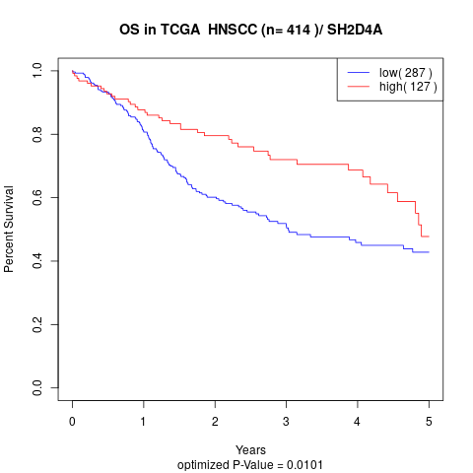

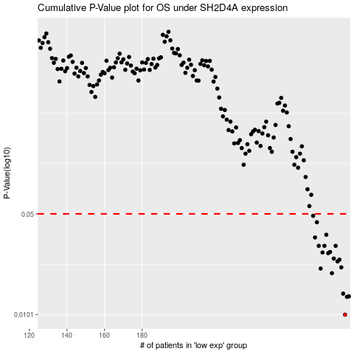

 |  |  |  |  |  | cases_OS | p_OS | rank | exp
 |  |  |  |  |  | 288 | 0.0101 | 71 | -0.061419242009
 |  |  |  |  |  | 289 | 0.0134 | 358 | -0.057453489951
 |  |  |  |  |  | 290 | 0.0135 | 177 | -0.057374261656
 |  |  |  |  |  | 287 | 0.0141 | 125 | -0.073759482663
 |  |  |  |  |  | 281 | 0.0195 | 130 | -0.10196012916
 |  |  |  |  |  | 275 | 0.021 | 44 | -0.14000301179
 |  |  |  |  |  | 286 | 0.0214 | 370 | -0.075468384935
 |  |  |  |  |  | 284 | 0.0235 | 25 | -0.093093788995
 |  |  |  |  |  | 285 | 0.0242 | 254 | -0.080061312801
 |  |  |  |  |  | 282 | 0.0246 | 168 | -0.096320173353
 |  |  |  |  |  | 279 | 0.0268 | 28 | -0.12822806791
 |  |  |  |  |  | 276 | 0.0271 | 147 | -0.13848032492
 |  |  |  |  |  | 280 | 0.0273 | 66 | -0.10506420122
 |  |  |  |  |  | 274 | 0.0301 | 283 | -0.14384760817
 |  |  |  |  |  | 277 | 0.0301 | 407 | -0.1306014469
 |  |  |  |  |  | 283 | 0.0301 | 411 | -0.094413200343
 |  |  |  |  |  | 272 | 0.0344 | 399 | -0.14791687749
 |  |  |  |  |  | 278 | 0.0359 | 339 | -0.12924849365
 |  |  |  |  |  | 273 | 0.0438 | 250 | -0.14637019081
 |  |  |  |  |  | 271 | 0.0485 | 287 | -0.1512100565
 |  |  |  |  |  |  | cases_RFS | p_RFS | rank | exp
 |  |  |  |  |  |  | 287 | 0.0101 | 125 | -0.073759482663
 |  |  |  |  |  |  | 288 | 0.0134 | 71 | -0.061419242009
 |  |  |  |  |  |  | 289 | 0.0135 | 358 | -0.057453489951
 |  |  |  |  |  |  | 286 | 0.0141 | 370 | -0.075468384935
 |  |  |  |  |  |  | 280 | 0.0195 | 66 | -0.10506420122
 |  |  |  |  |  |  | 274 | 0.021 | 283 | -0.14384760817
 |  |  |  |  |  |  | 285 | 0.0214 | 254 | -0.080061312801
 |  |  |  |  |  |  | 283 | 0.0235 | 411 | -0.094413200343
 |  |  |  |  |  |  | 284 | 0.0242 | 25 | -0.093093788995
 |  |  |  |  |  |  | 281 | 0.0246 | 130 | -0.10196012916
 |  |  |  |  |  |  | 278 | 0.0268 | 339 | -0.12924849365
 |  |  |  |  |  |  | 275 | 0.0271 | 44 | -0.14000301179
 |  |  |  |  |  |  | 279 | 0.0273 | 28 | -0.12822806791
 |  |  |  |  |  |  | 276 | 0.0301 | 147 | -0.13848032492
 |  |  |  |  |  |  | 282 | 0.0301 | 168 | -0.096320173353
 |  |  |  |  |  |  | 273 | 0.0301 | 250 | -0.14637019081
 |  |  |  |  |  |  | 271 | 0.0344 | 287 | -0.1512100565
 |  |  |  |  |  |  | 277 | 0.0359 | 407 | -0.1306014469
 |  |  |  |  |  |  | 272 | 0.0438 | 399 | -0.14791687749
 |  |  |  |  |  |  | 270 | 0.0485 | 217 | -0.1514185368

