SH2D4B _multivariate
Reported by Tex Li-Hsing Chi. tex@gate.sinica.edu.tw 2019-08-16

Table 2. The clinicopathological features of HNSCC cohort and SH2D4B expression. (Chi square test)
Cutoff at -0.227 (50.0%)
 |  | SH2D4B expression |  | SH2D4B expression |  | (Optimised)
 | Features | Low | (%) | High | (%) | Case no | P-value | Remark | Matthews
Gender | Female | 150 | 36.1 | 156 | 37.6 | 415 | 0.6344 | 0 | 0
2 | Male | 57 | 13.7 | 52 | 12.5
Age at diagnosis | <=65y | 143 | 34.5 | 131 | 31.6 | 415 | 0.2269 | 0 | 0
4 | >65y | 64 | 15.4 | 77 | 18.6
Clinical T Status | T1+T2 | 72 | 17.3 | 77 | 18.6 | 415 | 0.7095 | 0 | 0
6 | T3+T4 | 135 | 32.5 | 131 | 31.6
Clinical N Status | N0 | 116 | 28 | 100 | 24.1 | 415 | 0.1273 | 1 | 0
8 | N1-3 | 91 | 21.9 | 108 | 26
Clinical M Status | M0 | 206 | 49.6 | 206 | 49.6 | 415 | 1 | 0 | 0
10 | M1 | 1 | 0.2 | 2 | 0.5
Clinical Stage | Stage I+II | 49 | 11.8 | 53 | 12.8 | 415 | 0.7535 | 0 | 0
12 | Stage III+IV | 158 | 38.1 | 155 | 37.3
Surgical Margin status | Negative | 164 | 39.5 | 154 | 37.1 | 415 | 0.2462 | 0 | 0
14 | Positive | 43 | 10.4 | 54 | 13
Tobacco Exposure | Low | 80 | 19.3 | 81 | 19.5 | 415 | 1 | 0 | 0
16 | High | 127 | 30.6 | 127 | 30.6

Table 3. Univariate/Multivariate Cox's proportional hazards regression analyses on OS time of SH2D4B gene expression in HNSCC

 |  | Univariate |  |  |  | Multivariate
 | Features | HR | CI95%(L) | CI95%(H) | P-value | HR | CI95%(L) | CI95%(H) | P-value
1 | Female | 1 |  |  |  | 1
Gender | Male | 1.157 | 0.843 | 1.587 | 0.367 | 1.21 | 0.866 | 1.69 | 0.265
11 | <=65y | 1 |  |  |  | 1
Age at diagnosis | >65y | 1.329 | 0.99 | 1.784 | 0.058 | 1.377 | 1.012 | 1.873 | 0.041
12 | T1+T2 | 1 |  |  |  | 1
Clinical T Status | T3+T4 | 1.409 | 1.028 | 1.931 | 0.033 | 2.221 | 1.175 | 4.2 | 0.014
13 | N0 | 1 |  |  |  | 1
Clinical N Status | N1-3 | 1.185 | 0.89 | 1.577 | 0.246 | 1.221 | 0.855 | 1.745 | 0.272
14 | M0 | 1 |  |  |  | 1
Clinical M Status | M1 | 4.097 | 1.009 | 16.644 | 0.049 | 9.119 | 1.986 | 41.87 | 0.004
15 | Stage I+II | 1 |  |  |  | 1
Clinical Stage | Stage III+IV | 1.245 | 0.882 | 1.759 | 0.213 | 0.508 | 0.237 | 1.091 | 0.082
16 | Negative | 1 |  |  |  | 1
Surgical Margin status | Positive | 1.591 | 1.155 | 2.191 | 0.004 | 1.654 | 1.196 | 2.287 | 0.002
17 | Low | 1 |  |  |  | 1
Tobacco Exposure | High | 1.364 | 1.008 | 1.844 | 0.044 | 1.458 | 1.058 | 2.008 | 0.021
18 | Low | 1 |  |  |  | 1
RNAseq(z-score) | High | 1.199 | 0.896 | 1.605 | 0.221 | 1.162 | 0.865 | 1.562 | 0.319

Table 4. Univariate/Multivariate Cox's proportional hazards regression analyses on RFS time of SH2D4B gene expression in HNSCC

 |  | Univariate |  |  |  | Multivariate
 | Features | HR | CI95%(L) | CI95%(H) | P-value | HR | CI95%(L) | CI95%(H) | P-value
1 | Female | 1 |  |  |  | 1
Gender | Male | 1.157 | 0.843 | 1.587 | 0.367 | 1.21 | 0.866 | 1.69 | 0.265
11 | <=65y | 1 |  |  |  | 1
Age at diagnosis | >65y | 1.329 | 0.99 | 1.784 | 0.058 | 1.377 | 1.012 | 1.873 | 0.041
12 | T1+T2 | 1 |  |  |  | 1
Clinical T Status | T3+T4 | 1.409 | 1.028 | 1.931 | 0.033 | 2.221 | 1.175 | 4.2 | 0.014
13 | N0 | 1 |  |  |  | 1
Clinical N Status | N1-3 | 1.185 | 0.89 | 1.577 | 0.246 | 1.221 | 0.855 | 1.745 | 0.272
14 | M0 | 1 |  |  |  | 1
Clinical M Status | M1 | 4.097 | 1.009 | 16.644 | 0.049 | 9.119 | 1.986 | 41.87 | 0.004
15 | Stage I+II | 1 |  |  |  | 1
Clinical Stage | Stage III+IV | 1.245 | 0.882 | 1.759 | 0.213 | 0.508 | 0.237 | 1.091 | 0.082
16 | Negative | 1 |  |  |  | 1
Surgical Margin status | Positive | 1.591 | 1.155 | 2.191 | 0.004 | 1.654 | 1.196 | 2.287 | 0.002
17 | Low | 1 |  |  |  | 1
Tobacco Exposure | High | 1.364 | 1.008 | 1.844 | 0.044 | 1.458 | 1.058 | 2.008 | 0.021
18 | Low | 1 |  |  |  | 1
RNAseq(z-score) | High | 1.199 | 0.896 | 1.605 | 0.221 | 1.162 | 0.865 | 1.562 | 0.319

Kaplan-Meier survival estimate: Cutoff at -0.227 (50.0%)



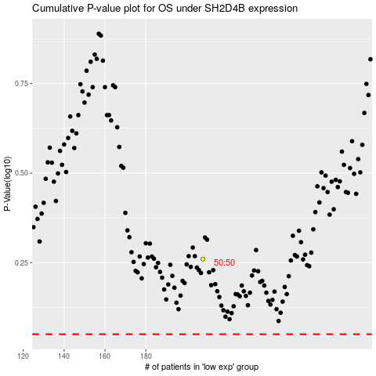

 |  |  |  |  |  | cases_OS | p_OS | rank | exp
 |  |  |  |  |  |  | cases_RFS | p_RFS | rank | exp

