SH2D5 _multivariate
Reported by Tex Li-Hsing Chi. tex@gate.sinica.edu.tw 2019-08-16

Table 2. The clinicopathological features of HNSCC cohort and SH2D5 expression. (Chi square test)
Cutoff at -0.254 (50.0%)
 |  | SH2D5 expression |  | SH2D5 expression |  | (Optimised)
 | Features | Low | (%) | High | (%) | Case no | P-value | Remark | Matthews
Gender | Female | 154 | 37.1 | 152 | 36.6 | 415 | 0.8463 | 0 | 0
2 | Male | 53 | 12.8 | 56 | 13.5
Age at diagnosis | <=65y | 130 | 31.3 | 144 | 34.7 | 415 | 0.2009 | 0 | 0
4 | >65y | 77 | 18.6 | 64 | 15.4
Clinical T Status | T1+T2 | 81 | 19.5 | 68 | 16.4 | 415 | 0.206 | 0 | 0
6 | T3+T4 | 126 | 30.4 | 140 | 33.7
Clinical N Status | N0 | 109 | 26.3 | 107 | 25.8 | 415 | 0.8812 | 0 | 0
8 | N1-3 | 98 | 23.6 | 101 | 24.3
Clinical M Status | M0 | 207 | 49.9 | 205 | 49.4 | 415 | 0.2482 | 0 | 0
10 | M1 | 0 | 0 | 3 | 0.7
Clinical Stage | Stage I+II | 52 | 12.5 | 50 | 12 | 415 | 0.8871 | 0 | 0
12 | Stage III+IV | 155 | 37.3 | 158 | 38.1
Surgical Margin status | Negative | 154 | 37.1 | 164 | 39.5 | 415 | 0.2984 | 0 | 0
14 | Positive | 53 | 12.8 | 44 | 10.6
Tobacco Exposure | Low | 79 | 19 | 82 | 19.8 | 415 | 0.8405 | 0 | 0
16 | High | 128 | 30.8 | 126 | 30.4

Table 3. Univariate/Multivariate Cox's proportional hazards regression analyses on OS time of SH2D5 gene expression in HNSCC

 |  | Univariate |  |  |  | Multivariate
 | Features | HR | CI95%(L) | CI95%(H) | P-value | HR | CI95%(L) | CI95%(H) | P-value
1 | Female | 1 |  |  |  | 1
Gender | Male | 1.157 | 0.843 | 1.587 | 0.367 | 1.194 | 0.853 | 1.671 | 0.303
11 | <=65y | 1 |  |  |  | 1
Age at diagnosis | >65y | 1.329 | 0.99 | 1.784 | 0.058 | 1.399 | 1.028 | 1.904 | 0.033
12 | T1+T2 | 1 |  |  |  | 1
Clinical T Status | T3+T4 | 1.409 | 1.028 | 1.931 | 0.033 | 2.183 | 1.153 | 4.134 | 0.017
13 | N0 | 1 |  |  |  | 1
Clinical N Status | N1-3 | 1.185 | 0.89 | 1.577 | 0.246 | 1.242 | 0.871 | 1.773 | 0.231
14 | M0 | 1 |  |  |  | 1
Clinical M Status | M1 | 4.097 | 1.009 | 16.644 | 0.049 | 9.053 | 1.951 | 42.011 | 0.005
15 | Stage I+II | 1 |  |  |  | 1
Clinical Stage | Stage III+IV | 1.245 | 0.882 | 1.759 | 0.213 | 0.509 | 0.237 | 1.095 | 0.084
16 | Negative | 1 |  |  |  | 1
Surgical Margin status | Positive | 1.591 | 1.155 | 2.191 | 0.004 | 1.676 | 1.213 | 2.316 | 0.002
17 | Low | 1 |  |  |  | 1
Tobacco Exposure | High | 1.364 | 1.008 | 1.844 | 0.044 | 1.455 | 1.056 | 2.006 | 0.022
18 | Low | 1 |  |  |  | 1
RNAseq(z-score) | High | 1.062 | 0.798 | 1.414 | 0.681 | 1.059 | 0.79 | 1.418 | 0.702

Table 4. Univariate/Multivariate Cox's proportional hazards regression analyses on RFS time of SH2D5 gene expression in HNSCC

 |  | Univariate |  |  |  | Multivariate
 | Features | HR | CI95%(L) | CI95%(H) | P-value | HR | CI95%(L) | CI95%(H) | P-value
1 | Female | 1 |  |  |  | 1
Gender | Male | 1.157 | 0.843 | 1.587 | 0.367 | 1.194 | 0.853 | 1.671 | 0.303
11 | <=65y | 1 |  |  |  | 1
Age at diagnosis | >65y | 1.329 | 0.99 | 1.784 | 0.058 | 1.399 | 1.028 | 1.904 | 0.033
12 | T1+T2 | 1 |  |  |  | 1
Clinical T Status | T3+T4 | 1.409 | 1.028 | 1.931 | 0.033 | 2.183 | 1.153 | 4.134 | 0.017
13 | N0 | 1 |  |  |  | 1
Clinical N Status | N1-3 | 1.185 | 0.89 | 1.577 | 0.246 | 1.242 | 0.871 | 1.773 | 0.231
14 | M0 | 1 |  |  |  | 1
Clinical M Status | M1 | 4.097 | 1.009 | 16.644 | 0.049 | 9.053 | 1.951 | 42.011 | 0.005
15 | Stage I+II | 1 |  |  |  | 1
Clinical Stage | Stage III+IV | 1.245 | 0.882 | 1.759 | 0.213 | 0.509 | 0.237 | 1.095 | 0.084
16 | Negative | 1 |  |  |  | 1
Surgical Margin status | Positive | 1.591 | 1.155 | 2.191 | 0.004 | 1.676 | 1.213 | 2.316 | 0.002
17 | Low | 1 |  |  |  | 1
Tobacco Exposure | High | 1.364 | 1.008 | 1.844 | 0.044 | 1.455 | 1.056 | 2.006 | 0.022
18 | Low | 1 |  |  |  | 1
RNAseq(z-score) | High | 1.062 | 0.798 | 1.414 | 0.681 | 1.059 | 0.79 | 1.418 | 0.702

Kaplan-Meier survival estimate: Cutoff at -0.254 (50.0%)

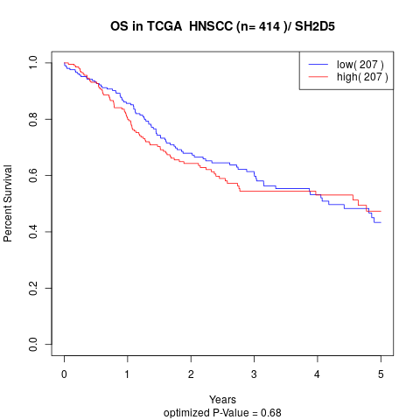

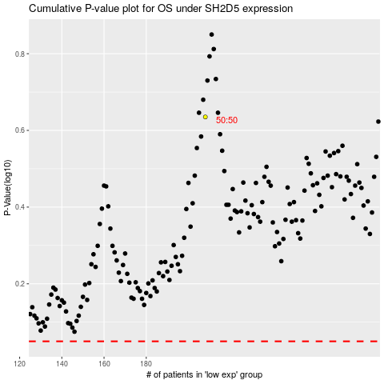

 |  |  |  |  |  | cases_OS | p_OS | rank | exp
 |  |  |  |  |  |  | cases_RFS | p_RFS | rank | exp

