SH3BGRL3 _multivariate
Reported by Tex Li-Hsing Chi. tex@gate.sinica.edu.tw 2019-08-16

Table 2. The clinicopathological features of HNSCC cohort and SH3BGRL3 expression. (Chi square test)
Cutoff at -0.197 (50.0%)
 |  | SH3BGRL3 expression |  | SH3BGRL3 expression |  | (Optimised)
 | Features | Low | (%) | High | (%) | Case no | P-value | Remark | Matthews
Gender | Female | 163 | 39.3 | 143 | 34.5 | 415 | 0.0277 | 1 | 0
2 | Male | 44 | 10.6 | 65 | 15.7
Age at diagnosis | <=65y | 142 | 34.2 | 132 | 31.8 | 415 | 0.3167 | 0 | 0
4 | >65y | 65 | 15.7 | 76 | 18.3
Clinical T Status | T1+T2 | 77 | 18.6 | 72 | 17.3 | 415 | 0.6556 | 0 | 0
6 | T3+T4 | 130 | 31.3 | 136 | 32.8
Clinical N Status | N0 | 113 | 27.2 | 103 | 24.8 | 415 | 0.3495 | 1 | 0
8 | N1-3 | 94 | 22.7 | 105 | 25.3
Clinical M Status | M0 | 206 | 49.6 | 206 | 49.6 | 415 | 1 | 0 | 0
10 | M1 | 1 | 0.2 | 2 | 0.5
Clinical Stage | Stage I+II | 49 | 11.8 | 53 | 12.8 | 415 | 0.7535 | 0 | 0
12 | Stage III+IV | 158 | 38.1 | 155 | 37.3
Surgical Margin status | Negative | 155 | 37.3 | 163 | 39.3 | 415 | 0.4187 | 0 | 0
14 | Positive | 52 | 12.5 | 45 | 10.8
Tobacco Exposure | Low | 69 | 16.6 | 92 | 22.2 | 415 | 0.0266 | 1 | 0
16 | High | 138 | 33.3 | 116 | 28

Table 3. Univariate/Multivariate Cox's proportional hazards regression analyses on OS time of SH3BGRL3 gene expression in HNSCC

 |  | Univariate |  |  |  | Multivariate
 | Features | HR | CI95%(L) | CI95%(H) | P-value | HR | CI95%(L) | CI95%(H) | P-value
1 | Female | 1 |  |  |  | 1
Gender | Male | 1.157 | 0.843 | 1.587 | 0.367 | 1.21 | 0.865 | 1.693 | 0.266
11 | <=65y | 1 |  |  |  | 1
Age at diagnosis | >65y | 1.329 | 0.99 | 1.784 | 0.058 | 1.393 | 1.025 | 1.894 | 0.034
12 | T1+T2 | 1 |  |  |  | 1
Clinical T Status | T3+T4 | 1.409 | 1.028 | 1.931 | 0.033 | 2.219 | 1.172 | 4.201 | 0.014
13 | N0 | 1 |  |  |  | 1
Clinical N Status | N1-3 | 1.185 | 0.89 | 1.577 | 0.246 | 1.246 | 0.873 | 1.78 | 0.226
14 | M0 | 1 |  |  |  | 1
Clinical M Status | M1 | 4.097 | 1.009 | 16.644 | 0.049 | 9.642 | 2.092 | 44.436 | 0.004
15 | Stage I+II | 1 |  |  |  | 1
Clinical Stage | Stage III+IV | 1.245 | 0.882 | 1.759 | 0.213 | 0.498 | 0.231 | 1.072 | 0.075
16 | Negative | 1 |  |  |  | 1
Surgical Margin status | Positive | 1.591 | 1.155 | 2.191 | 0.004 | 1.669 | 1.208 | 2.307 | 0.002
17 | Low | 1 |  |  |  | 1
Tobacco Exposure | High | 1.364 | 1.008 | 1.844 | 0.044 | 1.446 | 1.049 | 1.994 | 0.024
18 | Low | 1 |  |  |  | 1
RNAseq(z-score) | High | 0.967 | 0.726 | 1.287 | 0.817 | 0.944 | 0.704 | 1.266 | 0.702

Table 4. Univariate/Multivariate Cox's proportional hazards regression analyses on RFS time of SH3BGRL3 gene expression in HNSCC

 |  | Univariate |  |  |  | Multivariate
 | Features | HR | CI95%(L) | CI95%(H) | P-value | HR | CI95%(L) | CI95%(H) | P-value
1 | Female | 1 |  |  |  | 1
Gender | Male | 1.157 | 0.843 | 1.587 | 0.367 | 1.21 | 0.865 | 1.693 | 0.266
11 | <=65y | 1 |  |  |  | 1
Age at diagnosis | >65y | 1.329 | 0.99 | 1.784 | 0.058 | 1.393 | 1.025 | 1.894 | 0.034
12 | T1+T2 | 1 |  |  |  | 1
Clinical T Status | T3+T4 | 1.409 | 1.028 | 1.931 | 0.033 | 2.219 | 1.172 | 4.201 | 0.014
13 | N0 | 1 |  |  |  | 1
Clinical N Status | N1-3 | 1.185 | 0.89 | 1.577 | 0.246 | 1.246 | 0.873 | 1.78 | 0.226
14 | M0 | 1 |  |  |  | 1
Clinical M Status | M1 | 4.097 | 1.009 | 16.644 | 0.049 | 9.642 | 2.092 | 44.436 | 0.004
15 | Stage I+II | 1 |  |  |  | 1
Clinical Stage | Stage III+IV | 1.245 | 0.882 | 1.759 | 0.213 | 0.498 | 0.231 | 1.072 | 0.075
16 | Negative | 1 |  |  |  | 1
Surgical Margin status | Positive | 1.591 | 1.155 | 2.191 | 0.004 | 1.669 | 1.208 | 2.307 | 0.002
17 | Low | 1 |  |  |  | 1
Tobacco Exposure | High | 1.364 | 1.008 | 1.844 | 0.044 | 1.446 | 1.049 | 1.994 | 0.024
18 | Low | 1 |  |  |  | 1
RNAseq(z-score) | High | 0.967 | 0.726 | 1.287 | 0.817 | 0.944 | 0.704 | 1.266 | 0.702

Kaplan-Meier survival estimate: Cutoff at -0.197 (50.0%)



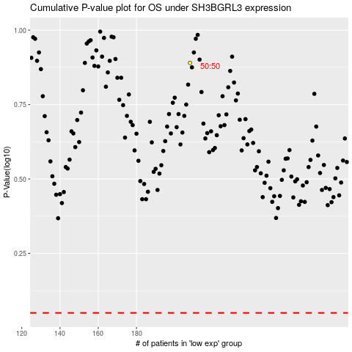

 |  |  |  |  |  | cases_OS | p_OS | rank | exp
 |  |  |  |  |  |  | cases_RFS | p_RFS | rank | exp

