SH3BP1 _multivariate
Reported by Tex Li-Hsing Chi. tex@gate.sinica.edu.tw 2019-08-16

Table 2. The clinicopathological features of HNSCC cohort and SH3BP1 expression. (Chi square test)
Cutoff at -0.07 (49.8%)
 |  | SH3BP1 expression |  | SH3BP1 expression |  | (Optimised)
 | Features | Low | (%) | High | (%) | Case no | P-value | Remark | Matthews
Gender | Female | 146 | 35.2 | 160 | 38.6 | 415 | 0.1714 | 0 | 0
2 | Male | 61 | 14.7 | 48 | 11.6
Age at diagnosis | <=65y | 137 | 33 | 137 | 33 | 415 | 1 | 0 | 0
4 | >65y | 70 | 16.9 | 71 | 17.1
Clinical T Status | T1+T2 | 77 | 18.6 | 72 | 17.3 | 415 | 0.6556 | 0 | 0
6 | T3+T4 | 130 | 31.3 | 136 | 32.8
Clinical N Status | N0 | 114 | 27.5 | 102 | 24.6 | 415 | 0.2576 | 1 | 0
8 | N1-3 | 93 | 22.4 | 106 | 25.5
Clinical M Status | M0 | 207 | 49.9 | 205 | 49.4 | 415 | 0.2482 | 0 | 0
10 | M1 | 0 | 0 | 3 | 0.7
Clinical Stage | Stage I+II | 56 | 13.5 | 46 | 11.1 | 415 | 0.2918 | 0 | 0
12 | Stage III+IV | 151 | 36.4 | 162 | 39
Surgical Margin status | Negative | 154 | 37.1 | 164 | 39.5 | 415 | 0.2984 | 0 | 0
14 | Positive | 53 | 12.8 | 44 | 10.6
Tobacco Exposure | Low | 85 | 20.5 | 76 | 18.3 | 415 | 0.3655 | 0 | 0
16 | High | 122 | 29.4 | 132 | 31.8

Table 3. Univariate/Multivariate Cox's proportional hazards regression analyses on OS time of SH3BP1 gene expression in HNSCC

 |  | Univariate |  |  |  | Multivariate
 | Features | HR | CI95%(L) | CI95%(H) | P-value | HR | CI95%(L) | CI95%(H) | P-value
1 | Female | 1 |  |  |  | 1
Gender | Male | 1.157 | 0.843 | 1.587 | 0.367 | 1.216 | 0.869 | 1.702 | 0.255
11 | <=65y | 1 |  |  |  | 1
Age at diagnosis | >65y | 1.329 | 0.99 | 1.784 | 0.058 | 1.376 | 1.011 | 1.872 | 0.043
12 | T1+T2 | 1 |  |  |  | 1
Clinical T Status | T3+T4 | 1.409 | 1.028 | 1.931 | 0.033 | 2.229 | 1.178 | 4.219 | 0.014
13 | N0 | 1 |  |  |  | 1
Clinical N Status | N1-3 | 1.185 | 0.89 | 1.577 | 0.246 | 1.242 | 0.87 | 1.772 | 0.232
14 | M0 | 1 |  |  |  | 1
Clinical M Status | M1 | 4.097 | 1.009 | 16.644 | 0.049 | 8.876 | 1.929 | 40.843 | 0.005
15 | Stage I+II | 1 |  |  |  | 1
Clinical Stage | Stage III+IV | 1.245 | 0.882 | 1.759 | 0.213 | 0.493 | 0.229 | 1.06 | 0.07
16 | Negative | 1 |  |  |  | 1
Surgical Margin status | Positive | 1.591 | 1.155 | 2.191 | 0.004 | 1.709 | 1.233 | 2.368 | 0.001
17 | Low | 1 |  |  |  | 1
Tobacco Exposure | High | 1.364 | 1.008 | 1.844 | 0.044 | 1.439 | 1.043 | 1.986 | 0.027
18 | Low | 1 |  |  |  | 1
RNAseq(z-score) | High | 1.151 | 0.864 | 1.533 | 0.337 | 1.163 | 0.867 | 1.56 | 0.313

Table 4. Univariate/Multivariate Cox's proportional hazards regression analyses on RFS time of SH3BP1 gene expression in HNSCC

 |  | Univariate |  |  |  | Multivariate
 | Features | HR | CI95%(L) | CI95%(H) | P-value | HR | CI95%(L) | CI95%(H) | P-value
1 | Female | 1 |  |  |  | 1
Gender | Male | 1.157 | 0.843 | 1.587 | 0.367 | 1.216 | 0.869 | 1.702 | 0.255
11 | <=65y | 1 |  |  |  | 1
Age at diagnosis | >65y | 1.329 | 0.99 | 1.784 | 0.058 | 1.376 | 1.011 | 1.872 | 0.043
12 | T1+T2 | 1 |  |  |  | 1
Clinical T Status | T3+T4 | 1.409 | 1.028 | 1.931 | 0.033 | 2.229 | 1.178 | 4.219 | 0.014
13 | N0 | 1 |  |  |  | 1
Clinical N Status | N1-3 | 1.185 | 0.89 | 1.577 | 0.246 | 1.242 | 0.87 | 1.772 | 0.232
14 | M0 | 1 |  |  |  | 1
Clinical M Status | M1 | 4.097 | 1.009 | 16.644 | 0.049 | 8.876 | 1.929 | 40.843 | 0.005
15 | Stage I+II | 1 |  |  |  | 1
Clinical Stage | Stage III+IV | 1.245 | 0.882 | 1.759 | 0.213 | 0.493 | 0.229 | 1.06 | 0.07
16 | Negative | 1 |  |  |  | 1
Surgical Margin status | Positive | 1.591 | 1.155 | 2.191 | 0.004 | 1.709 | 1.233 | 2.368 | 0.001
17 | Low | 1 |  |  |  | 1
Tobacco Exposure | High | 1.364 | 1.008 | 1.844 | 0.044 | 1.439 | 1.043 | 1.986 | 0.027
18 | Low | 1 |  |  |  | 1
RNAseq(z-score) | High | 1.151 | 0.864 | 1.533 | 0.337 | 1.163 | 0.867 | 1.56 | 0.313

Kaplan-Meier survival estimate: Cutoff at -0.07 (49.8%)



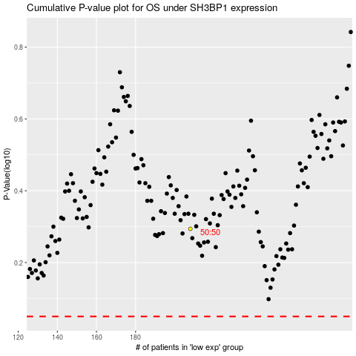

 |  |  |  |  |  | cases_OS | p_OS | rank | exp
 |  |  |  |  |  |  | cases_RFS | p_RFS | rank | exp

