SH3BP4 _multivariate
Reported by Tex Li-Hsing Chi. tex@gate.sinica.edu.tw 2019-08-16

Table 2. The clinicopathological features of HNSCC cohort and SH3BP4 expression. (Chi square test)
Cutoff at -0.058 (49.8%)
 |  | SH3BP4 expression |  | SH3BP4 expression |  | (Optimised)
 | Features | Low | (%) | High | (%) | Case no | P-value | Remark | Matthews
Gender | Female | 150 | 36.1 | 156 | 37.6 | 415 | 0.6344 | 0 | 0
2 | Male | 57 | 13.7 | 52 | 12.5
Age at diagnosis | <=65y | 138 | 33.3 | 136 | 32.8 | 415 | 0.8634 | 0 | 0
4 | >65y | 69 | 16.6 | 72 | 17.3
Clinical T Status | T1+T2 | 69 | 16.6 | 80 | 19.3 | 415 | 0.3239 | 0 | 0
6 | T3+T4 | 138 | 33.3 | 128 | 30.8
Clinical N Status | N0 | 109 | 26.3 | 107 | 25.8 | 415 | 0.8812 | 0 | 0
8 | N1-3 | 98 | 23.6 | 101 | 24.3
Clinical M Status | M0 | 205 | 49.4 | 207 | 49.9 | 415 | 0.6232 | 0 | 0
10 | M1 | 2 | 0.5 | 1 | 0.2
Clinical Stage | Stage I+II | 46 | 11.1 | 56 | 13.5 | 415 | 0.3182 | 0 | 0
12 | Stage III+IV | 161 | 38.8 | 152 | 36.6
Surgical Margin status | Negative | 152 | 36.6 | 166 | 40 | 415 | 0.1329 | 0 | 0
14 | Positive | 55 | 13.3 | 42 | 10.1
Tobacco Exposure | Low | 92 | 22.2 | 69 | 16.6 | 415 | 0.0206 | 1 | 0
16 | High | 115 | 27.7 | 139 | 33.5

Table 3. Univariate/Multivariate Cox's proportional hazards regression analyses on OS time of SH3BP4 gene expression in HNSCC

 |  | Univariate |  |  |  | Multivariate
 | Features | HR | CI95%(L) | CI95%(H) | P-value | HR | CI95%(L) | CI95%(H) | P-value
1 | Female | 1 |  |  |  | 1
Gender | Male | 1.157 | 0.843 | 1.587 | 0.367 | 1.196 | 0.856 | 1.672 | 0.294
11 | <=65y | 1 |  |  |  | 1
Age at diagnosis | >65y | 1.329 | 0.99 | 1.784 | 0.058 | 1.396 | 1.026 | 1.899 | 0.033
12 | T1+T2 | 1 |  |  |  | 1
Clinical T Status | T3+T4 | 1.409 | 1.028 | 1.931 | 0.033 | 2.203 | 1.165 | 4.166 | 0.015
13 | N0 | 1 |  |  |  | 1
Clinical N Status | N1-3 | 1.185 | 0.89 | 1.577 | 0.246 | 1.242 | 0.871 | 1.771 | 0.232
14 | M0 | 1 |  |  |  | 1
Clinical M Status | M1 | 4.097 | 1.009 | 16.644 | 0.049 | 9.344 | 2.037 | 42.851 | 0.004
15 | Stage I+II | 1 |  |  |  | 1
Clinical Stage | Stage III+IV | 1.245 | 0.882 | 1.759 | 0.213 | 0.504 | 0.235 | 1.081 | 0.079
16 | Negative | 1 |  |  |  | 1
Surgical Margin status | Positive | 1.591 | 1.155 | 2.191 | 0.004 | 1.667 | 1.206 | 2.304 | 0.002
17 | Low | 1 |  |  |  | 1
Tobacco Exposure | High | 1.364 | 1.008 | 1.844 | 0.044 | 1.461 | 1.059 | 2.016 | 0.021
18 | Low | 1 |  |  |  | 1
RNAseq(z-score) | High | 0.968 | 0.724 | 1.294 | 0.828 | 0.948 | 0.707 | 1.271 | 0.721

Table 4. Univariate/Multivariate Cox's proportional hazards regression analyses on RFS time of SH3BP4 gene expression in HNSCC

 |  | Univariate |  |  |  | Multivariate
 | Features | HR | CI95%(L) | CI95%(H) | P-value | HR | CI95%(L) | CI95%(H) | P-value
1 | Female | 1 |  |  |  | 1
Gender | Male | 1.157 | 0.843 | 1.587 | 0.367 | 1.196 | 0.856 | 1.672 | 0.294
11 | <=65y | 1 |  |  |  | 1
Age at diagnosis | >65y | 1.329 | 0.99 | 1.784 | 0.058 | 1.396 | 1.026 | 1.899 | 0.033
12 | T1+T2 | 1 |  |  |  | 1
Clinical T Status | T3+T4 | 1.409 | 1.028 | 1.931 | 0.033 | 2.203 | 1.165 | 4.166 | 0.015
13 | N0 | 1 |  |  |  | 1
Clinical N Status | N1-3 | 1.185 | 0.89 | 1.577 | 0.246 | 1.242 | 0.871 | 1.771 | 0.232
14 | M0 | 1 |  |  |  | 1
Clinical M Status | M1 | 4.097 | 1.009 | 16.644 | 0.049 | 9.344 | 2.037 | 42.851 | 0.004
15 | Stage I+II | 1 |  |  |  | 1
Clinical Stage | Stage III+IV | 1.245 | 0.882 | 1.759 | 0.213 | 0.504 | 0.235 | 1.081 | 0.079
16 | Negative | 1 |  |  |  | 1
Surgical Margin status | Positive | 1.591 | 1.155 | 2.191 | 0.004 | 1.667 | 1.206 | 2.304 | 0.002
17 | Low | 1 |  |  |  | 1
Tobacco Exposure | High | 1.364 | 1.008 | 1.844 | 0.044 | 1.461 | 1.059 | 2.016 | 0.021
18 | Low | 1 |  |  |  | 1
RNAseq(z-score) | High | 0.968 | 0.724 | 1.294 | 0.828 | 0.948 | 0.707 | 1.271 | 0.721

Kaplan-Meier survival estimate: Cutoff at -0.058 (49.8%)



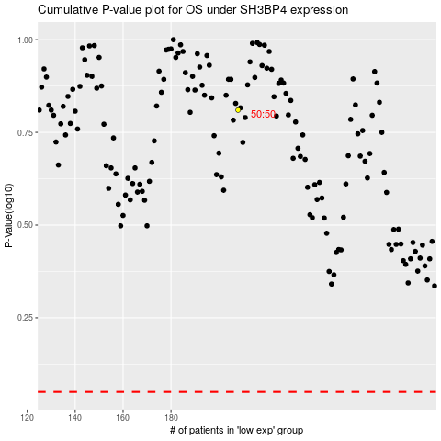

 |  |  |  |  |  | cases_OS | p_OS | rank | exp
 |  |  |  |  |  |  | cases_RFS | p_RFS | rank | exp

