SH3D20 _multivariate
Reported by Tex Li-Hsing Chi. tex@gate.sinica.edu.tw 2019-08-16

Table 2. The clinicopathological features of HNSCC cohort and SH3D20 expression. (Chi square test)
Cutoff at 0.017 (64.7%)
 |  | SH3D20 expression |  | SH3D20 expression |  | (Optimised)
 | Features | Low | (%) | High | (%) | Case no | P-value | Remark | Matthews
Gender | Female | 201 | 48.4 | 105 | 25.3 | 415 | 0.615 | 0 | 0
2 | Male | 68 | 16.4 | 41 | 9.9
Age at diagnosis | <=65y | 180 | 43.4 | 94 | 22.7 | 415 | 0.6808 | 0 | 0
4 | >65y | 89 | 21.4 | 52 | 12.5
Clinical T Status | T1+T2 | 102 | 24.6 | 47 | 11.3 | 415 | 0.2918 | 0 | 0
6 | T3+T4 | 167 | 40.2 | 99 | 23.9
Clinical N Status | N0 | 128 | 30.8 | 88 | 21.2 | 415 | 0.0179 | 1 | 0
8 | N1-3 | 141 | 34 | 58 | 14
Clinical M Status | M0 | 267 | 64.3 | 145 | 34.9 | 415 | 1 | 0 | 0
10 | M1 | 2 | 0.5 | 1 | 0.2
Clinical Stage | Stage I+II | 66 | 15.9 | 36 | 8.7 | 415 | 1 | 0 | 0
12 | Stage III+IV | 203 | 48.9 | 110 | 26.5
Surgical Margin status | Negative | 204 | 49.2 | 114 | 27.5 | 415 | 0.6293 | 0 | 0
14 | Positive | 65 | 15.7 | 32 | 7.7
Tobacco Exposure | Low | 101 | 24.3 | 60 | 14.5 | 415 | 0.527 | 0 | 0
16 | High | 168 | 40.5 | 86 | 20.7

Table 3. Univariate/Multivariate Cox's proportional hazards regression analyses on OS time of SH3D20 gene expression in HNSCC

 |  | Univariate |  |  |  | Multivariate
 | Features | HR | CI95%(L) | CI95%(H) | P-value | HR | CI95%(L) | CI95%(H) | P-value
1 | Female | 1 |  |  |  | 1
Gender | Male | 1.157 | 0.843 | 1.587 | 0.367 | 1.195 | 0.857 | 1.667 | 0.293
11 | <=65y | 1 |  |  |  | 1
Age at diagnosis | >65y | 1.329 | 0.99 | 1.784 | 0.058 | 1.408 | 1.035 | 1.914 | 0.029
12 | T1+T2 | 1 |  |  |  | 1
Clinical T Status | T3+T4 | 1.409 | 1.028 | 1.931 | 0.033 | 2.293 | 1.212 | 4.337 | 0.011
13 | N0 | 1 |  |  |  | 1
Clinical N Status | N1-3 | 1.185 | 0.89 | 1.577 | 0.246 | 1.185 | 0.829 | 1.693 | 0.352
14 | M0 | 1 |  |  |  | 1
Clinical M Status | M1 | 4.097 | 1.009 | 16.644 | 0.049 | 10.063 | 2.193 | 46.179 | 0.003
15 | Stage I+II | 1 |  |  |  | 1
Clinical Stage | Stage III+IV | 1.245 | 0.882 | 1.759 | 0.213 | 0.512 | 0.239 | 1.099 | 0.086
16 | Negative | 1 |  |  |  | 1
Surgical Margin status | Positive | 1.591 | 1.155 | 2.191 | 0.004 | 1.638 | 1.185 | 2.262 | 0.003
17 | Low | 1 |  |  |  | 1
Tobacco Exposure | High | 1.364 | 1.008 | 1.844 | 0.044 | 1.42 | 1.031 | 1.954 | 0.032
18 | Low | 1 |  |  |  | 1
RNAseq(z-score) | High | 0.722 | 0.526 | 0.989 | 0.042 | 0.707 | 0.513 | 0.975 | 0.034

Table 4. Univariate/Multivariate Cox's proportional hazards regression analyses on RFS time of SH3D20 gene expression in HNSCC

 |  | Univariate |  |  |  | Multivariate
 | Features | HR | CI95%(L) | CI95%(H) | P-value | HR | CI95%(L) | CI95%(H) | P-value
1 | Female | 1 |  |  |  | 1
Gender | Male | 1.157 | 0.843 | 1.587 | 0.367 | 1.195 | 0.857 | 1.667 | 0.293
11 | <=65y | 1 |  |  |  | 1
Age at diagnosis | >65y | 1.329 | 0.99 | 1.784 | 0.058 | 1.408 | 1.035 | 1.914 | 0.029
12 | T1+T2 | 1 |  |  |  | 1
Clinical T Status | T3+T4 | 1.409 | 1.028 | 1.931 | 0.033 | 2.293 | 1.212 | 4.337 | 0.011
13 | N0 | 1 |  |  |  | 1
Clinical N Status | N1-3 | 1.185 | 0.89 | 1.577 | 0.246 | 1.185 | 0.829 | 1.693 | 0.352
14 | M0 | 1 |  |  |  | 1
Clinical M Status | M1 | 4.097 | 1.009 | 16.644 | 0.049 | 10.063 | 2.193 | 46.179 | 0.003
15 | Stage I+II | 1 |  |  |  | 1
Clinical Stage | Stage III+IV | 1.245 | 0.882 | 1.759 | 0.213 | 0.512 | 0.239 | 1.099 | 0.086
16 | Negative | 1 |  |  |  | 1
Surgical Margin status | Positive | 1.591 | 1.155 | 2.191 | 0.004 | 1.638 | 1.185 | 2.262 | 0.003
17 | Low | 1 |  |  |  | 1
Tobacco Exposure | High | 1.364 | 1.008 | 1.844 | 0.044 | 1.42 | 1.031 | 1.954 | 0.032
18 | Low | 1 |  |  |  | 1
RNAseq(z-score) | High | 0.722 | 0.526 | 0.989 | 0.042 | 0.707 | 0.513 | 0.975 | 0.034

Kaplan-Meier survival estimate: Cutoff at 0.017 (64.7%)



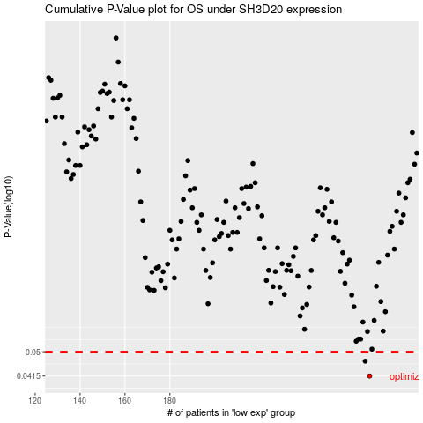

 |  |  |  |  |  | cases_OS | p_OS | rank | exp
 |  |  |  |  |  | 269 | 0.0415 | 116 | 0.017265866829
 |  |  |  |  |  | 267 | 0.0465 | 49 | 0.0014370426102
 |  |  |  |  |  |  | cases_RFS | p_RFS | rank | exp
 |  |  |  |  |  |  | 268 | 0.0415 | 394 | 0.0033991049953
 |  |  |  |  |  |  | 266 | 0.0465 | 113 | -0.00023755482087

