SH3GL3 _multivariate
Reported by Tex Li-Hsing Chi. tex@gate.sinica.edu.tw 2019-08-16

Table 2. The clinicopathological features of HNSCC cohort and SH3GL3 expression. (Chi square test)
Cutoff at -0.339 (49.8%)
 |  | SH3GL3 expression |  | SH3GL3 expression |  | (Optimised)
 | Features | Low | (%) | High | (%) | Case no | P-value | Remark | Matthews
Gender | Female | 151 | 36.4 | 155 | 37.3 | 415 | 0.8007 | 0 | 0
2 | Male | 56 | 13.5 | 53 | 12.8
Age at diagnosis | <=65y | 130 | 31.3 | 144 | 34.7 | 415 | 0.2009 | 0 | 0
4 | >65y | 77 | 18.6 | 64 | 15.4
Clinical T Status | T1+T2 | 66 | 15.9 | 83 | 20 | 415 | 0.1095 | 0 | 0
6 | T3+T4 | 141 | 34 | 125 | 30.1
Clinical N Status | N0 | 98 | 23.6 | 118 | 28.4 | 415 | 0.0694 | 0 | 0
8 | N1-3 | 109 | 26.3 | 90 | 21.7
Clinical M Status | M0 | 206 | 49.6 | 206 | 49.6 | 415 | 1 | 0 | 0
10 | M1 | 1 | 0.2 | 2 | 0.5
Clinical Stage | Stage I+II | 43 | 10.4 | 59 | 14.2 | 415 | 0.0925 | 0 | 0
12 | Stage III+IV | 164 | 39.5 | 149 | 35.9
Surgical Margin status | Negative | 159 | 38.3 | 159 | 38.3 | 415 | 1 | 0 | 0
14 | Positive | 48 | 11.6 | 49 | 11.8
Tobacco Exposure | Low | 75 | 18.1 | 86 | 20.7 | 415 | 0.3141 | 0 | 0
16 | High | 132 | 31.8 | 122 | 29.4

Table 3. Univariate/Multivariate Cox's proportional hazards regression analyses on OS time of SH3GL3 gene expression in HNSCC

 |  | Univariate |  |  |  | Multivariate
 | Features | HR | CI95%(L) | CI95%(H) | P-value | HR | CI95%(L) | CI95%(H) | P-value
1 | Female | 1 |  |  |  | 1
Gender | Male | 1.157 | 0.843 | 1.587 | 0.367 | 1.206 | 0.863 | 1.686 | 0.272
11 | <=65y | 1 |  |  |  | 1
Age at diagnosis | >65y | 1.329 | 0.99 | 1.784 | 0.058 | 1.378 | 1.011 | 1.879 | 0.043
12 | T1+T2 | 1 |  |  |  | 1
Clinical T Status | T3+T4 | 1.409 | 1.028 | 1.931 | 0.033 | 2.19 | 1.158 | 4.141 | 0.016
13 | N0 | 1 |  |  |  | 1
Clinical N Status | N1-3 | 1.185 | 0.89 | 1.577 | 0.246 | 1.237 | 0.867 | 1.766 | 0.241
14 | M0 | 1 |  |  |  | 1
Clinical M Status | M1 | 4.097 | 1.009 | 16.644 | 0.049 | 9.468 | 2.065 | 43.41 | 0.004
15 | Stage I+II | 1 |  |  |  | 1
Clinical Stage | Stage III+IV | 1.245 | 0.882 | 1.759 | 0.213 | 0.503 | 0.235 | 1.081 | 0.078
16 | Negative | 1 |  |  |  | 1
Surgical Margin status | Positive | 1.591 | 1.155 | 2.191 | 0.004 | 1.674 | 1.211 | 2.313 | 0.002
17 | Low | 1 |  |  |  | 1
Tobacco Exposure | High | 1.364 | 1.008 | 1.844 | 0.044 | 1.451 | 1.053 | 2 | 0.023
18 | Low | 1 |  |  |  | 1
RNAseq(z-score) | High | 0.868 | 0.65 | 1.16 | 0.339 | 0.932 | 0.694 | 1.251 | 0.637

Table 4. Univariate/Multivariate Cox's proportional hazards regression analyses on RFS time of SH3GL3 gene expression in HNSCC

 |  | Univariate |  |  |  | Multivariate
 | Features | HR | CI95%(L) | CI95%(H) | P-value | HR | CI95%(L) | CI95%(H) | P-value
1 | Female | 1 |  |  |  | 1
Gender | Male | 1.157 | 0.843 | 1.587 | 0.367 | 1.206 | 0.863 | 1.686 | 0.272
11 | <=65y | 1 |  |  |  | 1
Age at diagnosis | >65y | 1.329 | 0.99 | 1.784 | 0.058 | 1.378 | 1.011 | 1.879 | 0.043
12 | T1+T2 | 1 |  |  |  | 1
Clinical T Status | T3+T4 | 1.409 | 1.028 | 1.931 | 0.033 | 2.19 | 1.158 | 4.141 | 0.016
13 | N0 | 1 |  |  |  | 1
Clinical N Status | N1-3 | 1.185 | 0.89 | 1.577 | 0.246 | 1.237 | 0.867 | 1.766 | 0.241
14 | M0 | 1 |  |  |  | 1
Clinical M Status | M1 | 4.097 | 1.009 | 16.644 | 0.049 | 9.468 | 2.065 | 43.41 | 0.004
15 | Stage I+II | 1 |  |  |  | 1
Clinical Stage | Stage III+IV | 1.245 | 0.882 | 1.759 | 0.213 | 0.503 | 0.235 | 1.081 | 0.078
16 | Negative | 1 |  |  |  | 1
Surgical Margin status | Positive | 1.591 | 1.155 | 2.191 | 0.004 | 1.674 | 1.211 | 2.313 | 0.002
17 | Low | 1 |  |  |  | 1
Tobacco Exposure | High | 1.364 | 1.008 | 1.844 | 0.044 | 1.451 | 1.053 | 2 | 0.023
18 | Low | 1 |  |  |  | 1
RNAseq(z-score) | High | 0.868 | 0.65 | 1.16 | 0.339 | 0.932 | 0.694 | 1.251 | 0.637

Kaplan-Meier survival estimate: Cutoff at -0.339 (49.8%)



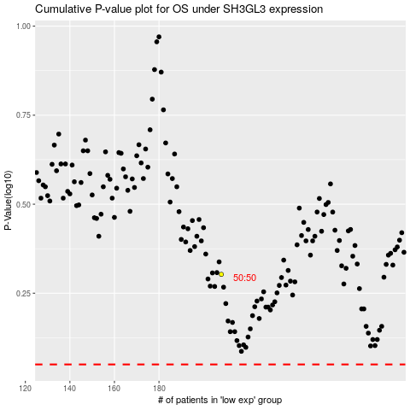

 |  |  |  |  |  | cases_OS | p_OS | rank | exp
 |  |  |  |  |  |  | cases_RFS | p_RFS | rank | exp

