SH3GLB1 _multivariate
Reported by Tex Li-Hsing Chi. tex@gate.sinica.edu.tw 2019-08-16

Table 2. The clinicopathological features of HNSCC cohort and SH3GLB1 expression. (Chi square test)
Cutoff at -0.148 (50.0%)
 |  | SH3GLB1 expression |  | SH3GLB1 expression |  | (Optimised)
 | Features | Low | (%) | High | (%) | Case no | P-value | Remark | Matthews
Gender | Female | 159 | 38.3 | 147 | 35.4 | 415 | 0.1905 | 0 | 0
2 | Male | 48 | 11.6 | 61 | 14.7
Age at diagnosis | <=65y | 135 | 32.5 | 139 | 33.5 | 415 | 0.8084 | 0 | 0
4 | >65y | 72 | 17.3 | 69 | 16.6
Clinical T Status | T1+T2 | 66 | 15.9 | 83 | 20 | 415 | 0.1095 | 0 | 0
6 | T3+T4 | 141 | 34 | 125 | 30.1
Clinical N Status | N0 | 106 | 25.5 | 110 | 26.5 | 415 | 0.8075 | 0 | 0
8 | N1-3 | 101 | 24.3 | 98 | 23.6
Clinical M Status | M0 | 206 | 49.6 | 206 | 49.6 | 415 | 1 | 0 | 0
10 | M1 | 1 | 0.2 | 2 | 0.5
Clinical Stage | Stage I+II | 43 | 10.4 | 59 | 14.2 | 415 | 0.0925 | 0 | 0
12 | Stage III+IV | 164 | 39.5 | 149 | 35.9
Surgical Margin status | Negative | 157 | 37.8 | 161 | 38.8 | 415 | 0.729 | 0 | 0
14 | Positive | 50 | 12 | 47 | 11.3
Tobacco Exposure | Low | 72 | 17.3 | 89 | 21.4 | 415 | 0.1071 | 0 | 0
16 | High | 135 | 32.5 | 119 | 28.7

Table 3. Univariate/Multivariate Cox's proportional hazards regression analyses on OS time of SH3GLB1 gene expression in HNSCC

 |  | Univariate |  |  |  | Multivariate
 | Features | HR | CI95%(L) | CI95%(H) | P-value | HR | CI95%(L) | CI95%(H) | P-value
1 | Female | 1 |  |  |  | 1
Gender | Male | 1.157 | 0.843 | 1.587 | 0.367 | 1.209 | 0.864 | 1.692 | 0.269
11 | <=65y | 1 |  |  |  | 1
Age at diagnosis | >65y | 1.329 | 0.99 | 1.784 | 0.058 | 1.384 | 1.017 | 1.883 | 0.038
12 | T1+T2 | 1 |  |  |  | 1
Clinical T Status | T3+T4 | 1.409 | 1.028 | 1.931 | 0.033 | 2.19 | 1.158 | 4.142 | 0.016
13 | N0 | 1 |  |  |  | 1
Clinical N Status | N1-3 | 1.185 | 0.89 | 1.577 | 0.246 | 1.245 | 0.872 | 1.777 | 0.228
14 | M0 | 1 |  |  |  | 1
Clinical M Status | M1 | 4.097 | 1.009 | 16.644 | 0.049 | 9.764 | 2.125 | 44.872 | 0.003
15 | Stage I+II | 1 |  |  |  | 1
Clinical Stage | Stage III+IV | 1.245 | 0.882 | 1.759 | 0.213 | 0.497 | 0.231 | 1.068 | 0.073
16 | Negative | 1 |  |  |  | 1
Surgical Margin status | Positive | 1.591 | 1.155 | 2.191 | 0.004 | 1.676 | 1.213 | 2.316 | 0.002
17 | Low | 1 |  |  |  | 1
Tobacco Exposure | High | 1.364 | 1.008 | 1.844 | 0.044 | 1.453 | 1.053 | 2.004 | 0.023
18 | Low | 1 |  |  |  | 1
RNAseq(z-score) | High | 0.865 | 0.65 | 1.153 | 0.323 | 0.881 | 0.659 | 1.178 | 0.393

Table 4. Univariate/Multivariate Cox's proportional hazards regression analyses on RFS time of SH3GLB1 gene expression in HNSCC

 |  | Univariate |  |  |  | Multivariate
 | Features | HR | CI95%(L) | CI95%(H) | P-value | HR | CI95%(L) | CI95%(H) | P-value
1 | Female | 1 |  |  |  | 1
Gender | Male | 1.157 | 0.843 | 1.587 | 0.367 | 1.209 | 0.864 | 1.692 | 0.269
11 | <=65y | 1 |  |  |  | 1
Age at diagnosis | >65y | 1.329 | 0.99 | 1.784 | 0.058 | 1.384 | 1.017 | 1.883 | 0.038
12 | T1+T2 | 1 |  |  |  | 1
Clinical T Status | T3+T4 | 1.409 | 1.028 | 1.931 | 0.033 | 2.19 | 1.158 | 4.142 | 0.016
13 | N0 | 1 |  |  |  | 1
Clinical N Status | N1-3 | 1.185 | 0.89 | 1.577 | 0.246 | 1.245 | 0.872 | 1.777 | 0.228
14 | M0 | 1 |  |  |  | 1
Clinical M Status | M1 | 4.097 | 1.009 | 16.644 | 0.049 | 9.764 | 2.125 | 44.872 | 0.003
15 | Stage I+II | 1 |  |  |  | 1
Clinical Stage | Stage III+IV | 1.245 | 0.882 | 1.759 | 0.213 | 0.497 | 0.231 | 1.068 | 0.073
16 | Negative | 1 |  |  |  | 1
Surgical Margin status | Positive | 1.591 | 1.155 | 2.191 | 0.004 | 1.676 | 1.213 | 2.316 | 0.002
17 | Low | 1 |  |  |  | 1
Tobacco Exposure | High | 1.364 | 1.008 | 1.844 | 0.044 | 1.453 | 1.053 | 2.004 | 0.023
18 | Low | 1 |  |  |  | 1
RNAseq(z-score) | High | 0.865 | 0.65 | 1.153 | 0.323 | 0.881 | 0.659 | 1.178 | 0.393

Kaplan-Meier survival estimate: Cutoff at -0.148 (50.0%)



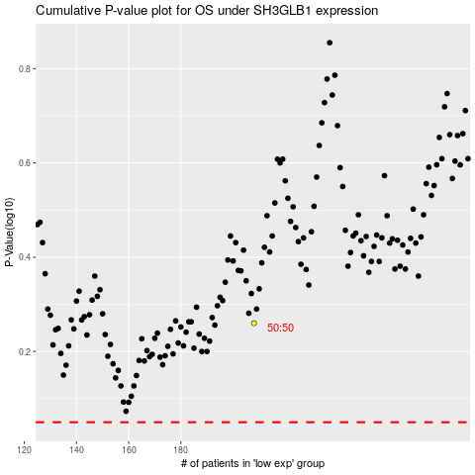

 |  |  |  |  |  | cases_OS | p_OS | rank | exp
 |  |  |  |  |  |  | cases_RFS | p_RFS | rank | exp

