SH3GLB2 _multivariate
Reported by Tex Li-Hsing Chi. tex@gate.sinica.edu.tw 2019-08-16

Table 2. The clinicopathological features of HNSCC cohort and SH3GLB2 expression. (Chi square test)
Cutoff at -0.338 (50.0%)
 |  | SH3GLB2 expression |  | SH3GLB2 expression |  | (Optimised)
 | Features | Low | (%) | High | (%) | Case no | P-value | Remark | Matthews
Gender | Female | 156 | 37.6 | 150 | 36.1 | 415 | 0.5222 | 0 | 0
2 | Male | 51 | 12.3 | 58 | 14
Age at diagnosis | <=65y | 130 | 31.3 | 144 | 34.7 | 415 | 0.2009 | 0 | 0
4 | >65y | 77 | 18.6 | 64 | 15.4
Clinical T Status | T1+T2 | 77 | 18.6 | 72 | 17.3 | 415 | 0.6556 | 0 | 0
6 | T3+T4 | 130 | 31.3 | 136 | 32.8
Clinical N Status | N0 | 105 | 25.3 | 111 | 26.7 | 415 | 0.6598 | 0 | 0
8 | N1-3 | 102 | 24.6 | 97 | 23.4
Clinical M Status | M0 | 207 | 49.9 | 205 | 49.4 | 415 | 0.2482 | 0 | 0
10 | M1 | 0 | 0 | 3 | 0.7
Clinical Stage | Stage I+II | 54 | 13 | 48 | 11.6 | 415 | 0.5498 | 0 | 0
12 | Stage III+IV | 153 | 36.9 | 160 | 38.6
Surgical Margin status | Negative | 165 | 39.8 | 153 | 36.9 | 415 | 0.1639 | 0 | 0
14 | Positive | 42 | 10.1 | 55 | 13.3
Tobacco Exposure | Low | 75 | 18.1 | 86 | 20.7 | 415 | 0.3141 | 0 | 0
16 | High | 132 | 31.8 | 122 | 29.4

Table 3. Univariate/Multivariate Cox's proportional hazards regression analyses on OS time of SH3GLB2 gene expression in HNSCC

 |  | Univariate |  |  |  | Multivariate
 | Features | HR | CI95%(L) | CI95%(H) | P-value | HR | CI95%(L) | CI95%(H) | P-value
1 | Female | 1 |  |  |  | 1
Gender | Male | 1.157 | 0.843 | 1.587 | 0.367 | 1.219 | 0.872 | 1.704 | 0.246
11 | <=65y | 1 |  |  |  | 1
Age at diagnosis | >65y | 1.329 | 0.99 | 1.784 | 0.058 | 1.371 | 1.008 | 1.865 | 0.045
12 | T1+T2 | 1 |  |  |  | 1
Clinical T Status | T3+T4 | 1.409 | 1.028 | 1.931 | 0.033 | 2.202 | 1.165 | 4.161 | 0.015
13 | N0 | 1 |  |  |  | 1
Clinical N Status | N1-3 | 1.185 | 0.89 | 1.577 | 0.246 | 1.226 | 0.859 | 1.751 | 0.262
14 | M0 | 1 |  |  |  | 1
Clinical M Status | M1 | 4.097 | 1.009 | 16.644 | 0.049 | 10.382 | 2.245 | 48.003 | 0.003
15 | Stage I+II | 1 |  |  |  | 1
Clinical Stage | Stage III+IV | 1.245 | 0.882 | 1.759 | 0.213 | 0.514 | 0.239 | 1.103 | 0.088
16 | Negative | 1 |  |  |  | 1
Surgical Margin status | Positive | 1.591 | 1.155 | 2.191 | 0.004 | 1.699 | 1.229 | 2.349 | 0.001
17 | Low | 1 |  |  |  | 1
Tobacco Exposure | High | 1.364 | 1.008 | 1.844 | 0.044 | 1.432 | 1.038 | 1.974 | 0.028
18 | Low | 1 |  |  |  | 1
RNAseq(z-score) | High | 0.86 | 0.645 | 1.147 | 0.306 | 0.834 | 0.621 | 1.119 | 0.226

Table 4. Univariate/Multivariate Cox's proportional hazards regression analyses on RFS time of SH3GLB2 gene expression in HNSCC

 |  | Univariate |  |  |  | Multivariate
 | Features | HR | CI95%(L) | CI95%(H) | P-value | HR | CI95%(L) | CI95%(H) | P-value
1 | Female | 1 |  |  |  | 1
Gender | Male | 1.157 | 0.843 | 1.587 | 0.367 | 1.219 | 0.872 | 1.704 | 0.246
11 | <=65y | 1 |  |  |  | 1
Age at diagnosis | >65y | 1.329 | 0.99 | 1.784 | 0.058 | 1.371 | 1.008 | 1.865 | 0.045
12 | T1+T2 | 1 |  |  |  | 1
Clinical T Status | T3+T4 | 1.409 | 1.028 | 1.931 | 0.033 | 2.202 | 1.165 | 4.161 | 0.015
13 | N0 | 1 |  |  |  | 1
Clinical N Status | N1-3 | 1.185 | 0.89 | 1.577 | 0.246 | 1.226 | 0.859 | 1.751 | 0.262
14 | M0 | 1 |  |  |  | 1
Clinical M Status | M1 | 4.097 | 1.009 | 16.644 | 0.049 | 10.382 | 2.245 | 48.003 | 0.003
15 | Stage I+II | 1 |  |  |  | 1
Clinical Stage | Stage III+IV | 1.245 | 0.882 | 1.759 | 0.213 | 0.514 | 0.239 | 1.103 | 0.088
16 | Negative | 1 |  |  |  | 1
Surgical Margin status | Positive | 1.591 | 1.155 | 2.191 | 0.004 | 1.699 | 1.229 | 2.349 | 0.001
17 | Low | 1 |  |  |  | 1
Tobacco Exposure | High | 1.364 | 1.008 | 1.844 | 0.044 | 1.432 | 1.038 | 1.974 | 0.028
18 | Low | 1 |  |  |  | 1
RNAseq(z-score) | High | 0.86 | 0.645 | 1.147 | 0.306 | 0.834 | 0.621 | 1.119 | 0.226

Kaplan-Meier survival estimate: Cutoff at -0.338 (50.0%)



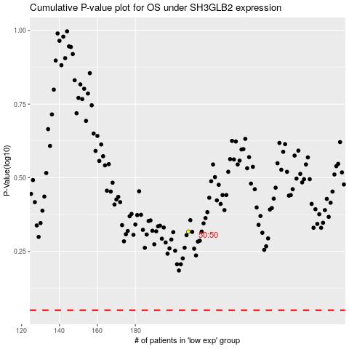

 |  |  |  |  |  | cases_OS | p_OS | rank | exp
 |  |  |  |  |  |  | cases_RFS | p_RFS | rank | exp

