SH3KBP1 _multivariate
Reported by Tex Li-Hsing Chi. tex@gate.sinica.edu.tw 2019-08-16

Table 2. The clinicopathological features of HNSCC cohort and SH3KBP1 expression. (Chi square test)
Cutoff at -0.235 (50.0%)
 |  | SH3KBP1 expression |  | SH3KBP1 expression |  | (Optimised)
 | Features | Low | (%) | High | (%) | Case no | P-value | Remark | Matthews
Gender | Female | 163 | 39.3 | 143 | 34.5 | 415 | 0.0277 | 1 | 0
2 | Male | 44 | 10.6 | 65 | 15.7
Age at diagnosis | <=65y | 138 | 33.3 | 136 | 32.8 | 415 | 0.8634 | 0 | 0
4 | >65y | 69 | 16.6 | 72 | 17.3
Clinical T Status | T1+T2 | 65 | 15.7 | 84 | 20.2 | 415 | 0.0711 | 0 | 0
6 | T3+T4 | 142 | 34.2 | 124 | 29.9
Clinical N Status | N0 | 114 | 27.5 | 102 | 24.6 | 415 | 0.2576 | 1 | 0
8 | N1-3 | 93 | 22.4 | 106 | 25.5
Clinical M Status | M0 | 204 | 49.2 | 208 | 50.1 | 415 | 0.1232 | 0 | 0
10 | M1 | 3 | 0.7 | 0 | 0
Clinical Stage | Stage I+II | 45 | 10.8 | 57 | 13.7 | 415 | 0.2202 | 0 | 0
12 | Stage III+IV | 162 | 39 | 151 | 36.4
Surgical Margin status | Negative | 159 | 38.3 | 159 | 38.3 | 415 | 1 | 0 | 0
14 | Positive | 48 | 11.6 | 49 | 11.8
Tobacco Exposure | Low | 68 | 16.4 | 93 | 22.4 | 415 | 0.0156 | 1 | 0
16 | High | 139 | 33.5 | 115 | 27.7

Table 3. Univariate/Multivariate Cox's proportional hazards regression analyses on OS time of SH3KBP1 gene expression in HNSCC

 |  | Univariate |  |  |  | Multivariate
 | Features | HR | CI95%(L) | CI95%(H) | P-value | HR | CI95%(L) | CI95%(H) | P-value
1 | Female | 1 |  |  |  | 1
Gender | Male | 1.157 | 0.843 | 1.587 | 0.367 | 1.185 | 0.848 | 1.655 | 0.321
11 | <=65y | 1 |  |  |  | 1
Age at diagnosis | >65y | 1.329 | 0.99 | 1.784 | 0.058 | 1.382 | 1.016 | 1.88 | 0.039
12 | T1+T2 | 1 |  |  |  | 1
Clinical T Status | T3+T4 | 1.409 | 1.028 | 1.931 | 0.033 | 2.256 | 1.191 | 4.272 | 0.013
13 | N0 | 1 |  |  |  | 1
Clinical N Status | N1-3 | 1.185 | 0.89 | 1.577 | 0.246 | 1.218 | 0.852 | 1.741 | 0.279
14 | M0 | 1 |  |  |  | 1
Clinical M Status | M1 | 4.097 | 1.009 | 16.644 | 0.049 | 10.411 | 2.244 | 48.303 | 0.003
15 | Stage I+II | 1 |  |  |  | 1
Clinical Stage | Stage III+IV | 1.245 | 0.882 | 1.759 | 0.213 | 0.509 | 0.237 | 1.093 | 0.083
16 | Negative | 1 |  |  |  | 1
Surgical Margin status | Positive | 1.591 | 1.155 | 2.191 | 0.004 | 1.668 | 1.207 | 2.304 | 0.002
17 | Low | 1 |  |  |  | 1
Tobacco Exposure | High | 1.364 | 1.008 | 1.844 | 0.044 | 1.477 | 1.071 | 2.037 | 0.018
18 | Low | 1 |  |  |  | 1
RNAseq(z-score) | High | 1.086 | 0.815 | 1.446 | 0.574 | 1.176 | 0.874 | 1.582 | 0.283

Table 4. Univariate/Multivariate Cox's proportional hazards regression analyses on RFS time of SH3KBP1 gene expression in HNSCC

 |  | Univariate |  |  |  | Multivariate
 | Features | HR | CI95%(L) | CI95%(H) | P-value | HR | CI95%(L) | CI95%(H) | P-value
1 | Female | 1 |  |  |  | 1
Gender | Male | 1.157 | 0.843 | 1.587 | 0.367 | 1.185 | 0.848 | 1.655 | 0.321
11 | <=65y | 1 |  |  |  | 1
Age at diagnosis | >65y | 1.329 | 0.99 | 1.784 | 0.058 | 1.382 | 1.016 | 1.88 | 0.039
12 | T1+T2 | 1 |  |  |  | 1
Clinical T Status | T3+T4 | 1.409 | 1.028 | 1.931 | 0.033 | 2.256 | 1.191 | 4.272 | 0.013
13 | N0 | 1 |  |  |  | 1
Clinical N Status | N1-3 | 1.185 | 0.89 | 1.577 | 0.246 | 1.218 | 0.852 | 1.741 | 0.279
14 | M0 | 1 |  |  |  | 1
Clinical M Status | M1 | 4.097 | 1.009 | 16.644 | 0.049 | 10.411 | 2.244 | 48.303 | 0.003
15 | Stage I+II | 1 |  |  |  | 1
Clinical Stage | Stage III+IV | 1.245 | 0.882 | 1.759 | 0.213 | 0.509 | 0.237 | 1.093 | 0.083
16 | Negative | 1 |  |  |  | 1
Surgical Margin status | Positive | 1.591 | 1.155 | 2.191 | 0.004 | 1.668 | 1.207 | 2.304 | 0.002
17 | Low | 1 |  |  |  | 1
Tobacco Exposure | High | 1.364 | 1.008 | 1.844 | 0.044 | 1.477 | 1.071 | 2.037 | 0.018
18 | Low | 1 |  |  |  | 1
RNAseq(z-score) | High | 1.086 | 0.815 | 1.446 | 0.574 | 1.176 | 0.874 | 1.582 | 0.283

Kaplan-Meier survival estimate: Cutoff at -0.235 (50.0%)



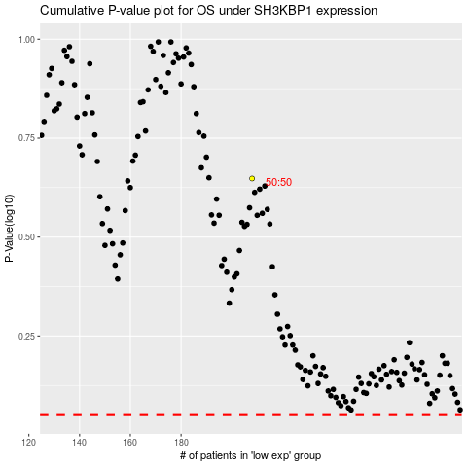

 |  |  |  |  |  | cases_OS | p_OS | rank | exp
 |  |  |  |  |  |  | cases_RFS | p_RFS | rank | exp

