SH3PXD2A _multivariate
Reported by Tex Li-Hsing Chi. tex@gate.sinica.edu.tw 2019-08-16

Table 2. The clinicopathological features of HNSCC cohort and SH3PXD2A expression. (Chi square test)
Cutoff at -0.142 (50.0%)
 |  | SH3PXD2A expression |  | SH3PXD2A expression |  | (Optimised)
 | Features | Low | (%) | High | (%) | Case no | P-value | Remark | Matthews
Gender | Female | 149 | 35.9 | 157 | 37.8 | 415 | 0.4848 | 0 | 0
2 | Male | 58 | 14 | 51 | 12.3
Age at diagnosis | <=65y | 140 | 33.7 | 134 | 32.3 | 415 | 0.5574 | 0 | 0
4 | >65y | 67 | 16.1 | 74 | 17.8
Clinical T Status | T1+T2 | 81 | 19.5 | 68 | 16.4 | 415 | 0.206 | 0 | 0
6 | T3+T4 | 126 | 30.4 | 140 | 33.7
Clinical N Status | N0 | 102 | 24.6 | 114 | 27.5 | 415 | 0.3031 | 0 | 0
8 | N1-3 | 105 | 25.3 | 94 | 22.7
Clinical M Status | M0 | 204 | 49.2 | 208 | 50.1 | 415 | 0.1232 | 0 | 0
10 | M1 | 3 | 0.7 | 0 | 0
Clinical Stage | Stage I+II | 52 | 12.5 | 50 | 12 | 415 | 0.8871 | 0 | 0
12 | Stage III+IV | 155 | 37.3 | 158 | 38.1
Surgical Margin status | Negative | 164 | 39.5 | 154 | 37.1 | 415 | 0.2462 | 0 | 0
14 | Positive | 43 | 10.4 | 54 | 13
Tobacco Exposure | Low | 73 | 17.6 | 88 | 21.2 | 415 | 0.1587 | 0 | 0
16 | High | 134 | 32.3 | 120 | 28.9

Table 3. Univariate/Multivariate Cox's proportional hazards regression analyses on OS time of SH3PXD2A gene expression in HNSCC

 |  | Univariate |  |  |  | Multivariate
 | Features | HR | CI95%(L) | CI95%(H) | P-value | HR | CI95%(L) | CI95%(H) | P-value
1 | Female | 1 |  |  |  | 1
Gender | Male | 1.157 | 0.843 | 1.587 | 0.367 | 1.218 | 0.871 | 1.703 | 0.249
11 | <=65y | 1 |  |  |  | 1
Age at diagnosis | >65y | 1.329 | 0.99 | 1.784 | 0.058 | 1.391 | 1.023 | 1.891 | 0.035
12 | T1+T2 | 1 |  |  |  | 1
Clinical T Status | T3+T4 | 1.409 | 1.028 | 1.931 | 0.033 | 2.202 | 1.164 | 4.163 | 0.015
13 | N0 | 1 |  |  |  | 1
Clinical N Status | N1-3 | 1.185 | 0.89 | 1.577 | 0.246 | 1.257 | 0.88 | 1.795 | 0.209
14 | M0 | 1 |  |  |  | 1
Clinical M Status | M1 | 4.097 | 1.009 | 16.644 | 0.049 | 10.026 | 2.17 | 46.319 | 0.003
15 | Stage I+II | 1 |  |  |  | 1
Clinical Stage | Stage III+IV | 1.245 | 0.882 | 1.759 | 0.213 | 0.499 | 0.232 | 1.072 | 0.075
16 | Negative | 1 |  |  |  | 1
Surgical Margin status | Positive | 1.591 | 1.155 | 2.191 | 0.004 | 1.666 | 1.205 | 2.302 | 0.002
17 | Low | 1 |  |  |  | 1
Tobacco Exposure | High | 1.364 | 1.008 | 1.844 | 0.044 | 1.459 | 1.059 | 2.01 | 0.021
18 | Low | 1 |  |  |  | 1
RNAseq(z-score) | High | 1.093 | 0.818 | 1.461 | 0.547 | 1.134 | 0.844 | 1.522 | 0.404

Table 4. Univariate/Multivariate Cox's proportional hazards regression analyses on RFS time of SH3PXD2A gene expression in HNSCC

 |  | Univariate |  |  |  | Multivariate
 | Features | HR | CI95%(L) | CI95%(H) | P-value | HR | CI95%(L) | CI95%(H) | P-value
1 | Female | 1 |  |  |  | 1
Gender | Male | 1.157 | 0.843 | 1.587 | 0.367 | 1.218 | 0.871 | 1.703 | 0.249
11 | <=65y | 1 |  |  |  | 1
Age at diagnosis | >65y | 1.329 | 0.99 | 1.784 | 0.058 | 1.391 | 1.023 | 1.891 | 0.035
12 | T1+T2 | 1 |  |  |  | 1
Clinical T Status | T3+T4 | 1.409 | 1.028 | 1.931 | 0.033 | 2.202 | 1.164 | 4.163 | 0.015
13 | N0 | 1 |  |  |  | 1
Clinical N Status | N1-3 | 1.185 | 0.89 | 1.577 | 0.246 | 1.257 | 0.88 | 1.795 | 0.209
14 | M0 | 1 |  |  |  | 1
Clinical M Status | M1 | 4.097 | 1.009 | 16.644 | 0.049 | 10.026 | 2.17 | 46.319 | 0.003
15 | Stage I+II | 1 |  |  |  | 1
Clinical Stage | Stage III+IV | 1.245 | 0.882 | 1.759 | 0.213 | 0.499 | 0.232 | 1.072 | 0.075
16 | Negative | 1 |  |  |  | 1
Surgical Margin status | Positive | 1.591 | 1.155 | 2.191 | 0.004 | 1.666 | 1.205 | 2.302 | 0.002
17 | Low | 1 |  |  |  | 1
Tobacco Exposure | High | 1.364 | 1.008 | 1.844 | 0.044 | 1.459 | 1.059 | 2.01 | 0.021
18 | Low | 1 |  |  |  | 1
RNAseq(z-score) | High | 1.093 | 0.818 | 1.461 | 0.547 | 1.134 | 0.844 | 1.522 | 0.404

Kaplan-Meier survival estimate: Cutoff at -0.142 (50.0%)



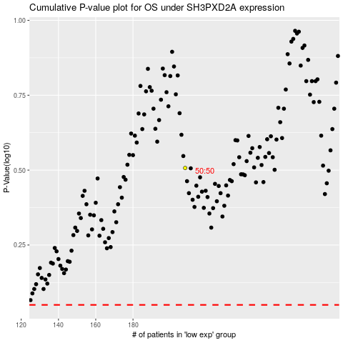

 |  |  |  |  |  | cases_OS | p_OS | rank | exp
 |  |  |  |  |  |  | cases_RFS | p_RFS | rank | exp

