SH3TC1 _multivariate
Reported by Tex Li-Hsing Chi. tex@gate.sinica.edu.tw 2019-08-16

Table 2. The clinicopathological features of HNSCC cohort and SH3TC1 expression. (Chi square test)
Cutoff at -0.191 (50.0%)
 |  | SH3TC1 expression |  | SH3TC1 expression |  | (Optimised)
 | Features | Low | (%) | High | (%) | Case no | P-value | Remark | Matthews
Gender | Female | 163 | 39.3 | 143 | 34.5 | 415 | 0.0277 | 1 | 0
2 | Male | 44 | 10.6 | 65 | 15.7
Age at diagnosis | <=65y | 136 | 32.8 | 138 | 33.3 | 415 | 0.9719 | 0 | 0
4 | >65y | 71 | 17.1 | 70 | 16.9
Clinical T Status | T1+T2 | 73 | 17.6 | 76 | 18.3 | 415 | 0.8666 | 0 | 0
6 | T3+T4 | 134 | 32.3 | 132 | 31.8
Clinical N Status | N0 | 113 | 27.2 | 103 | 24.8 | 415 | 0.3495 | 1 | 0
8 | N1-3 | 94 | 22.7 | 105 | 25.3
Clinical M Status | M0 | 205 | 49.4 | 207 | 49.9 | 415 | 0.6232 | 0 | 0
10 | M1 | 2 | 0.5 | 1 | 0.2
Clinical Stage | Stage I+II | 48 | 11.6 | 54 | 13 | 415 | 0.5878 | 0 | 0
12 | Stage III+IV | 159 | 38.3 | 154 | 37.1
Surgical Margin status | Negative | 159 | 38.3 | 159 | 38.3 | 415 | 1 | 0 | 0
14 | Positive | 48 | 11.6 | 49 | 11.8
Tobacco Exposure | Low | 71 | 17.1 | 90 | 21.7 | 415 | 0.0698 | 0 | 0
16 | High | 136 | 32.8 | 118 | 28.4

Table 3. Univariate/Multivariate Cox's proportional hazards regression analyses on OS time of SH3TC1 gene expression in HNSCC

 |  | Univariate |  |  |  | Multivariate
 | Features | HR | CI95%(L) | CI95%(H) | P-value | HR | CI95%(L) | CI95%(H) | P-value
1 | Female | 1 |  |  |  | 1
Gender | Male | 1.157 | 0.843 | 1.587 | 0.367 | 1.187 | 0.849 | 1.659 | 0.317
11 | <=65y | 1 |  |  |  | 1
Age at diagnosis | >65y | 1.329 | 0.99 | 1.784 | 0.058 | 1.406 | 1.033 | 1.913 | 0.03
12 | T1+T2 | 1 |  |  |  | 1
Clinical T Status | T3+T4 | 1.409 | 1.028 | 1.931 | 0.033 | 2.178 | 1.151 | 4.121 | 0.017
13 | N0 | 1 |  |  |  | 1
Clinical N Status | N1-3 | 1.185 | 0.89 | 1.577 | 0.246 | 1.221 | 0.855 | 1.744 | 0.272
14 | M0 | 1 |  |  |  | 1
Clinical M Status | M1 | 4.097 | 1.009 | 16.644 | 0.049 | 9.491 | 2.07 | 43.515 | 0.004
15 | Stage I+II | 1 |  |  |  | 1
Clinical Stage | Stage III+IV | 1.245 | 0.882 | 1.759 | 0.213 | 0.519 | 0.241 | 1.117 | 0.094
16 | Negative | 1 |  |  |  | 1
Surgical Margin status | Positive | 1.591 | 1.155 | 2.191 | 0.004 | 1.666 | 1.206 | 2.301 | 0.002
17 | Low | 1 |  |  |  | 1
Tobacco Exposure | High | 1.364 | 1.008 | 1.844 | 0.044 | 1.464 | 1.063 | 2.018 | 0.02
18 | Low | 1 |  |  |  | 1
RNAseq(z-score) | High | 1.148 | 0.859 | 1.533 | 0.35 | 1.155 | 0.861 | 1.548 | 0.336

Table 4. Univariate/Multivariate Cox's proportional hazards regression analyses on RFS time of SH3TC1 gene expression in HNSCC

 |  | Univariate |  |  |  | Multivariate
 | Features | HR | CI95%(L) | CI95%(H) | P-value | HR | CI95%(L) | CI95%(H) | P-value
1 | Female | 1 |  |  |  | 1
Gender | Male | 1.157 | 0.843 | 1.587 | 0.367 | 1.187 | 0.849 | 1.659 | 0.317
11 | <=65y | 1 |  |  |  | 1
Age at diagnosis | >65y | 1.329 | 0.99 | 1.784 | 0.058 | 1.406 | 1.033 | 1.913 | 0.03
12 | T1+T2 | 1 |  |  |  | 1
Clinical T Status | T3+T4 | 1.409 | 1.028 | 1.931 | 0.033 | 2.178 | 1.151 | 4.121 | 0.017
13 | N0 | 1 |  |  |  | 1
Clinical N Status | N1-3 | 1.185 | 0.89 | 1.577 | 0.246 | 1.221 | 0.855 | 1.744 | 0.272
14 | M0 | 1 |  |  |  | 1
Clinical M Status | M1 | 4.097 | 1.009 | 16.644 | 0.049 | 9.491 | 2.07 | 43.515 | 0.004
15 | Stage I+II | 1 |  |  |  | 1
Clinical Stage | Stage III+IV | 1.245 | 0.882 | 1.759 | 0.213 | 0.519 | 0.241 | 1.117 | 0.094
16 | Negative | 1 |  |  |  | 1
Surgical Margin status | Positive | 1.591 | 1.155 | 2.191 | 0.004 | 1.666 | 1.206 | 2.301 | 0.002
17 | Low | 1 |  |  |  | 1
Tobacco Exposure | High | 1.364 | 1.008 | 1.844 | 0.044 | 1.464 | 1.063 | 2.018 | 0.02
18 | Low | 1 |  |  |  | 1
RNAseq(z-score) | High | 1.148 | 0.859 | 1.533 | 0.35 | 1.155 | 0.861 | 1.548 | 0.336

Kaplan-Meier survival estimate: Cutoff at -0.191 (50.0%)



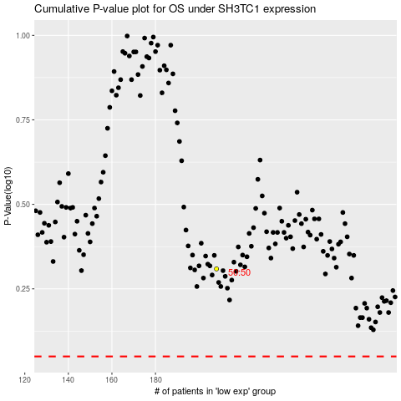

 |  |  |  |  |  | cases_OS | p_OS | rank | exp
 |  |  |  |  |  |  | cases_RFS | p_RFS | rank | exp

