SHANK1 _multivariate
Reported by Tex Li-Hsing Chi. tex@gate.sinica.edu.tw 2019-08-16

Table 2. The clinicopathological features of HNSCC cohort and SHANK1 expression. (Chi square test)
Cutoff at -0.274 (50.0%)
 |  | SHANK1 expression |  | SHANK1 expression |  | (Optimised)
 | Features | Low | (%) | High | (%) | Case no | P-value | Remark | Matthews
Gender | Female | 158 | 38.1 | 148 | 35.7 | 415 | 0.2774 | 0 | 0
2 | Male | 49 | 11.8 | 60 | 14.5
Age at diagnosis | <=65y | 143 | 34.5 | 131 | 31.6 | 415 | 0.2269 | 0 | 0
4 | >65y | 64 | 15.4 | 77 | 18.6
Clinical T Status | T1+T2 | 76 | 18.3 | 73 | 17.6 | 415 | 0.8092 | 0 | 0
6 | T3+T4 | 131 | 31.6 | 135 | 32.5
Clinical N Status | N0 | 101 | 24.3 | 115 | 27.7 | 415 | 0.2201 | 0 | 0
8 | N1-3 | 106 | 25.5 | 93 | 22.4
Clinical M Status | M0 | 204 | 49.2 | 208 | 50.1 | 415 | 0.1232 | 0 | 0
10 | M1 | 3 | 0.7 | 0 | 0
Clinical Stage | Stage I+II | 45 | 10.8 | 57 | 13.7 | 415 | 0.2202 | 0 | 0
12 | Stage III+IV | 162 | 39 | 151 | 36.4
Surgical Margin status | Negative | 155 | 37.3 | 163 | 39.3 | 415 | 0.4187 | 0 | 0
14 | Positive | 52 | 12.5 | 45 | 10.8
Tobacco Exposure | Low | 82 | 19.8 | 79 | 19 | 415 | 0.763 | 0 | 0
16 | High | 125 | 30.1 | 129 | 31.1

Table 3. Univariate/Multivariate Cox's proportional hazards regression analyses on OS time of SHANK1 gene expression in HNSCC

 |  | Univariate |  |  |  | Multivariate
 | Features | HR | CI95%(L) | CI95%(H) | P-value | HR | CI95%(L) | CI95%(H) | P-value
1 | Female | 1 |  |  |  | 1
Gender | Male | 1.157 | 0.843 | 1.587 | 0.367 | 1.192 | 0.854 | 1.664 | 0.303
11 | <=65y | 1 |  |  |  | 1
Age at diagnosis | >65y | 1.329 | 0.99 | 1.784 | 0.058 | 1.388 | 1.021 | 1.888 | 0.037
12 | T1+T2 | 1 |  |  |  | 1
Clinical T Status | T3+T4 | 1.409 | 1.028 | 1.931 | 0.033 | 2.142 | 1.131 | 4.058 | 0.019
13 | N0 | 1 |  |  |  | 1
Clinical N Status | N1-3 | 1.185 | 0.89 | 1.577 | 0.246 | 1.252 | 0.877 | 1.788 | 0.216
14 | M0 | 1 |  |  |  | 1
Clinical M Status | M1 | 4.097 | 1.009 | 16.644 | 0.049 | 9.873 | 2.148 | 45.383 | 0.003
15 | Stage I+II | 1 |  |  |  | 1
Clinical Stage | Stage III+IV | 1.245 | 0.882 | 1.759 | 0.213 | 0.52 | 0.242 | 1.12 | 0.095
16 | Negative | 1 |  |  |  | 1
Surgical Margin status | Positive | 1.591 | 1.155 | 2.191 | 0.004 | 1.691 | 1.223 | 2.338 | 0.001
17 | Low | 1 |  |  |  | 1
Tobacco Exposure | High | 1.364 | 1.008 | 1.844 | 0.044 | 1.452 | 1.054 | 1.999 | 0.022
18 | Low | 1 |  |  |  | 1
RNAseq(z-score) | High | 1.129 | 0.847 | 1.504 | 0.409 | 1.165 | 0.868 | 1.564 | 0.308

Table 4. Univariate/Multivariate Cox's proportional hazards regression analyses on RFS time of SHANK1 gene expression in HNSCC

 |  | Univariate |  |  |  | Multivariate
 | Features | HR | CI95%(L) | CI95%(H) | P-value | HR | CI95%(L) | CI95%(H) | P-value
1 | Female | 1 |  |  |  | 1
Gender | Male | 1.157 | 0.843 | 1.587 | 0.367 | 1.192 | 0.854 | 1.664 | 0.303
11 | <=65y | 1 |  |  |  | 1
Age at diagnosis | >65y | 1.329 | 0.99 | 1.784 | 0.058 | 1.388 | 1.021 | 1.888 | 0.037
12 | T1+T2 | 1 |  |  |  | 1
Clinical T Status | T3+T4 | 1.409 | 1.028 | 1.931 | 0.033 | 2.142 | 1.131 | 4.058 | 0.019
13 | N0 | 1 |  |  |  | 1
Clinical N Status | N1-3 | 1.185 | 0.89 | 1.577 | 0.246 | 1.252 | 0.877 | 1.788 | 0.216
14 | M0 | 1 |  |  |  | 1
Clinical M Status | M1 | 4.097 | 1.009 | 16.644 | 0.049 | 9.873 | 2.148 | 45.383 | 0.003
15 | Stage I+II | 1 |  |  |  | 1
Clinical Stage | Stage III+IV | 1.245 | 0.882 | 1.759 | 0.213 | 0.52 | 0.242 | 1.12 | 0.095
16 | Negative | 1 |  |  |  | 1
Surgical Margin status | Positive | 1.591 | 1.155 | 2.191 | 0.004 | 1.691 | 1.223 | 2.338 | 0.001
17 | Low | 1 |  |  |  | 1
Tobacco Exposure | High | 1.364 | 1.008 | 1.844 | 0.044 | 1.452 | 1.054 | 1.999 | 0.022
18 | Low | 1 |  |  |  | 1
RNAseq(z-score) | High | 1.129 | 0.847 | 1.504 | 0.409 | 1.165 | 0.868 | 1.564 | 0.308

Kaplan-Meier survival estimate: Cutoff at -0.274 (50.0%)



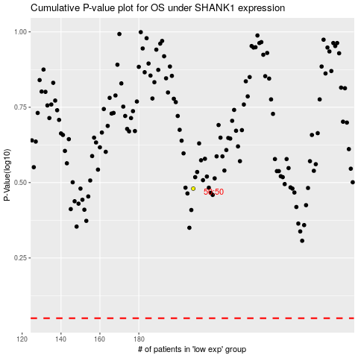

 |  |  |  |  |  | cases_OS | p_OS | rank | exp
 |  |  |  |  |  |  | cases_RFS | p_RFS | rank | exp

