SHANK3 _multivariate
Reported by Tex Li-Hsing Chi. tex@gate.sinica.edu.tw 2019-08-16

Table 2. The clinicopathological features of HNSCC cohort and SHANK3 expression. (Chi square test)
Cutoff at 0.345 (67.4%)
 |  | SHANK3 expression |  | SHANK3 expression |  | (Optimised)
 | Features | Low | (%) | High | (%) | Case no | P-value | Remark | Matthews
Gender | Female | 203 | 48.9 | 103 | 24.8 | 415 | 0.4813 | 0 | 0
2 | Male | 77 | 18.6 | 32 | 7.7
Age at diagnosis | <=65y | 183 | 44.1 | 91 | 21.9 | 415 | 0.7623 | 0 | 0
4 | >65y | 97 | 23.4 | 44 | 10.6
Clinical T Status | T1+T2 | 105 | 25.3 | 44 | 10.6 | 415 | 0.3859 | 0 | 0
6 | T3+T4 | 175 | 42.2 | 91 | 21.9
Clinical N Status | N0 | 141 | 34 | 75 | 18.1 | 415 | 0.3744 | 0 | 0
8 | N1-3 | 139 | 33.5 | 60 | 14.5
Clinical M Status | M0 | 277 | 66.7 | 135 | 32.5 | 415 | 0.5541 | 0 | 0
10 | M1 | 3 | 0.7 | 0 | 0
Clinical Stage | Stage I+II | 74 | 17.8 | 28 | 6.7 | 415 | 0.2547 | 0 | 0
12 | Stage III+IV | 206 | 49.6 | 107 | 25.8
Surgical Margin status | Negative | 214 | 51.6 | 104 | 25.1 | 415 | 1 | 0 | 0
14 | Positive | 66 | 15.9 | 31 | 7.5
Tobacco Exposure | Low | 113 | 27.2 | 48 | 11.6 | 415 | 0.39 | 0 | 0
16 | High | 167 | 40.2 | 87 | 21

Table 3. Univariate/Multivariate Cox's proportional hazards regression analyses on OS time of SHANK3 gene expression in HNSCC

 |  | Univariate |  |  |  | Multivariate
 | Features | HR | CI95%(L) | CI95%(H) | P-value | HR | CI95%(L) | CI95%(H) | P-value
1 | Female | 1 |  |  |  | 1
Gender | Male | 1.157 | 0.843 | 1.587 | 0.367 | 1.154 | 0.825 | 1.614 | 0.402
11 | <=65y | 1 |  |  |  | 1
Age at diagnosis | >65y | 1.329 | 0.99 | 1.784 | 0.058 | 1.387 | 1.02 | 1.885 | 0.037
12 | T1+T2 | 1 |  |  |  | 1
Clinical T Status | T3+T4 | 1.409 | 1.028 | 1.931 | 0.033 | 2.173 | 1.149 | 4.112 | 0.017
13 | N0 | 1 |  |  |  | 1
Clinical N Status | N1-3 | 1.185 | 0.89 | 1.577 | 0.246 | 1.165 | 0.813 | 1.669 | 0.405
14 | M0 | 1 |  |  |  | 1
Clinical M Status | M1 | 4.097 | 1.009 | 16.644 | 0.049 | 8.492 | 1.847 | 39.044 | 0.006
15 | Stage I+II | 1 |  |  |  | 1
Clinical Stage | Stage III+IV | 1.245 | 0.882 | 1.759 | 0.213 | 0.54 | 0.251 | 1.161 | 0.115
16 | Negative | 1 |  |  |  | 1
Surgical Margin status | Positive | 1.591 | 1.155 | 2.191 | 0.004 | 1.692 | 1.224 | 2.34 | 0.001
17 | Low | 1 |  |  |  | 1
Tobacco Exposure | High | 1.364 | 1.008 | 1.844 | 0.044 | 1.458 | 1.058 | 2.008 | 0.021
18 | Low | 1 |  |  |  | 1
RNAseq(z-score) | High | 0.699 | 0.507 | 0.963 | 0.028 | 0.717 | 0.516 | 0.997 | 0.048

Table 4. Univariate/Multivariate Cox's proportional hazards regression analyses on RFS time of SHANK3 gene expression in HNSCC

 |  | Univariate |  |  |  | Multivariate
 | Features | HR | CI95%(L) | CI95%(H) | P-value | HR | CI95%(L) | CI95%(H) | P-value
1 | Female | 1 |  |  |  | 1
Gender | Male | 1.157 | 0.843 | 1.587 | 0.367 | 1.154 | 0.825 | 1.614 | 0.402
11 | <=65y | 1 |  |  |  | 1
Age at diagnosis | >65y | 1.329 | 0.99 | 1.784 | 0.058 | 1.387 | 1.02 | 1.885 | 0.037
12 | T1+T2 | 1 |  |  |  | 1
Clinical T Status | T3+T4 | 1.409 | 1.028 | 1.931 | 0.033 | 2.173 | 1.149 | 4.112 | 0.017
13 | N0 | 1 |  |  |  | 1
Clinical N Status | N1-3 | 1.185 | 0.89 | 1.577 | 0.246 | 1.165 | 0.813 | 1.669 | 0.405
14 | M0 | 1 |  |  |  | 1
Clinical M Status | M1 | 4.097 | 1.009 | 16.644 | 0.049 | 8.492 | 1.847 | 39.044 | 0.006
15 | Stage I+II | 1 |  |  |  | 1
Clinical Stage | Stage III+IV | 1.245 | 0.882 | 1.759 | 0.213 | 0.54 | 0.251 | 1.161 | 0.115
16 | Negative | 1 |  |  |  | 1
Surgical Margin status | Positive | 1.591 | 1.155 | 2.191 | 0.004 | 1.692 | 1.224 | 2.34 | 0.001
17 | Low | 1 |  |  |  | 1
Tobacco Exposure | High | 1.364 | 1.008 | 1.844 | 0.044 | 1.458 | 1.058 | 2.008 | 0.021
18 | Low | 1 |  |  |  | 1
RNAseq(z-score) | High | 0.699 | 0.507 | 0.963 | 0.028 | 0.717 | 0.516 | 0.997 | 0.048

Kaplan-Meier survival estimate: Cutoff at 0.345 (67.4%)

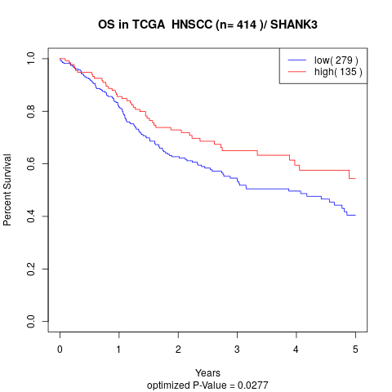

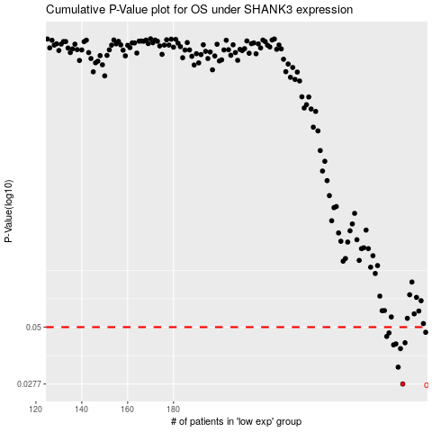

 |  |  |  |  |  | cases_OS | p_OS | rank | exp
 |  |  |  |  |  | 280 | 0.0277 | 183 | 0.34530050578
 |  |  |  |  |  | 278 | 0.033 | 160 | 0.34227497303
 |  |  |  |  |  | 279 | 0.04 | 413 | 0.3449876202
 |  |  |  |  |  | 276 | 0.0416 | 306 | 0.33282674503
 |  |  |  |  |  | 277 | 0.042 | 206 | 0.34050723199
 |  |  |  |  |  | 281 | 0.0425 | 45 | 0.35106451647
 |  |  |  |  |  | 273 | 0.0454 | 145 | 0.31707747636
 |  |  |  |  |  | 274 | 0.0471 | 17 | 0.32374264752
 |  |  |  |  |  | 290 | 0.0474 | 172 | 0.4105515232
 |  |  |  |  |  |  | cases_RFS | p_RFS | rank | exp
 |  |  |  |  |  |  | 279 | 0.0277 | 413 | 0.3449876202
 |  |  |  |  |  |  | 277 | 0.033 | 206 | 0.34050723199
 |  |  |  |  |  |  | 278 | 0.04 | 160 | 0.34227497303
 |  |  |  |  |  |  | 275 | 0.0416 | 69 | 0.33143230023
 |  |  |  |  |  |  | 276 | 0.042 | 306 | 0.33282674503
 |  |  |  |  |  |  | 280 | 0.0425 | 183 | 0.34530050578
 |  |  |  |  |  |  | 272 | 0.0454 | 137 | 0.31521849438
 |  |  |  |  |  |  | 273 | 0.0471 | 145 | 0.31707747636
 |  |  |  |  |  |  | 289 | 0.0474 | 7 | 0.40283645635

