SHD _multivariate
Reported by Tex Li-Hsing Chi. tex@gate.sinica.edu.tw 2019-08-16

Table 2. The clinicopathological features of HNSCC cohort and SHD expression. (Chi square test)
Cutoff at -0.275 (50.0%)
 |  | SHD expression |  | SHD expression |  | (Optimised)
 | Features | Low | (%) | High | (%) | Case no | P-value | Remark | Matthews
Gender | Female | 163 | 39.3 | 143 | 34.5 | 415 | 0.0277 | 1 | 0
2 | Male | 44 | 10.6 | 65 | 15.7
Age at diagnosis | <=65y | 131 | 31.6 | 143 | 34.5 | 415 | 0.2839 | 0 | 0
4 | >65y | 76 | 18.3 | 65 | 15.7
Clinical T Status | T1+T2 | 62 | 14.9 | 87 | 21 | 415 | 0.0156 | 1 | 0
6 | T3+T4 | 145 | 34.9 | 121 | 29.2
Clinical N Status | N0 | 105 | 25.3 | 111 | 26.7 | 415 | 0.6598 | 0 | 0
8 | N1-3 | 102 | 24.6 | 97 | 23.4
Clinical M Status | M0 | 204 | 49.2 | 208 | 50.1 | 415 | 0.1232 | 0 | 0
10 | M1 | 3 | 0.7 | 0 | 0
Clinical Stage | Stage I+II | 37 | 8.9 | 65 | 15.7 | 415 | 0.0023 | 1 | 0
12 | Stage III+IV | 170 | 41 | 143 | 34.5
Surgical Margin status | Negative | 150 | 36.1 | 168 | 40.5 | 415 | 0.0492 | 1 | 0
14 | Positive | 57 | 13.7 | 40 | 9.6
Tobacco Exposure | Low | 74 | 17.8 | 87 | 21 | 415 | 0.227 | 0 | 0
16 | High | 133 | 32 | 121 | 29.2

Table 3. Univariate/Multivariate Cox's proportional hazards regression analyses on OS time of SHD gene expression in HNSCC

 |  | Univariate |  |  |  | Multivariate
 | Features | HR | CI95%(L) | CI95%(H) | P-value | HR | CI95%(L) | CI95%(H) | P-value
1 | Female | 1 |  |  |  | 1
Gender | Male | 1.157 | 0.843 | 1.587 | 0.367 | 1.195 | 0.851 | 1.678 | 0.303
11 | <=65y | 1 |  |  |  | 1
Age at diagnosis | >65y | 1.329 | 0.99 | 1.784 | 0.058 | 1.395 | 1.025 | 1.898 | 0.034
12 | T1+T2 | 1 |  |  |  | 1
Clinical T Status | T3+T4 | 1.409 | 1.028 | 1.931 | 0.033 | 2.201 | 1.164 | 4.162 | 0.015
13 | N0 | 1 |  |  |  | 1
Clinical N Status | N1-3 | 1.185 | 0.89 | 1.577 | 0.246 | 1.238 | 0.867 | 1.768 | 0.239
14 | M0 | 1 |  |  |  | 1
Clinical M Status | M1 | 4.097 | 1.009 | 16.644 | 0.049 | 9.514 | 2.065 | 43.832 | 0.004
15 | Stage I+II | 1 |  |  |  | 1
Clinical Stage | Stage III+IV | 1.245 | 0.882 | 1.759 | 0.213 | 0.509 | 0.236 | 1.098 | 0.085
16 | Negative | 1 |  |  |  | 1
Surgical Margin status | Positive | 1.591 | 1.155 | 2.191 | 0.004 | 1.674 | 1.211 | 2.314 | 0.002
17 | Low | 1 |  |  |  | 1
Tobacco Exposure | High | 1.364 | 1.008 | 1.844 | 0.044 | 1.453 | 1.055 | 2.002 | 0.022
18 | Low | 1 |  |  |  | 1
RNAseq(z-score) | High | 0.949 | 0.712 | 1.265 | 0.723 | 1.028 | 0.76 | 1.391 | 0.859

Table 4. Univariate/Multivariate Cox's proportional hazards regression analyses on RFS time of SHD gene expression in HNSCC

 |  | Univariate |  |  |  | Multivariate
 | Features | HR | CI95%(L) | CI95%(H) | P-value | HR | CI95%(L) | CI95%(H) | P-value
1 | Female | 1 |  |  |  | 1
Gender | Male | 1.157 | 0.843 | 1.587 | 0.367 | 1.195 | 0.851 | 1.678 | 0.303
11 | <=65y | 1 |  |  |  | 1
Age at diagnosis | >65y | 1.329 | 0.99 | 1.784 | 0.058 | 1.395 | 1.025 | 1.898 | 0.034
12 | T1+T2 | 1 |  |  |  | 1
Clinical T Status | T3+T4 | 1.409 | 1.028 | 1.931 | 0.033 | 2.201 | 1.164 | 4.162 | 0.015
13 | N0 | 1 |  |  |  | 1
Clinical N Status | N1-3 | 1.185 | 0.89 | 1.577 | 0.246 | 1.238 | 0.867 | 1.768 | 0.239
14 | M0 | 1 |  |  |  | 1
Clinical M Status | M1 | 4.097 | 1.009 | 16.644 | 0.049 | 9.514 | 2.065 | 43.832 | 0.004
15 | Stage I+II | 1 |  |  |  | 1
Clinical Stage | Stage III+IV | 1.245 | 0.882 | 1.759 | 0.213 | 0.509 | 0.236 | 1.098 | 0.085
16 | Negative | 1 |  |  |  | 1
Surgical Margin status | Positive | 1.591 | 1.155 | 2.191 | 0.004 | 1.674 | 1.211 | 2.314 | 0.002
17 | Low | 1 |  |  |  | 1
Tobacco Exposure | High | 1.364 | 1.008 | 1.844 | 0.044 | 1.453 | 1.055 | 2.002 | 0.022
18 | Low | 1 |  |  |  | 1
RNAseq(z-score) | High | 0.949 | 0.712 | 1.265 | 0.723 | 1.028 | 0.76 | 1.391 | 0.859

Kaplan-Meier survival estimate: Cutoff at -0.275 (50.0%)

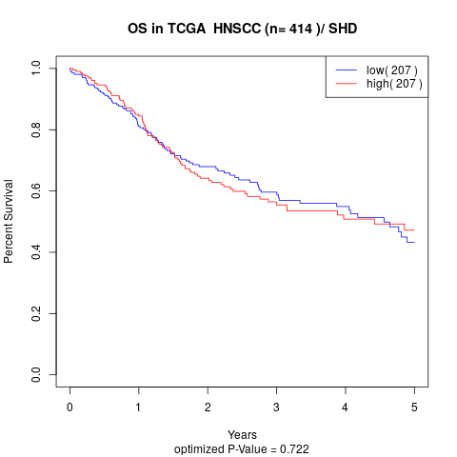

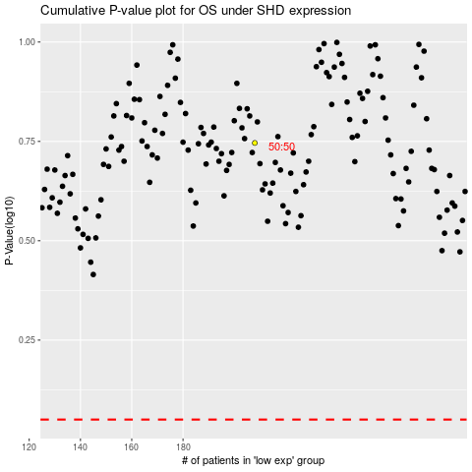

 |  |  |  |  |  | cases_OS | p_OS | rank | exp
 |  |  |  |  |  |  | cases_RFS | p_RFS | rank | exp

