SHISA4 _multivariate
Reported by Tex Li-Hsing Chi. tex@gate.sinica.edu.tw 2019-08-16

Table 2. The clinicopathological features of HNSCC cohort and SHISA4 expression. (Chi square test)
Cutoff at -0.233 (50.0%)
 |  | SHISA4 expression |  | SHISA4 expression |  | (Optimised)
 | Features | Low | (%) | High | (%) | Case no | P-value | Remark | Matthews
Gender | Female | 151 | 36.4 | 155 | 37.3 | 415 | 0.8007 | 0 | 0
2 | Male | 56 | 13.5 | 53 | 12.8
Age at diagnosis | <=65y | 129 | 31.1 | 145 | 34.9 | 415 | 0.1372 | 0 | 0
4 | >65y | 78 | 18.8 | 63 | 15.2
Clinical T Status | T1+T2 | 71 | 17.1 | 78 | 18.8 | 415 | 0.5638 | 0 | 0
6 | T3+T4 | 136 | 32.8 | 130 | 31.3
Clinical N Status | N0 | 101 | 24.3 | 115 | 27.7 | 415 | 0.2201 | 0 | 0
8 | N1-3 | 106 | 25.5 | 93 | 22.4
Clinical M Status | M0 | 205 | 49.4 | 207 | 49.9 | 415 | 0.6232 | 0 | 0
10 | M1 | 2 | 0.5 | 1 | 0.2
Clinical Stage | Stage I+II | 44 | 10.6 | 58 | 14 | 415 | 0.1459 | 0 | 0
12 | Stage III+IV | 163 | 39.3 | 150 | 36.1
Surgical Margin status | Negative | 160 | 38.6 | 158 | 38.1 | 415 | 0.8167 | 0 | 0
14 | Positive | 47 | 11.3 | 50 | 12
Tobacco Exposure | Low | 83 | 20 | 78 | 18.8 | 415 | 0.6152 | 0 | 0
16 | High | 124 | 29.9 | 130 | 31.3

Table 3. Univariate/Multivariate Cox's proportional hazards regression analyses on OS time of SHISA4 gene expression in HNSCC

 |  | Univariate |  |  |  | Multivariate
 | Features | HR | CI95%(L) | CI95%(H) | P-value | HR | CI95%(L) | CI95%(H) | P-value
1 | Female | 1 |  |  |  | 1
Gender | Male | 1.157 | 0.843 | 1.587 | 0.367 | 1.204 | 0.862 | 1.681 | 0.276
11 | <=65y | 1 |  |  |  | 1
Age at diagnosis | >65y | 1.329 | 0.99 | 1.784 | 0.058 | 1.407 | 1.034 | 1.914 | 0.03
12 | T1+T2 | 1 |  |  |  | 1
Clinical T Status | T3+T4 | 1.409 | 1.028 | 1.931 | 0.033 | 2.162 | 1.142 | 4.094 | 0.018
13 | N0 | 1 |  |  |  | 1
Clinical N Status | N1-3 | 1.185 | 0.89 | 1.577 | 0.246 | 1.245 | 0.872 | 1.776 | 0.227
14 | M0 | 1 |  |  |  | 1
Clinical M Status | M1 | 4.097 | 1.009 | 16.644 | 0.049 | 9.313 | 2.032 | 42.686 | 0.004
15 | Stage I+II | 1 |  |  |  | 1
Clinical Stage | Stage III+IV | 1.245 | 0.882 | 1.759 | 0.213 | 0.52 | 0.241 | 1.119 | 0.094
16 | Negative | 1 |  |  |  | 1
Surgical Margin status | Positive | 1.591 | 1.155 | 2.191 | 0.004 | 1.647 | 1.19 | 2.28 | 0.003
17 | Low | 1 |  |  |  | 1
Tobacco Exposure | High | 1.364 | 1.008 | 1.844 | 0.044 | 1.438 | 1.043 | 1.981 | 0.026
18 | Low | 1 |  |  |  | 1
RNAseq(z-score) | High | 1.153 | 0.865 | 1.537 | 0.33 | 1.138 | 0.849 | 1.526 | 0.387

Table 4. Univariate/Multivariate Cox's proportional hazards regression analyses on RFS time of SHISA4 gene expression in HNSCC

 |  | Univariate |  |  |  | Multivariate
 | Features | HR | CI95%(L) | CI95%(H) | P-value | HR | CI95%(L) | CI95%(H) | P-value
1 | Female | 1 |  |  |  | 1
Gender | Male | 1.157 | 0.843 | 1.587 | 0.367 | 1.204 | 0.862 | 1.681 | 0.276
11 | <=65y | 1 |  |  |  | 1
Age at diagnosis | >65y | 1.329 | 0.99 | 1.784 | 0.058 | 1.407 | 1.034 | 1.914 | 0.03
12 | T1+T2 | 1 |  |  |  | 1
Clinical T Status | T3+T4 | 1.409 | 1.028 | 1.931 | 0.033 | 2.162 | 1.142 | 4.094 | 0.018
13 | N0 | 1 |  |  |  | 1
Clinical N Status | N1-3 | 1.185 | 0.89 | 1.577 | 0.246 | 1.245 | 0.872 | 1.776 | 0.227
14 | M0 | 1 |  |  |  | 1
Clinical M Status | M1 | 4.097 | 1.009 | 16.644 | 0.049 | 9.313 | 2.032 | 42.686 | 0.004
15 | Stage I+II | 1 |  |  |  | 1
Clinical Stage | Stage III+IV | 1.245 | 0.882 | 1.759 | 0.213 | 0.52 | 0.241 | 1.119 | 0.094
16 | Negative | 1 |  |  |  | 1
Surgical Margin status | Positive | 1.591 | 1.155 | 2.191 | 0.004 | 1.647 | 1.19 | 2.28 | 0.003
17 | Low | 1 |  |  |  | 1
Tobacco Exposure | High | 1.364 | 1.008 | 1.844 | 0.044 | 1.438 | 1.043 | 1.981 | 0.026
18 | Low | 1 |  |  |  | 1
RNAseq(z-score) | High | 1.153 | 0.865 | 1.537 | 0.33 | 1.138 | 0.849 | 1.526 | 0.387

Kaplan-Meier survival estimate: Cutoff at -0.233 (50.0%)



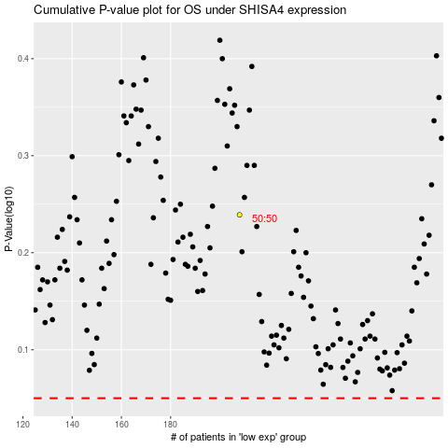

 |  |  |  |  |  | cases_OS | p_OS | rank | exp
 |  |  |  |  |  |  | cases_RFS | p_RFS | rank | exp

