SHISA5 _multivariate
Reported by Tex Li-Hsing Chi. tex@gate.sinica.edu.tw 2019-08-16

Table 2. The clinicopathological features of HNSCC cohort and SHISA5 expression. (Chi square test)
Cutoff at -0.21 (49.8%)
 |  | SHISA5 expression |  | SHISA5 expression |  | (Optimised)
 | Features | Low | (%) | High | (%) | Case no | P-value | Remark | Matthews
Gender | Female | 164 | 39.5 | 142 | 34.2 | 415 | 0.0153 | 1 | 0
2 | Male | 43 | 10.4 | 66 | 15.9
Age at diagnosis | <=65y | 148 | 35.7 | 126 | 30.4 | 415 | 0.0248 | 1 | 0
4 | >65y | 59 | 14.2 | 82 | 19.8
Clinical T Status | T1+T2 | 66 | 15.9 | 83 | 20 | 415 | 0.1095 | 0 | 0
6 | T3+T4 | 141 | 34 | 125 | 30.1
Clinical N Status | N0 | 101 | 24.3 | 115 | 27.7 | 415 | 0.2201 | 0 | 0
8 | N1-3 | 106 | 25.5 | 93 | 22.4
Clinical M Status | M0 | 206 | 49.6 | 206 | 49.6 | 415 | 1 | 0 | 0
10 | M1 | 1 | 0.2 | 2 | 0.5
Clinical Stage | Stage I+II | 39 | 9.4 | 63 | 15.2 | 415 | 0.0095 | 1 | 0
12 | Stage III+IV | 168 | 40.5 | 145 | 34.9
Surgical Margin status | Negative | 157 | 37.8 | 161 | 38.8 | 415 | 0.729 | 0 | 0
14 | Positive | 50 | 12 | 47 | 11.3
Tobacco Exposure | Low | 65 | 15.7 | 96 | 23.1 | 415 | 0.0025 | 1 | 0
16 | High | 142 | 34.2 | 112 | 27

Table 3. Univariate/Multivariate Cox's proportional hazards regression analyses on OS time of SHISA5 gene expression in HNSCC

 |  | Univariate |  |  |  | Multivariate
 | Features | HR | CI95%(L) | CI95%(H) | P-value | HR | CI95%(L) | CI95%(H) | P-value
1 | Female | 1 |  |  |  | 1
Gender | Male | 1.157 | 0.843 | 1.587 | 0.367 | 1.214 | 0.868 | 1.698 | 0.258
11 | <=65y | 1 |  |  |  | 1
Age at diagnosis | >65y | 1.329 | 0.99 | 1.784 | 0.058 | 1.403 | 1.031 | 1.909 | 0.031
12 | T1+T2 | 1 |  |  |  | 1
Clinical T Status | T3+T4 | 1.409 | 1.028 | 1.931 | 0.033 | 2.22 | 1.174 | 4.2 | 0.014
13 | N0 | 1 |  |  |  | 1
Clinical N Status | N1-3 | 1.185 | 0.89 | 1.577 | 0.246 | 1.247 | 0.874 | 1.78 | 0.224
14 | M0 | 1 |  |  |  | 1
Clinical M Status | M1 | 4.097 | 1.009 | 16.644 | 0.049 | 9.614 | 2.094 | 44.137 | 0.004
15 | Stage I+II | 1 |  |  |  | 1
Clinical Stage | Stage III+IV | 1.245 | 0.882 | 1.759 | 0.213 | 0.488 | 0.226 | 1.055 | 0.068
16 | Negative | 1 |  |  |  | 1
Surgical Margin status | Positive | 1.591 | 1.155 | 2.191 | 0.004 | 1.675 | 1.212 | 2.316 | 0.002
17 | Low | 1 |  |  |  | 1
Tobacco Exposure | High | 1.364 | 1.008 | 1.844 | 0.044 | 1.437 | 1.041 | 1.983 | 0.028
18 | Low | 1 |  |  |  | 1
RNAseq(z-score) | High | 0.91 | 0.682 | 1.215 | 0.524 | 0.907 | 0.67 | 1.227 | 0.526

Table 4. Univariate/Multivariate Cox's proportional hazards regression analyses on RFS time of SHISA5 gene expression in HNSCC

 |  | Univariate |  |  |  | Multivariate
 | Features | HR | CI95%(L) | CI95%(H) | P-value | HR | CI95%(L) | CI95%(H) | P-value
1 | Female | 1 |  |  |  | 1
Gender | Male | 1.157 | 0.843 | 1.587 | 0.367 | 1.214 | 0.868 | 1.698 | 0.258
11 | <=65y | 1 |  |  |  | 1
Age at diagnosis | >65y | 1.329 | 0.99 | 1.784 | 0.058 | 1.403 | 1.031 | 1.909 | 0.031
12 | T1+T2 | 1 |  |  |  | 1
Clinical T Status | T3+T4 | 1.409 | 1.028 | 1.931 | 0.033 | 2.22 | 1.174 | 4.2 | 0.014
13 | N0 | 1 |  |  |  | 1
Clinical N Status | N1-3 | 1.185 | 0.89 | 1.577 | 0.246 | 1.247 | 0.874 | 1.78 | 0.224
14 | M0 | 1 |  |  |  | 1
Clinical M Status | M1 | 4.097 | 1.009 | 16.644 | 0.049 | 9.614 | 2.094 | 44.137 | 0.004
15 | Stage I+II | 1 |  |  |  | 1
Clinical Stage | Stage III+IV | 1.245 | 0.882 | 1.759 | 0.213 | 0.488 | 0.226 | 1.055 | 0.068
16 | Negative | 1 |  |  |  | 1
Surgical Margin status | Positive | 1.591 | 1.155 | 2.191 | 0.004 | 1.675 | 1.212 | 2.316 | 0.002
17 | Low | 1 |  |  |  | 1
Tobacco Exposure | High | 1.364 | 1.008 | 1.844 | 0.044 | 1.437 | 1.041 | 1.983 | 0.028
18 | Low | 1 |  |  |  | 1
RNAseq(z-score) | High | 0.91 | 0.682 | 1.215 | 0.524 | 0.907 | 0.67 | 1.227 | 0.526

Kaplan-Meier survival estimate: Cutoff at -0.21 (49.8%)



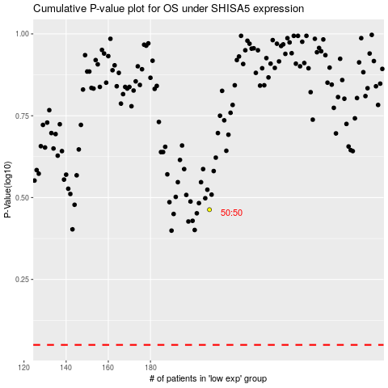

 |  |  |  |  |  | cases_OS | p_OS | rank | exp
 |  |  |  |  |  |  | cases_RFS | p_RFS | rank | exp

