SHOC2 _multivariate
Reported by Tex Li-Hsing Chi. tex@gate.sinica.edu.tw 2019-08-16

Table 2. The clinicopathological features of HNSCC cohort and SHOC2 expression. (Chi square test)
Cutoff at -0.003 (50.0%)
 |  | SHOC2 expression |  | SHOC2 expression |  | (Optimised)
 | Features | Low | (%) | High | (%) | Case no | P-value | Remark | Matthews
Gender | Female | 158 | 38.1 | 148 | 35.7 | 415 | 0.2774 | 0 | 0
2 | Male | 49 | 11.8 | 60 | 14.5
Age at diagnosis | <=65y | 135 | 32.5 | 139 | 33.5 | 415 | 0.8084 | 0 | 0
4 | >65y | 72 | 17.3 | 69 | 16.6
Clinical T Status | T1+T2 | 78 | 18.8 | 71 | 17.1 | 415 | 0.5152 | 0 | 0
6 | T3+T4 | 129 | 31.1 | 137 | 33
Clinical N Status | N0 | 110 | 26.5 | 106 | 25.5 | 415 | 0.7294 | 0 | 0
8 | N1-3 | 97 | 23.4 | 102 | 24.6
Clinical M Status | M0 | 204 | 49.2 | 208 | 50.1 | 415 | 0.1232 | 0 | 0
10 | M1 | 3 | 0.7 | 0 | 0
Clinical Stage | Stage I+II | 51 | 12.3 | 51 | 12.3 | 415 | 1 | 0 | 0
12 | Stage III+IV | 156 | 37.6 | 157 | 37.8
Surgical Margin status | Negative | 153 | 36.9 | 165 | 39.8 | 415 | 0.2036 | 0 | 0
14 | Positive | 54 | 13 | 43 | 10.4
Tobacco Exposure | Low | 76 | 18.3 | 85 | 20.5 | 415 | 0.4207 | 0 | 0
16 | High | 131 | 31.6 | 123 | 29.6

Table 3. Univariate/Multivariate Cox's proportional hazards regression analyses on OS time of SHOC2 gene expression in HNSCC

 |  | Univariate |  |  |  | Multivariate
 | Features | HR | CI95%(L) | CI95%(H) | P-value | HR | CI95%(L) | CI95%(H) | P-value
1 | Female | 1 |  |  |  | 1
Gender | Male | 1.157 | 0.843 | 1.587 | 0.367 | 1.199 | 0.857 | 1.678 | 0.289
11 | <=65y | 1 |  |  |  | 1
Age at diagnosis | >65y | 1.329 | 0.99 | 1.784 | 0.058 | 1.378 | 1.013 | 1.874 | 0.041
12 | T1+T2 | 1 |  |  |  | 1
Clinical T Status | T3+T4 | 1.409 | 1.028 | 1.931 | 0.033 | 2.226 | 1.177 | 4.211 | 0.014
13 | N0 | 1 |  |  |  | 1
Clinical N Status | N1-3 | 1.185 | 0.89 | 1.577 | 0.246 | 1.251 | 0.876 | 1.786 | 0.217
14 | M0 | 1 |  |  |  | 1
Clinical M Status | M1 | 4.097 | 1.009 | 16.644 | 0.049 | 8.88 | 1.927 | 40.929 | 0.005
15 | Stage I+II | 1 |  |  |  | 1
Clinical Stage | Stage III+IV | 1.245 | 0.882 | 1.759 | 0.213 | 0.495 | 0.23 | 1.064 | 0.072
16 | Negative | 1 |  |  |  | 1
Surgical Margin status | Positive | 1.591 | 1.155 | 2.191 | 0.004 | 1.649 | 1.192 | 2.282 | 0.003
17 | Low | 1 |  |  |  | 1
Tobacco Exposure | High | 1.364 | 1.008 | 1.844 | 0.044 | 1.439 | 1.043 | 1.985 | 0.027
18 | Low | 1 |  |  |  | 1
RNAseq(z-score) | High | 0.813 | 0.61 | 1.083 | 0.156 | 0.882 | 0.659 | 1.18 | 0.397

Table 4. Univariate/Multivariate Cox's proportional hazards regression analyses on RFS time of SHOC2 gene expression in HNSCC

 |  | Univariate |  |  |  | Multivariate
 | Features | HR | CI95%(L) | CI95%(H) | P-value | HR | CI95%(L) | CI95%(H) | P-value
1 | Female | 1 |  |  |  | 1
Gender | Male | 1.157 | 0.843 | 1.587 | 0.367 | 1.199 | 0.857 | 1.678 | 0.289
11 | <=65y | 1 |  |  |  | 1
Age at diagnosis | >65y | 1.329 | 0.99 | 1.784 | 0.058 | 1.378 | 1.013 | 1.874 | 0.041
12 | T1+T2 | 1 |  |  |  | 1
Clinical T Status | T3+T4 | 1.409 | 1.028 | 1.931 | 0.033 | 2.226 | 1.177 | 4.211 | 0.014
13 | N0 | 1 |  |  |  | 1
Clinical N Status | N1-3 | 1.185 | 0.89 | 1.577 | 0.246 | 1.251 | 0.876 | 1.786 | 0.217
14 | M0 | 1 |  |  |  | 1
Clinical M Status | M1 | 4.097 | 1.009 | 16.644 | 0.049 | 8.88 | 1.927 | 40.929 | 0.005
15 | Stage I+II | 1 |  |  |  | 1
Clinical Stage | Stage III+IV | 1.245 | 0.882 | 1.759 | 0.213 | 0.495 | 0.23 | 1.064 | 0.072
16 | Negative | 1 |  |  |  | 1
Surgical Margin status | Positive | 1.591 | 1.155 | 2.191 | 0.004 | 1.649 | 1.192 | 2.282 | 0.003
17 | Low | 1 |  |  |  | 1
Tobacco Exposure | High | 1.364 | 1.008 | 1.844 | 0.044 | 1.439 | 1.043 | 1.985 | 0.027
18 | Low | 1 |  |  |  | 1
RNAseq(z-score) | High | 0.813 | 0.61 | 1.083 | 0.156 | 0.882 | 0.659 | 1.18 | 0.397

Kaplan-Meier survival estimate: Cutoff at -0.003 (50.0%)



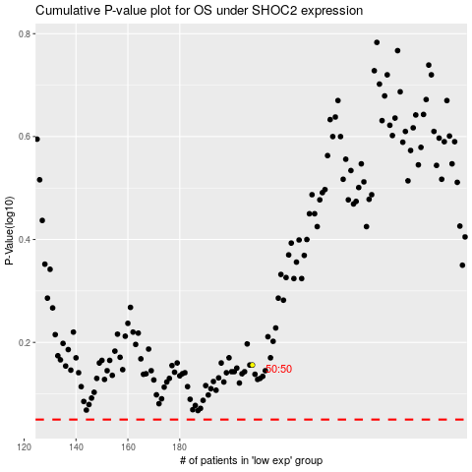

 |  |  |  |  |  | cases_OS | p_OS | rank | exp
 |  |  |  |  |  |  | cases_RFS | p_RFS | rank | exp

