SHPK _multivariate
Reported by Tex Li-Hsing Chi. tex@gate.sinica.edu.tw 2019-08-16

Table 2. The clinicopathological features of HNSCC cohort and SHPK expression. (Chi square test)
Cutoff at -0.16 (49.8%)
 |  | SHPK expression |  | SHPK expression |  | (Optimised)
 | Features | Low | (%) | High | (%) | Case no | P-value | Remark | Matthews
Gender | Female | 152 | 36.6 | 154 | 37.1 | 415 | 0.9766 | 0 | 0
2 | Male | 55 | 13.3 | 54 | 13
Age at diagnosis | <=65y | 135 | 32.5 | 139 | 33.5 | 415 | 0.8084 | 0 | 0
4 | >65y | 72 | 17.3 | 69 | 16.6
Clinical T Status | T1+T2 | 85 | 20.5 | 64 | 15.4 | 415 | 0.0372 | 1 | 0
6 | T3+T4 | 122 | 29.4 | 144 | 34.7
Clinical N Status | N0 | 105 | 25.3 | 111 | 26.7 | 415 | 0.6598 | 0 | 0
8 | N1-3 | 102 | 24.6 | 97 | 23.4
Clinical M Status | M0 | 205 | 49.4 | 207 | 49.9 | 415 | 0.6232 | 0 | 0
10 | M1 | 2 | 0.5 | 1 | 0.2
Clinical Stage | Stage I+II | 55 | 13.3 | 47 | 11.3 | 415 | 0.4087 | 0 | 0
12 | Stage III+IV | 152 | 36.6 | 161 | 38.8
Surgical Margin status | Negative | 153 | 36.9 | 165 | 39.8 | 415 | 0.2036 | 0 | 0
14 | Positive | 54 | 13 | 43 | 10.4
Tobacco Exposure | Low | 89 | 21.4 | 72 | 17.3 | 415 | 0.0872 | 0 | 0
16 | High | 118 | 28.4 | 136 | 32.8

Table 3. Univariate/Multivariate Cox's proportional hazards regression analyses on OS time of SHPK gene expression in HNSCC

 |  | Univariate |  |  |  | Multivariate
 | Features | HR | CI95%(L) | CI95%(H) | P-value | HR | CI95%(L) | CI95%(H) | P-value
1 | Female | 1 |  |  |  | 1
Gender | Male | 1.157 | 0.843 | 1.587 | 0.367 | 1.205 | 0.863 | 1.682 | 0.274
11 | <=65y | 1 |  |  |  | 1
Age at diagnosis | >65y | 1.329 | 0.99 | 1.784 | 0.058 | 1.381 | 1.016 | 1.879 | 0.039
12 | T1+T2 | 1 |  |  |  | 1
Clinical T Status | T3+T4 | 1.409 | 1.028 | 1.931 | 0.033 | 2.235 | 1.181 | 4.231 | 0.013
13 | N0 | 1 |  |  |  | 1
Clinical N Status | N1-3 | 1.185 | 0.89 | 1.577 | 0.246 | 1.236 | 0.866 | 1.764 | 0.243
14 | M0 | 1 |  |  |  | 1
Clinical M Status | M1 | 4.097 | 1.009 | 16.644 | 0.049 | 9.193 | 2.003 | 42.198 | 0.004
15 | Stage I+II | 1 |  |  |  | 1
Clinical Stage | Stage III+IV | 1.245 | 0.882 | 1.759 | 0.213 | 0.501 | 0.234 | 1.076 | 0.077
16 | Negative | 1 |  |  |  | 1
Surgical Margin status | Positive | 1.591 | 1.155 | 2.191 | 0.004 | 1.643 | 1.186 | 2.277 | 0.003
17 | Low | 1 |  |  |  | 1
Tobacco Exposure | High | 1.364 | 1.008 | 1.844 | 0.044 | 1.463 | 1.062 | 2.016 | 0.02
18 | Low | 1 |  |  |  | 1
RNAseq(z-score) | High | 0.88 | 0.66 | 1.173 | 0.383 | 0.894 | 0.667 | 1.199 | 0.456

Table 4. Univariate/Multivariate Cox's proportional hazards regression analyses on RFS time of SHPK gene expression in HNSCC

 |  | Univariate |  |  |  | Multivariate
 | Features | HR | CI95%(L) | CI95%(H) | P-value | HR | CI95%(L) | CI95%(H) | P-value
1 | Female | 1 |  |  |  | 1
Gender | Male | 1.157 | 0.843 | 1.587 | 0.367 | 1.205 | 0.863 | 1.682 | 0.274
11 | <=65y | 1 |  |  |  | 1
Age at diagnosis | >65y | 1.329 | 0.99 | 1.784 | 0.058 | 1.381 | 1.016 | 1.879 | 0.039
12 | T1+T2 | 1 |  |  |  | 1
Clinical T Status | T3+T4 | 1.409 | 1.028 | 1.931 | 0.033 | 2.235 | 1.181 | 4.231 | 0.013
13 | N0 | 1 |  |  |  | 1
Clinical N Status | N1-3 | 1.185 | 0.89 | 1.577 | 0.246 | 1.236 | 0.866 | 1.764 | 0.243
14 | M0 | 1 |  |  |  | 1
Clinical M Status | M1 | 4.097 | 1.009 | 16.644 | 0.049 | 9.193 | 2.003 | 42.198 | 0.004
15 | Stage I+II | 1 |  |  |  | 1
Clinical Stage | Stage III+IV | 1.245 | 0.882 | 1.759 | 0.213 | 0.501 | 0.234 | 1.076 | 0.077
16 | Negative | 1 |  |  |  | 1
Surgical Margin status | Positive | 1.591 | 1.155 | 2.191 | 0.004 | 1.643 | 1.186 | 2.277 | 0.003
17 | Low | 1 |  |  |  | 1
Tobacco Exposure | High | 1.364 | 1.008 | 1.844 | 0.044 | 1.463 | 1.062 | 2.016 | 0.02
18 | Low | 1 |  |  |  | 1
RNAseq(z-score) | High | 0.88 | 0.66 | 1.173 | 0.383 | 0.894 | 0.667 | 1.199 | 0.456

Kaplan-Meier survival estimate: Cutoff at -0.16 (49.8%)



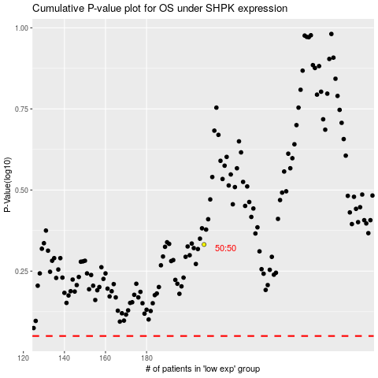

 |  |  |  |  |  | cases_OS | p_OS | rank | exp
 |  |  |  |  |  |  | cases_RFS | p_RFS | rank | exp

