SHQ1 _multivariate
Reported by Tex Li-Hsing Chi. tex@gate.sinica.edu.tw 2019-08-16

Table 2. The clinicopathological features of HNSCC cohort and SHQ1 expression. (Chi square test)
Cutoff at -0.164 (49.8%)
 |  | SHQ1 expression |  | SHQ1 expression |  | (Optimised)
 | Features | Low | (%) | High | (%) | Case no | P-value | Remark | Matthews
Gender | Female | 158 | 38.1 | 148 | 35.7 | 415 | 0.2774 | 0 | 0
2 | Male | 49 | 11.8 | 60 | 14.5
Age at diagnosis | <=65y | 142 | 34.2 | 132 | 31.8 | 415 | 0.3167 | 0 | 0
4 | >65y | 65 | 15.7 | 76 | 18.3
Clinical T Status | T1+T2 | 68 | 16.4 | 81 | 19.5 | 415 | 0.2336 | 0 | 0
6 | T3+T4 | 139 | 33.5 | 127 | 30.6
Clinical N Status | N0 | 104 | 25.1 | 112 | 27 | 415 | 0.5243 | 0 | 0
8 | N1-3 | 103 | 24.8 | 96 | 23.1
Clinical M Status | M0 | 204 | 49.2 | 208 | 50.1 | 415 | 0.1232 | 0 | 0
10 | M1 | 3 | 0.7 | 0 | 0
Clinical Stage | Stage I+II | 43 | 10.4 | 59 | 14.2 | 415 | 0.0925 | 0 | 0
12 | Stage III+IV | 164 | 39.5 | 149 | 35.9
Surgical Margin status | Negative | 158 | 38.1 | 160 | 38.6 | 415 | 0.9081 | 0 | 0
14 | Positive | 49 | 11.8 | 48 | 11.6
Tobacco Exposure | Low | 78 | 18.8 | 83 | 20 | 415 | 0.6873 | 0 | 0
16 | High | 129 | 31.1 | 125 | 30.1

Table 3. Univariate/Multivariate Cox's proportional hazards regression analyses on OS time of SHQ1 gene expression in HNSCC

 |  | Univariate |  |  |  | Multivariate
 | Features | HR | CI95%(L) | CI95%(H) | P-value | HR | CI95%(L) | CI95%(H) | P-value
1 | Female | 1 |  |  |  | 1
Gender | Male | 1.157 | 0.843 | 1.587 | 0.367 | 1.197 | 0.856 | 1.673 | 0.293
11 | <=65y | 1 |  |  |  | 1
Age at diagnosis | >65y | 1.329 | 0.99 | 1.784 | 0.058 | 1.37 | 1.006 | 1.866 | 0.046
12 | T1+T2 | 1 |  |  |  | 1
Clinical T Status | T3+T4 | 1.409 | 1.028 | 1.931 | 0.033 | 2.213 | 1.171 | 4.184 | 0.014
13 | N0 | 1 |  |  |  | 1
Clinical N Status | N1-3 | 1.185 | 0.89 | 1.577 | 0.246 | 1.242 | 0.87 | 1.772 | 0.233
14 | M0 | 1 |  |  |  | 1
Clinical M Status | M1 | 4.097 | 1.009 | 16.644 | 0.049 | 10.112 | 2.189 | 46.706 | 0.003
15 | Stage I+II | 1 |  |  |  | 1
Clinical Stage | Stage III+IV | 1.245 | 0.882 | 1.759 | 0.213 | 0.509 | 0.237 | 1.093 | 0.083
16 | Negative | 1 |  |  |  | 1
Surgical Margin status | Positive | 1.591 | 1.155 | 2.191 | 0.004 | 1.679 | 1.215 | 2.321 | 0.002
17 | Low | 1 |  |  |  | 1
Tobacco Exposure | High | 1.364 | 1.008 | 1.844 | 0.044 | 1.456 | 1.056 | 2.006 | 0.022
18 | Low | 1 |  |  |  | 1
RNAseq(z-score) | High | 1.123 | 0.842 | 1.498 | 0.43 | 1.155 | 0.861 | 1.548 | 0.337

Table 4. Univariate/Multivariate Cox's proportional hazards regression analyses on RFS time of SHQ1 gene expression in HNSCC

 |  | Univariate |  |  |  | Multivariate
 | Features | HR | CI95%(L) | CI95%(H) | P-value | HR | CI95%(L) | CI95%(H) | P-value
1 | Female | 1 |  |  |  | 1
Gender | Male | 1.157 | 0.843 | 1.587 | 0.367 | 1.197 | 0.856 | 1.673 | 0.293
11 | <=65y | 1 |  |  |  | 1
Age at diagnosis | >65y | 1.329 | 0.99 | 1.784 | 0.058 | 1.37 | 1.006 | 1.866 | 0.046
12 | T1+T2 | 1 |  |  |  | 1
Clinical T Status | T3+T4 | 1.409 | 1.028 | 1.931 | 0.033 | 2.213 | 1.171 | 4.184 | 0.014
13 | N0 | 1 |  |  |  | 1
Clinical N Status | N1-3 | 1.185 | 0.89 | 1.577 | 0.246 | 1.242 | 0.87 | 1.772 | 0.233
14 | M0 | 1 |  |  |  | 1
Clinical M Status | M1 | 4.097 | 1.009 | 16.644 | 0.049 | 10.112 | 2.189 | 46.706 | 0.003
15 | Stage I+II | 1 |  |  |  | 1
Clinical Stage | Stage III+IV | 1.245 | 0.882 | 1.759 | 0.213 | 0.509 | 0.237 | 1.093 | 0.083
16 | Negative | 1 |  |  |  | 1
Surgical Margin status | Positive | 1.591 | 1.155 | 2.191 | 0.004 | 1.679 | 1.215 | 2.321 | 0.002
17 | Low | 1 |  |  |  | 1
Tobacco Exposure | High | 1.364 | 1.008 | 1.844 | 0.044 | 1.456 | 1.056 | 2.006 | 0.022
18 | Low | 1 |  |  |  | 1
RNAseq(z-score) | High | 1.123 | 0.842 | 1.498 | 0.43 | 1.155 | 0.861 | 1.548 | 0.337

Kaplan-Meier survival estimate: Cutoff at -0.164 (49.8%)



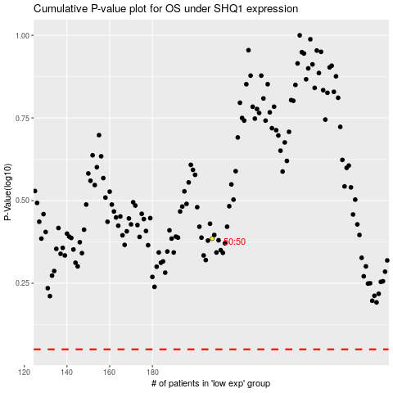

 |  |  |  |  |  | cases_OS | p_OS | rank | exp
 |  |  |  |  |  |  | cases_RFS | p_RFS | rank | exp

