SHROOM2 _multivariate
Reported by Tex Li-Hsing Chi. tex@gate.sinica.edu.tw 2019-08-16

Table 2. The clinicopathological features of HNSCC cohort and SHROOM2 expression. (Chi square test)
Cutoff at 0.166 (62.1%)
 |  | SHROOM2 expression |  | SHROOM2 expression |  | (Optimised)
 | Features | Low | (%) | High | (%) | Case no | P-value | Remark | Matthews
Gender | Female | 197 | 47.5 | 109 | 26.3 | 415 | 0.1497 | 0 | 0
2 | Male | 61 | 14.7 | 48 | 11.6
Age at diagnosis | <=65y | 173 | 41.7 | 101 | 24.3 | 415 | 0.6447 | 0 | 0
4 | >65y | 85 | 20.5 | 56 | 13.5
Clinical T Status | T1+T2 | 91 | 21.9 | 58 | 14 | 415 | 0.8113 | 0 | 0
6 | T3+T4 | 167 | 40.2 | 99 | 23.9
Clinical N Status | N0 | 117 | 28.2 | 99 | 23.9 | 415 | 7e-04 | 1 | 0
8 | N1-3 | 141 | 34 | 58 | 14
Clinical M Status | M0 | 256 | 61.7 | 156 | 37.6 | 415 | 1 | 0 | 0
10 | M1 | 2 | 0.5 | 1 | 0.2
Clinical Stage | Stage I+II | 58 | 14 | 44 | 10.6 | 415 | 0.2482 | 0 | 0
12 | Stage III+IV | 200 | 48.2 | 113 | 27.2
Surgical Margin status | Negative | 196 | 47.2 | 122 | 29.4 | 415 | 0.7209 | 0 | 0
14 | Positive | 62 | 14.9 | 35 | 8.4
Tobacco Exposure | Low | 94 | 22.7 | 67 | 16.1 | 415 | 0.2141 | 0 | 0
16 | High | 164 | 39.5 | 90 | 21.7

Table 3. Univariate/Multivariate Cox's proportional hazards regression analyses on OS time of SHROOM2 gene expression in HNSCC

 |  | Univariate |  |  |  | Multivariate
 | Features | HR | CI95%(L) | CI95%(H) | P-value | HR | CI95%(L) | CI95%(H) | P-value
1 | Female | 1 |  |  |  | 1
Gender | Male | 1.157 | 0.843 | 1.587 | 0.367 | 1.204 | 0.861 | 1.684 | 0.279
11 | <=65y | 1 |  |  |  | 1
Age at diagnosis | >65y | 1.329 | 0.99 | 1.784 | 0.058 | 1.402 | 1.03 | 1.909 | 0.032
12 | T1+T2 | 1 |  |  |  | 1
Clinical T Status | T3+T4 | 1.409 | 1.028 | 1.931 | 0.033 | 2.177 | 1.152 | 4.114 | 0.017
13 | N0 | 1 |  |  |  | 1
Clinical N Status | N1-3 | 1.185 | 0.89 | 1.577 | 0.246 | 1.196 | 0.836 | 1.712 | 0.328
14 | M0 | 1 |  |  |  | 1
Clinical M Status | M1 | 4.097 | 1.009 | 16.644 | 0.049 | 9.496 | 2.072 | 43.518 | 0.004
15 | Stage I+II | 1 |  |  |  | 1
Clinical Stage | Stage III+IV | 1.245 | 0.882 | 1.759 | 0.213 | 0.504 | 0.235 | 1.082 | 0.079
16 | Negative | 1 |  |  |  | 1
Surgical Margin status | Positive | 1.591 | 1.155 | 2.191 | 0.004 | 1.639 | 1.186 | 2.265 | 0.003
17 | Low | 1 |  |  |  | 1
Tobacco Exposure | High | 1.364 | 1.008 | 1.844 | 0.044 | 1.437 | 1.042 | 1.981 | 0.027
18 | Low | 1 |  |  |  | 1
RNAseq(z-score) | High | 0.726 | 0.536 | 0.983 | 0.038 | 0.763 | 0.56 | 1.04 | 0.087

Table 4. Univariate/Multivariate Cox's proportional hazards regression analyses on RFS time of SHROOM2 gene expression in HNSCC

 |  | Univariate |  |  |  | Multivariate
 | Features | HR | CI95%(L) | CI95%(H) | P-value | HR | CI95%(L) | CI95%(H) | P-value
1 | Female | 1 |  |  |  | 1
Gender | Male | 1.157 | 0.843 | 1.587 | 0.367 | 1.204 | 0.861 | 1.684 | 0.279
11 | <=65y | 1 |  |  |  | 1
Age at diagnosis | >65y | 1.329 | 0.99 | 1.784 | 0.058 | 1.402 | 1.03 | 1.909 | 0.032
12 | T1+T2 | 1 |  |  |  | 1
Clinical T Status | T3+T4 | 1.409 | 1.028 | 1.931 | 0.033 | 2.177 | 1.152 | 4.114 | 0.017
13 | N0 | 1 |  |  |  | 1
Clinical N Status | N1-3 | 1.185 | 0.89 | 1.577 | 0.246 | 1.196 | 0.836 | 1.712 | 0.328
14 | M0 | 1 |  |  |  | 1
Clinical M Status | M1 | 4.097 | 1.009 | 16.644 | 0.049 | 9.496 | 2.072 | 43.518 | 0.004
15 | Stage I+II | 1 |  |  |  | 1
Clinical Stage | Stage III+IV | 1.245 | 0.882 | 1.759 | 0.213 | 0.504 | 0.235 | 1.082 | 0.079
16 | Negative | 1 |  |  |  | 1
Surgical Margin status | Positive | 1.591 | 1.155 | 2.191 | 0.004 | 1.639 | 1.186 | 2.265 | 0.003
17 | Low | 1 |  |  |  | 1
Tobacco Exposure | High | 1.364 | 1.008 | 1.844 | 0.044 | 1.437 | 1.042 | 1.981 | 0.027
18 | Low | 1 |  |  |  | 1
RNAseq(z-score) | High | 0.726 | 0.536 | 0.983 | 0.038 | 0.763 | 0.56 | 1.04 | 0.087

Kaplan-Meier survival estimate: Cutoff at 0.166 (62.1%)

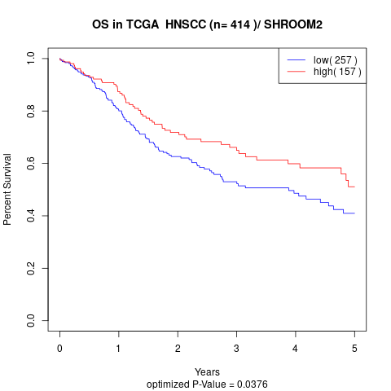

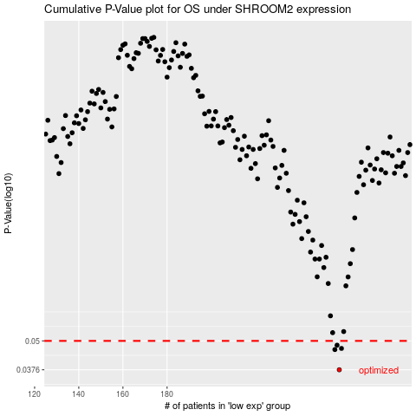

 |  |  |  |  |  | cases_OS | p_OS | rank | exp
 |  |  |  |  |  | 258 | 0.0376 | 152 | 0.16587819591
 |  |  |  |  |  | 256 | 0.0459 | 27 | 0.11620860521
 |  |  |  |  |  | 259 | 0.0464 | 170 | 0.16641917458
 |  |  |  |  |  | 257 | 0.0479 | 404 | 0.15833147171
 |  |  |  |  |  |  | cases_RFS | p_RFS | rank | exp
 |  |  |  |  |  |  | 257 | 0.0376 | 404 | 0.15833147171
 |  |  |  |  |  |  | 255 | 0.0459 | 48 | 0.11282956921
 |  |  |  |  |  |  | 258 | 0.0464 | 152 | 0.16587819591
 |  |  |  |  |  |  | 256 | 0.0479 | 27 | 0.11620860521

