SHROOM4 _multivariate
Reported by Tex Li-Hsing Chi. tex@gate.sinica.edu.tw 2019-08-16

Table 2. The clinicopathological features of HNSCC cohort and SHROOM4 expression. (Chi square test)
Cutoff at -0.345 (49.8%)
 |  | SHROOM4 expression |  | SHROOM4 expression |  | (Optimised)
 | Features | Low | (%) | High | (%) | Case no | P-value | Remark | Matthews
Gender | Female | 150 | 36.1 | 156 | 37.6 | 415 | 0.6344 | 0 | 0
2 | Male | 57 | 13.7 | 52 | 12.5
Age at diagnosis | <=65y | 136 | 32.8 | 138 | 33.3 | 415 | 0.9719 | 0 | 0
4 | >65y | 71 | 17.1 | 70 | 16.9
Clinical T Status | T1+T2 | 65 | 15.7 | 84 | 20.2 | 415 | 0.0711 | 0 | 0
6 | T3+T4 | 142 | 34.2 | 124 | 29.9
Clinical N Status | N0 | 98 | 23.6 | 118 | 28.4 | 415 | 0.0694 | 0 | 0
8 | N1-3 | 109 | 26.3 | 90 | 21.7
Clinical M Status | M0 | 204 | 49.2 | 208 | 50.1 | 415 | 0.1232 | 0 | 0
10 | M1 | 3 | 0.7 | 0 | 0
Clinical Stage | Stage I+II | 39 | 9.4 | 63 | 15.2 | 415 | 0.0095 | 1 | 0
12 | Stage III+IV | 168 | 40.5 | 145 | 34.9
Surgical Margin status | Negative | 160 | 38.6 | 158 | 38.1 | 415 | 0.8167 | 0 | 0
14 | Positive | 47 | 11.3 | 50 | 12
Tobacco Exposure | Low | 85 | 20.5 | 76 | 18.3 | 415 | 0.3655 | 0 | 0
16 | High | 122 | 29.4 | 132 | 31.8

Table 3. Univariate/Multivariate Cox's proportional hazards regression analyses on OS time of SHROOM4 gene expression in HNSCC

 |  | Univariate |  |  |  | Multivariate
 | Features | HR | CI95%(L) | CI95%(H) | P-value | HR | CI95%(L) | CI95%(H) | P-value
1 | Female | 1 |  |  |  | 1
Gender | Male | 1.157 | 0.843 | 1.587 | 0.367 | 1.213 | 0.868 | 1.695 | 0.259
11 | <=65y | 1 |  |  |  | 1
Age at diagnosis | >65y | 1.329 | 0.99 | 1.784 | 0.058 | 1.391 | 1.023 | 1.891 | 0.035
12 | T1+T2 | 1 |  |  |  | 1
Clinical T Status | T3+T4 | 1.409 | 1.028 | 1.931 | 0.033 | 2.209 | 1.168 | 4.178 | 0.015
13 | N0 | 1 |  |  |  | 1
Clinical N Status | N1-3 | 1.185 | 0.89 | 1.577 | 0.246 | 1.238 | 0.868 | 1.766 | 0.239
14 | M0 | 1 |  |  |  | 1
Clinical M Status | M1 | 4.097 | 1.009 | 16.644 | 0.049 | 10.108 | 2.186 | 46.742 | 0.003
15 | Stage I+II | 1 |  |  |  | 1
Clinical Stage | Stage III+IV | 1.245 | 0.882 | 1.759 | 0.213 | 0.511 | 0.238 | 1.099 | 0.086
16 | Negative | 1 |  |  |  | 1
Surgical Margin status | Positive | 1.591 | 1.155 | 2.191 | 0.004 | 1.685 | 1.219 | 2.33 | 0.002
17 | Low | 1 |  |  |  | 1
Tobacco Exposure | High | 1.364 | 1.008 | 1.844 | 0.044 | 1.45 | 1.053 | 1.997 | 0.023
18 | Low | 1 |  |  |  | 1
RNAseq(z-score) | High | 1.075 | 0.806 | 1.432 | 0.624 | 1.141 | 0.852 | 1.528 | 0.375

Table 4. Univariate/Multivariate Cox's proportional hazards regression analyses on RFS time of SHROOM4 gene expression in HNSCC

 |  | Univariate |  |  |  | Multivariate
 | Features | HR | CI95%(L) | CI95%(H) | P-value | HR | CI95%(L) | CI95%(H) | P-value
1 | Female | 1 |  |  |  | 1
Gender | Male | 1.157 | 0.843 | 1.587 | 0.367 | 1.213 | 0.868 | 1.695 | 0.259
11 | <=65y | 1 |  |  |  | 1
Age at diagnosis | >65y | 1.329 | 0.99 | 1.784 | 0.058 | 1.391 | 1.023 | 1.891 | 0.035
12 | T1+T2 | 1 |  |  |  | 1
Clinical T Status | T3+T4 | 1.409 | 1.028 | 1.931 | 0.033 | 2.209 | 1.168 | 4.178 | 0.015
13 | N0 | 1 |  |  |  | 1
Clinical N Status | N1-3 | 1.185 | 0.89 | 1.577 | 0.246 | 1.238 | 0.868 | 1.766 | 0.239
14 | M0 | 1 |  |  |  | 1
Clinical M Status | M1 | 4.097 | 1.009 | 16.644 | 0.049 | 10.108 | 2.186 | 46.742 | 0.003
15 | Stage I+II | 1 |  |  |  | 1
Clinical Stage | Stage III+IV | 1.245 | 0.882 | 1.759 | 0.213 | 0.511 | 0.238 | 1.099 | 0.086
16 | Negative | 1 |  |  |  | 1
Surgical Margin status | Positive | 1.591 | 1.155 | 2.191 | 0.004 | 1.685 | 1.219 | 2.33 | 0.002
17 | Low | 1 |  |  |  | 1
Tobacco Exposure | High | 1.364 | 1.008 | 1.844 | 0.044 | 1.45 | 1.053 | 1.997 | 0.023
18 | Low | 1 |  |  |  | 1
RNAseq(z-score) | High | 1.075 | 0.806 | 1.432 | 0.624 | 1.141 | 0.852 | 1.528 | 0.375

Kaplan-Meier survival estimate: Cutoff at -0.345 (49.8%)



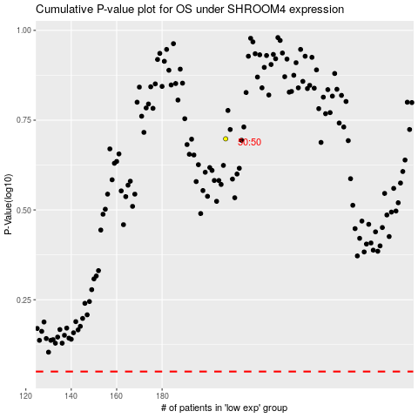

 |  |  |  |  |  | cases_OS | p_OS | rank | exp
 |  |  |  |  |  |  | cases_RFS | p_RFS | rank | exp

