SIAE _multivariate
Reported by Tex Li-Hsing Chi. tex@gate.sinica.edu.tw 2019-08-16

Table 2. The clinicopathological features of HNSCC cohort and SIAE expression. (Chi square test)
Cutoff at -0.308 (50.0%)
 |  | SIAE expression |  | SIAE expression |  | (Optimised)
 | Features | Low | (%) | High | (%) | Case no | P-value | Remark | Matthews
Gender | Female | 164 | 39.5 | 142 | 34.2 | 415 | 0.0153 | 1 | 0
2 | Male | 43 | 10.4 | 66 | 15.9
Age at diagnosis | <=65y | 145 | 34.9 | 129 | 31.1 | 415 | 0.1046 | 0 | 0
4 | >65y | 62 | 14.9 | 79 | 19
Clinical T Status | T1+T2 | 79 | 19 | 70 | 16.9 | 415 | 0.3924 | 0 | 0
6 | T3+T4 | 128 | 30.8 | 138 | 33.3
Clinical N Status | N0 | 94 | 22.7 | 122 | 29.4 | 415 | 0.0093 | 1 | 0
8 | N1-3 | 113 | 27.2 | 86 | 20.7
Clinical M Status | M0 | 206 | 49.6 | 206 | 49.6 | 415 | 1 | 0 | 0
10 | M1 | 1 | 0.2 | 2 | 0.5
Clinical Stage | Stage I+II | 48 | 11.6 | 54 | 13 | 415 | 0.5878 | 0 | 0
12 | Stage III+IV | 159 | 38.3 | 154 | 37.1
Surgical Margin status | Negative | 154 | 37.1 | 164 | 39.5 | 415 | 0.2984 | 0 | 0
14 | Positive | 53 | 12.8 | 44 | 10.6
Tobacco Exposure | Low | 72 | 17.3 | 89 | 21.4 | 415 | 0.1071 | 0 | 0
16 | High | 135 | 32.5 | 119 | 28.7

Table 3. Univariate/Multivariate Cox's proportional hazards regression analyses on OS time of SIAE gene expression in HNSCC

 |  | Univariate |  |  |  | Multivariate
 | Features | HR | CI95%(L) | CI95%(H) | P-value | HR | CI95%(L) | CI95%(H) | P-value
1 | Female | 1 |  |  |  | 1
Gender | Male | 1.157 | 0.843 | 1.587 | 0.367 | 1.206 | 0.862 | 1.688 | 0.274
11 | <=65y | 1 |  |  |  | 1
Age at diagnosis | >65y | 1.329 | 0.99 | 1.784 | 0.058 | 1.395 | 1.025 | 1.897 | 0.034
12 | T1+T2 | 1 |  |  |  | 1
Clinical T Status | T3+T4 | 1.409 | 1.028 | 1.931 | 0.033 | 2.215 | 1.169 | 4.196 | 0.015
13 | N0 | 1 |  |  |  | 1
Clinical N Status | N1-3 | 1.185 | 0.89 | 1.577 | 0.246 | 1.235 | 0.864 | 1.766 | 0.246
14 | M0 | 1 |  |  |  | 1
Clinical M Status | M1 | 4.097 | 1.009 | 16.644 | 0.049 | 9.597 | 2.075 | 44.391 | 0.004
15 | Stage I+II | 1 |  |  |  | 1
Clinical Stage | Stage III+IV | 1.245 | 0.882 | 1.759 | 0.213 | 0.501 | 0.233 | 1.078 | 0.077
16 | Negative | 1 |  |  |  | 1
Surgical Margin status | Positive | 1.591 | 1.155 | 2.191 | 0.004 | 1.674 | 1.211 | 2.313 | 0.002
17 | Low | 1 |  |  |  | 1
Tobacco Exposure | High | 1.364 | 1.008 | 1.844 | 0.044 | 1.449 | 1.051 | 1.999 | 0.024
18 | Low | 1 |  |  |  | 1
RNAseq(z-score) | High | 0.992 | 0.745 | 1.321 | 0.955 | 0.965 | 0.717 | 1.297 | 0.812

Table 4. Univariate/Multivariate Cox's proportional hazards regression analyses on RFS time of SIAE gene expression in HNSCC

 |  | Univariate |  |  |  | Multivariate
 | Features | HR | CI95%(L) | CI95%(H) | P-value | HR | CI95%(L) | CI95%(H) | P-value
1 | Female | 1 |  |  |  | 1
Gender | Male | 1.157 | 0.843 | 1.587 | 0.367 | 1.206 | 0.862 | 1.688 | 0.274
11 | <=65y | 1 |  |  |  | 1
Age at diagnosis | >65y | 1.329 | 0.99 | 1.784 | 0.058 | 1.395 | 1.025 | 1.897 | 0.034
12 | T1+T2 | 1 |  |  |  | 1
Clinical T Status | T3+T4 | 1.409 | 1.028 | 1.931 | 0.033 | 2.215 | 1.169 | 4.196 | 0.015
13 | N0 | 1 |  |  |  | 1
Clinical N Status | N1-3 | 1.185 | 0.89 | 1.577 | 0.246 | 1.235 | 0.864 | 1.766 | 0.246
14 | M0 | 1 |  |  |  | 1
Clinical M Status | M1 | 4.097 | 1.009 | 16.644 | 0.049 | 9.597 | 2.075 | 44.391 | 0.004
15 | Stage I+II | 1 |  |  |  | 1
Clinical Stage | Stage III+IV | 1.245 | 0.882 | 1.759 | 0.213 | 0.501 | 0.233 | 1.078 | 0.077
16 | Negative | 1 |  |  |  | 1
Surgical Margin status | Positive | 1.591 | 1.155 | 2.191 | 0.004 | 1.674 | 1.211 | 2.313 | 0.002
17 | Low | 1 |  |  |  | 1
Tobacco Exposure | High | 1.364 | 1.008 | 1.844 | 0.044 | 1.449 | 1.051 | 1.999 | 0.024
18 | Low | 1 |  |  |  | 1
RNAseq(z-score) | High | 0.992 | 0.745 | 1.321 | 0.955 | 0.965 | 0.717 | 1.297 | 0.812

Kaplan-Meier survival estimate: Cutoff at -0.308 (50.0%)



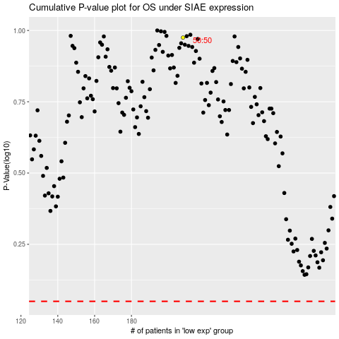

 |  |  |  |  |  | cases_OS | p_OS | rank | exp
 |  |  |  |  |  |  | cases_RFS | p_RFS | rank | exp

