SIAH2 _multivariate
Reported by Tex Li-Hsing Chi. tex@gate.sinica.edu.tw 2019-08-16

Table 2. The clinicopathological features of HNSCC cohort and SIAH2 expression. (Chi square test)
Cutoff at -0.19 (50.0%)
 |  | SIAH2 expression |  | SIAH2 expression |  | (Optimised)
 | Features | Low | (%) | High | (%) | Case no | P-value | Remark | Matthews
Gender | Female | 142 | 34.2 | 164 | 39.5 | 415 | 0.0238 | 1 | 0
2 | Male | 65 | 15.7 | 44 | 10.6
Age at diagnosis | <=65y | 130 | 31.3 | 144 | 34.7 | 415 | 0.2009 | 0 | 0
4 | >65y | 77 | 18.6 | 64 | 15.4
Clinical T Status | T1+T2 | 72 | 17.3 | 77 | 18.6 | 415 | 0.7095 | 0 | 0
6 | T3+T4 | 135 | 32.5 | 131 | 31.6
Clinical N Status | N0 | 105 | 25.3 | 111 | 26.7 | 415 | 0.6598 | 0 | 0
8 | N1-3 | 102 | 24.6 | 97 | 23.4
Clinical M Status | M0 | 205 | 49.4 | 207 | 49.9 | 415 | 0.6232 | 0 | 0
10 | M1 | 2 | 0.5 | 1 | 0.2
Clinical Stage | Stage I+II | 51 | 12.3 | 51 | 12.3 | 415 | 1 | 0 | 0
12 | Stage III+IV | 156 | 37.6 | 157 | 37.8
Surgical Margin status | Negative | 164 | 39.5 | 154 | 37.1 | 415 | 0.2462 | 0 | 0
14 | Positive | 43 | 10.4 | 54 | 13
Tobacco Exposure | Low | 96 | 23.1 | 65 | 15.7 | 415 | 0.0018 | 1 | 0
16 | High | 111 | 26.7 | 143 | 34.5

Table 3. Univariate/Multivariate Cox's proportional hazards regression analyses on OS time of SIAH2 gene expression in HNSCC

 |  | Univariate |  |  |  | Multivariate
 | Features | HR | CI95%(L) | CI95%(H) | P-value | HR | CI95%(L) | CI95%(H) | P-value
1 | Female | 1 |  |  |  | 1
Gender | Male | 1.157 | 0.843 | 1.587 | 0.367 | 1.204 | 0.861 | 1.683 | 0.277
11 | <=65y | 1 |  |  |  | 1
Age at diagnosis | >65y | 1.329 | 0.99 | 1.784 | 0.058 | 1.388 | 1.021 | 1.888 | 0.036
12 | T1+T2 | 1 |  |  |  | 1
Clinical T Status | T3+T4 | 1.409 | 1.028 | 1.931 | 0.033 | 2.213 | 1.169 | 4.189 | 0.015
13 | N0 | 1 |  |  |  | 1
Clinical N Status | N1-3 | 1.185 | 0.89 | 1.577 | 0.246 | 1.246 | 0.872 | 1.78 | 0.228
14 | M0 | 1 |  |  |  | 1
Clinical M Status | M1 | 4.097 | 1.009 | 16.644 | 0.049 | 9.473 | 2.065 | 43.465 | 0.004
15 | Stage I+II | 1 |  |  |  | 1
Clinical Stage | Stage III+IV | 1.245 | 0.882 | 1.759 | 0.213 | 0.502 | 0.234 | 1.078 | 0.077
16 | Negative | 1 |  |  |  | 1
Surgical Margin status | Positive | 1.591 | 1.155 | 2.191 | 0.004 | 1.671 | 1.209 | 2.309 | 0.002
17 | Low | 1 |  |  |  | 1
Tobacco Exposure | High | 1.364 | 1.008 | 1.844 | 0.044 | 1.443 | 1.042 | 1.998 | 0.027
18 | Low | 1 |  |  |  | 1
RNAseq(z-score) | High | 1.046 | 0.785 | 1.393 | 0.76 | 1.038 | 0.774 | 1.393 | 0.803

Table 4. Univariate/Multivariate Cox's proportional hazards regression analyses on RFS time of SIAH2 gene expression in HNSCC

 |  | Univariate |  |  |  | Multivariate
 | Features | HR | CI95%(L) | CI95%(H) | P-value | HR | CI95%(L) | CI95%(H) | P-value
1 | Female | 1 |  |  |  | 1
Gender | Male | 1.157 | 0.843 | 1.587 | 0.367 | 1.204 | 0.861 | 1.683 | 0.277
11 | <=65y | 1 |  |  |  | 1
Age at diagnosis | >65y | 1.329 | 0.99 | 1.784 | 0.058 | 1.388 | 1.021 | 1.888 | 0.036
12 | T1+T2 | 1 |  |  |  | 1
Clinical T Status | T3+T4 | 1.409 | 1.028 | 1.931 | 0.033 | 2.213 | 1.169 | 4.189 | 0.015
13 | N0 | 1 |  |  |  | 1
Clinical N Status | N1-3 | 1.185 | 0.89 | 1.577 | 0.246 | 1.246 | 0.872 | 1.78 | 0.228
14 | M0 | 1 |  |  |  | 1
Clinical M Status | M1 | 4.097 | 1.009 | 16.644 | 0.049 | 9.473 | 2.065 | 43.465 | 0.004
15 | Stage I+II | 1 |  |  |  | 1
Clinical Stage | Stage III+IV | 1.245 | 0.882 | 1.759 | 0.213 | 0.502 | 0.234 | 1.078 | 0.077
16 | Negative | 1 |  |  |  | 1
Surgical Margin status | Positive | 1.591 | 1.155 | 2.191 | 0.004 | 1.671 | 1.209 | 2.309 | 0.002
17 | Low | 1 |  |  |  | 1
Tobacco Exposure | High | 1.364 | 1.008 | 1.844 | 0.044 | 1.443 | 1.042 | 1.998 | 0.027
18 | Low | 1 |  |  |  | 1
RNAseq(z-score) | High | 1.046 | 0.785 | 1.393 | 0.76 | 1.038 | 0.774 | 1.393 | 0.803

Kaplan-Meier survival estimate: Cutoff at -0.19 (50.0%)



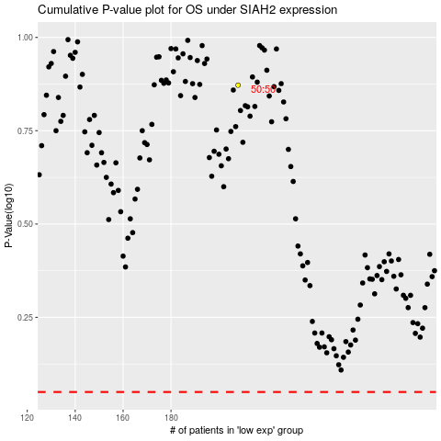

 |  |  |  |  |  | cases_OS | p_OS | rank | exp
 |  |  |  |  |  |  | cases_RFS | p_RFS | rank | exp

