SIDT2 _multivariate
Reported by Tex Li-Hsing Chi. tex@gate.sinica.edu.tw 2019-08-16

Table 2. The clinicopathological features of HNSCC cohort and SIDT2 expression. (Chi square test)
Cutoff at -0.185 (49.8%)
 |  | SIDT2 expression |  | SIDT2 expression |  | (Optimised)
 | Features | Low | (%) | High | (%) | Case no | P-value | Remark | Matthews
Gender | Female | 163 | 39.3 | 143 | 34.5 | 415 | 0.0277 | 1 | 0
2 | Male | 44 | 10.6 | 65 | 15.7
Age at diagnosis | <=65y | 146 | 35.2 | 128 | 30.8 | 415 | 0.0672 | 0 | 0
4 | >65y | 61 | 14.7 | 80 | 19.3
Clinical T Status | T1+T2 | 75 | 18.1 | 74 | 17.8 | 415 | 0.9707 | 0 | 0
6 | T3+T4 | 132 | 31.8 | 134 | 32.3
Clinical N Status | N0 | 94 | 22.7 | 122 | 29.4 | 415 | 0.0093 | 1 | 0
8 | N1-3 | 113 | 27.2 | 86 | 20.7
Clinical M Status | M0 | 204 | 49.2 | 208 | 50.1 | 415 | 0.1232 | 0 | 0
10 | M1 | 3 | 0.7 | 0 | 0
Clinical Stage | Stage I+II | 45 | 10.8 | 57 | 13.7 | 415 | 0.2202 | 0 | 0
12 | Stage III+IV | 162 | 39 | 151 | 36.4
Surgical Margin status | Negative | 153 | 36.9 | 165 | 39.8 | 415 | 0.2036 | 0 | 0
14 | Positive | 54 | 13 | 43 | 10.4
Tobacco Exposure | Low | 69 | 16.6 | 92 | 22.2 | 415 | 0.0266 | 1 | 0
16 | High | 138 | 33.3 | 116 | 28

Table 3. Univariate/Multivariate Cox's proportional hazards regression analyses on OS time of SIDT2 gene expression in HNSCC

 |  | Univariate |  |  |  | Multivariate
 | Features | HR | CI95%(L) | CI95%(H) | P-value | HR | CI95%(L) | CI95%(H) | P-value
1 | Female | 1 |  |  |  | 1
Gender | Male | 1.157 | 0.843 | 1.587 | 0.367 | 1.206 | 0.862 | 1.687 | 0.273
11 | <=65y | 1 |  |  |  | 1
Age at diagnosis | >65y | 1.329 | 0.99 | 1.784 | 0.058 | 1.394 | 1.026 | 1.896 | 0.034
12 | T1+T2 | 1 |  |  |  | 1
Clinical T Status | T3+T4 | 1.409 | 1.028 | 1.931 | 0.033 | 2.216 | 1.17 | 4.196 | 0.015
13 | N0 | 1 |  |  |  | 1
Clinical N Status | N1-3 | 1.185 | 0.89 | 1.577 | 0.246 | 1.235 | 0.864 | 1.764 | 0.247
14 | M0 | 1 |  |  |  | 1
Clinical M Status | M1 | 4.097 | 1.009 | 16.644 | 0.049 | 9.29 | 2.022 | 42.68 | 0.004
15 | Stage I+II | 1 |  |  |  | 1
Clinical Stage | Stage III+IV | 1.245 | 0.882 | 1.759 | 0.213 | 0.501 | 0.233 | 1.078 | 0.077
16 | Negative | 1 |  |  |  | 1
Surgical Margin status | Positive | 1.591 | 1.155 | 2.191 | 0.004 | 1.671 | 1.21 | 2.309 | 0.002
17 | Low | 1 |  |  |  | 1
Tobacco Exposure | High | 1.364 | 1.008 | 1.844 | 0.044 | 1.453 | 1.054 | 2.002 | 0.022
18 | Low | 1 |  |  |  | 1
RNAseq(z-score) | High | 0.954 | 0.716 | 1.27 | 0.747 | 0.957 | 0.714 | 1.282 | 0.767

Table 4. Univariate/Multivariate Cox's proportional hazards regression analyses on RFS time of SIDT2 gene expression in HNSCC

 |  | Univariate |  |  |  | Multivariate
 | Features | HR | CI95%(L) | CI95%(H) | P-value | HR | CI95%(L) | CI95%(H) | P-value
1 | Female | 1 |  |  |  | 1
Gender | Male | 1.157 | 0.843 | 1.587 | 0.367 | 1.206 | 0.862 | 1.687 | 0.273
11 | <=65y | 1 |  |  |  | 1
Age at diagnosis | >65y | 1.329 | 0.99 | 1.784 | 0.058 | 1.394 | 1.026 | 1.896 | 0.034
12 | T1+T2 | 1 |  |  |  | 1
Clinical T Status | T3+T4 | 1.409 | 1.028 | 1.931 | 0.033 | 2.216 | 1.17 | 4.196 | 0.015
13 | N0 | 1 |  |  |  | 1
Clinical N Status | N1-3 | 1.185 | 0.89 | 1.577 | 0.246 | 1.235 | 0.864 | 1.764 | 0.247
14 | M0 | 1 |  |  |  | 1
Clinical M Status | M1 | 4.097 | 1.009 | 16.644 | 0.049 | 9.29 | 2.022 | 42.68 | 0.004
15 | Stage I+II | 1 |  |  |  | 1
Clinical Stage | Stage III+IV | 1.245 | 0.882 | 1.759 | 0.213 | 0.501 | 0.233 | 1.078 | 0.077
16 | Negative | 1 |  |  |  | 1
Surgical Margin status | Positive | 1.591 | 1.155 | 2.191 | 0.004 | 1.671 | 1.21 | 2.309 | 0.002
17 | Low | 1 |  |  |  | 1
Tobacco Exposure | High | 1.364 | 1.008 | 1.844 | 0.044 | 1.453 | 1.054 | 2.002 | 0.022
18 | Low | 1 |  |  |  | 1
RNAseq(z-score) | High | 0.954 | 0.716 | 1.27 | 0.747 | 0.957 | 0.714 | 1.282 | 0.767

Kaplan-Meier survival estimate: Cutoff at -0.185 (49.8%)



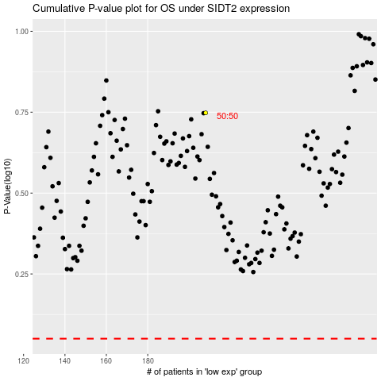

 |  |  |  |  |  | cases_OS | p_OS | rank | exp
 |  |  |  |  |  |  | cases_RFS | p_RFS | rank | exp

