SIGLEC1 _multivariate
Reported by Tex Li-Hsing Chi. tex@gate.sinica.edu.tw 2019-08-16

Table 2. The clinicopathological features of HNSCC cohort and SIGLEC1 expression. (Chi square test)
Cutoff at -0.338 (49.8%)
 |  | SIGLEC1 expression |  | SIGLEC1 expression |  | (Optimised)
 | Features | Low | (%) | High | (%) | Case no | P-value | Remark | Matthews
Gender | Female | 162 | 39 | 144 | 34.7 | 415 | 0.0479 | 1 | 0
2 | Male | 45 | 10.8 | 64 | 15.4
Age at diagnosis | <=65y | 145 | 34.9 | 129 | 31.1 | 415 | 0.1046 | 0 | 0
4 | >65y | 62 | 14.9 | 79 | 19
Clinical T Status | T1+T2 | 68 | 16.4 | 81 | 19.5 | 415 | 0.2336 | 0 | 0
6 | T3+T4 | 139 | 33.5 | 127 | 30.6
Clinical N Status | N0 | 108 | 26 | 108 | 26 | 415 | 1 | 0 | 0
8 | N1-3 | 99 | 23.9 | 100 | 24.1
Clinical M Status | M0 | 207 | 49.9 | 205 | 49.4 | 415 | 0.2482 | 0 | 0
10 | M1 | 0 | 0 | 3 | 0.7
Clinical Stage | Stage I+II | 45 | 10.8 | 57 | 13.7 | 415 | 0.2202 | 0 | 0
12 | Stage III+IV | 162 | 39 | 151 | 36.4
Surgical Margin status | Negative | 156 | 37.6 | 162 | 39 | 415 | 0.5636 | 0 | 0
14 | Positive | 51 | 12.3 | 46 | 11.1
Tobacco Exposure | Low | 72 | 17.3 | 89 | 21.4 | 415 | 0.1071 | 0 | 0
16 | High | 135 | 32.5 | 119 | 28.7

Table 3. Univariate/Multivariate Cox's proportional hazards regression analyses on OS time of SIGLEC1 gene expression in HNSCC

 |  | Univariate |  |  |  | Multivariate
 | Features | HR | CI95%(L) | CI95%(H) | P-value | HR | CI95%(L) | CI95%(H) | P-value
1 | Female | 1 |  |  |  | 1
Gender | Male | 1.157 | 0.843 | 1.587 | 0.367 | 1.198 | 0.858 | 1.675 | 0.289
11 | <=65y | 1 |  |  |  | 1
Age at diagnosis | >65y | 1.329 | 0.99 | 1.784 | 0.058 | 1.39 | 1.022 | 1.89 | 0.036
12 | T1+T2 | 1 |  |  |  | 1
Clinical T Status | T3+T4 | 1.409 | 1.028 | 1.931 | 0.033 | 2.19 | 1.157 | 4.145 | 0.016
13 | N0 | 1 |  |  |  | 1
Clinical N Status | N1-3 | 1.185 | 0.89 | 1.577 | 0.246 | 1.236 | 0.865 | 1.765 | 0.244
14 | M0 | 1 |  |  |  | 1
Clinical M Status | M1 | 4.097 | 1.009 | 16.644 | 0.049 | 9.137 | 1.974 | 42.301 | 0.005
15 | Stage I+II | 1 |  |  |  | 1
Clinical Stage | Stage III+IV | 1.245 | 0.882 | 1.759 | 0.213 | 0.51 | 0.237 | 1.097 | 0.085
16 | Negative | 1 |  |  |  | 1
Surgical Margin status | Positive | 1.591 | 1.155 | 2.191 | 0.004 | 1.669 | 1.208 | 2.307 | 0.002
17 | Low | 1 |  |  |  | 1
Tobacco Exposure | High | 1.364 | 1.008 | 1.844 | 0.044 | 1.458 | 1.058 | 2.011 | 0.021
18 | Low | 1 |  |  |  | 1
RNAseq(z-score) | High | 1.096 | 0.822 | 1.461 | 0.533 | 1.049 | 0.784 | 1.405 | 0.746

Table 4. Univariate/Multivariate Cox's proportional hazards regression analyses on RFS time of SIGLEC1 gene expression in HNSCC

 |  | Univariate |  |  |  | Multivariate
 | Features | HR | CI95%(L) | CI95%(H) | P-value | HR | CI95%(L) | CI95%(H) | P-value
1 | Female | 1 |  |  |  | 1
Gender | Male | 1.157 | 0.843 | 1.587 | 0.367 | 1.198 | 0.858 | 1.675 | 0.289
11 | <=65y | 1 |  |  |  | 1
Age at diagnosis | >65y | 1.329 | 0.99 | 1.784 | 0.058 | 1.39 | 1.022 | 1.89 | 0.036
12 | T1+T2 | 1 |  |  |  | 1
Clinical T Status | T3+T4 | 1.409 | 1.028 | 1.931 | 0.033 | 2.19 | 1.157 | 4.145 | 0.016
13 | N0 | 1 |  |  |  | 1
Clinical N Status | N1-3 | 1.185 | 0.89 | 1.577 | 0.246 | 1.236 | 0.865 | 1.765 | 0.244
14 | M0 | 1 |  |  |  | 1
Clinical M Status | M1 | 4.097 | 1.009 | 16.644 | 0.049 | 9.137 | 1.974 | 42.301 | 0.005
15 | Stage I+II | 1 |  |  |  | 1
Clinical Stage | Stage III+IV | 1.245 | 0.882 | 1.759 | 0.213 | 0.51 | 0.237 | 1.097 | 0.085
16 | Negative | 1 |  |  |  | 1
Surgical Margin status | Positive | 1.591 | 1.155 | 2.191 | 0.004 | 1.669 | 1.208 | 2.307 | 0.002
17 | Low | 1 |  |  |  | 1
Tobacco Exposure | High | 1.364 | 1.008 | 1.844 | 0.044 | 1.458 | 1.058 | 2.011 | 0.021
18 | Low | 1 |  |  |  | 1
RNAseq(z-score) | High | 1.096 | 0.822 | 1.461 | 0.533 | 1.049 | 0.784 | 1.405 | 0.746

Kaplan-Meier survival estimate: Cutoff at -0.338 (49.8%)



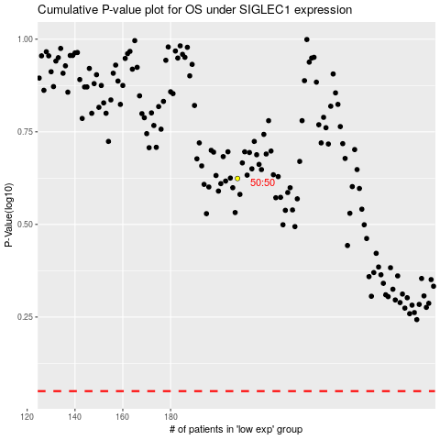

 |  |  |  |  |  | cases_OS | p_OS | rank | exp
 |  |  |  |  |  |  | cases_RFS | p_RFS | rank | exp

