SIGLEC10 _multivariate
Reported by Tex Li-Hsing Chi. tex@gate.sinica.edu.tw 2019-08-16

Table 2. The clinicopathological features of HNSCC cohort and SIGLEC10 expression. (Chi square test)
Cutoff at -0.297 (49.8%)
 |  | SIGLEC10 expression |  | SIGLEC10 expression |  | (Optimised)
 | Features | Low | (%) | High | (%) | Case no | P-value | Remark | Matthews
Gender | Female | 164 | 39.5 | 142 | 34.2 | 415 | 0.0153 | 1 | 0
2 | Male | 43 | 10.4 | 66 | 15.9
Age at diagnosis | <=65y | 141 | 34 | 133 | 32 | 415 | 0.4272 | 0 | 0
4 | >65y | 66 | 15.9 | 75 | 18.1
Clinical T Status | T1+T2 | 70 | 16.9 | 79 | 19 | 415 | 0.4343 | 0 | 0
6 | T3+T4 | 137 | 33 | 129 | 31.1
Clinical N Status | N0 | 120 | 28.9 | 96 | 23.1 | 415 | 0.0208 | 1 | 0
8 | N1-3 | 87 | 21 | 112 | 27
Clinical M Status | M0 | 206 | 49.6 | 206 | 49.6 | 415 | 1 | 0 | 0
10 | M1 | 1 | 0.2 | 2 | 0.5
Clinical Stage | Stage I+II | 51 | 12.3 | 51 | 12.3 | 415 | 1 | 0 | 0
12 | Stage III+IV | 156 | 37.6 | 157 | 37.8
Surgical Margin status | Negative | 154 | 37.1 | 164 | 39.5 | 415 | 0.2984 | 0 | 0
14 | Positive | 53 | 12.8 | 44 | 10.6
Tobacco Exposure | Low | 71 | 17.1 | 90 | 21.7 | 415 | 0.0698 | 0 | 0
16 | High | 136 | 32.8 | 118 | 28.4

Table 3. Univariate/Multivariate Cox's proportional hazards regression analyses on OS time of SIGLEC10 gene expression in HNSCC

 |  | Univariate |  |  |  | Multivariate
 | Features | HR | CI95%(L) | CI95%(H) | P-value | HR | CI95%(L) | CI95%(H) | P-value
1 | Female | 1 |  |  |  | 1
Gender | Male | 1.157 | 0.843 | 1.587 | 0.367 | 1.203 | 0.861 | 1.681 | 0.278
11 | <=65y | 1 |  |  |  | 1
Age at diagnosis | >65y | 1.329 | 0.99 | 1.784 | 0.058 | 1.392 | 1.024 | 1.891 | 0.035
12 | T1+T2 | 1 |  |  |  | 1
Clinical T Status | T3+T4 | 1.409 | 1.028 | 1.931 | 0.033 | 2.204 | 1.166 | 4.167 | 0.015
13 | N0 | 1 |  |  |  | 1
Clinical N Status | N1-3 | 1.185 | 0.89 | 1.577 | 0.246 | 1.246 | 0.871 | 1.781 | 0.228
14 | M0 | 1 |  |  |  | 1
Clinical M Status | M1 | 4.097 | 1.009 | 16.644 | 0.049 | 9.425 | 2.056 | 43.209 | 0.004
15 | Stage I+II | 1 |  |  |  | 1
Clinical Stage | Stage III+IV | 1.245 | 0.882 | 1.759 | 0.213 | 0.503 | 0.234 | 1.08 | 0.078
16 | Negative | 1 |  |  |  | 1
Surgical Margin status | Positive | 1.591 | 1.155 | 2.191 | 0.004 | 1.673 | 1.21 | 2.312 | 0.002
17 | Low | 1 |  |  |  | 1
Tobacco Exposure | High | 1.364 | 1.008 | 1.844 | 0.044 | 1.447 | 1.048 | 1.999 | 0.025
18 | Low | 1 |  |  |  | 1
RNAseq(z-score) | High | 0.956 | 0.718 | 1.274 | 0.76 | 0.97 | 0.725 | 1.299 | 0.84

Table 4. Univariate/Multivariate Cox's proportional hazards regression analyses on RFS time of SIGLEC10 gene expression in HNSCC

 |  | Univariate |  |  |  | Multivariate
 | Features | HR | CI95%(L) | CI95%(H) | P-value | HR | CI95%(L) | CI95%(H) | P-value
1 | Female | 1 |  |  |  | 1
Gender | Male | 1.157 | 0.843 | 1.587 | 0.367 | 1.203 | 0.861 | 1.681 | 0.278
11 | <=65y | 1 |  |  |  | 1
Age at diagnosis | >65y | 1.329 | 0.99 | 1.784 | 0.058 | 1.392 | 1.024 | 1.891 | 0.035
12 | T1+T2 | 1 |  |  |  | 1
Clinical T Status | T3+T4 | 1.409 | 1.028 | 1.931 | 0.033 | 2.204 | 1.166 | 4.167 | 0.015
13 | N0 | 1 |  |  |  | 1
Clinical N Status | N1-3 | 1.185 | 0.89 | 1.577 | 0.246 | 1.246 | 0.871 | 1.781 | 0.228
14 | M0 | 1 |  |  |  | 1
Clinical M Status | M1 | 4.097 | 1.009 | 16.644 | 0.049 | 9.425 | 2.056 | 43.209 | 0.004
15 | Stage I+II | 1 |  |  |  | 1
Clinical Stage | Stage III+IV | 1.245 | 0.882 | 1.759 | 0.213 | 0.503 | 0.234 | 1.08 | 0.078
16 | Negative | 1 |  |  |  | 1
Surgical Margin status | Positive | 1.591 | 1.155 | 2.191 | 0.004 | 1.673 | 1.21 | 2.312 | 0.002
17 | Low | 1 |  |  |  | 1
Tobacco Exposure | High | 1.364 | 1.008 | 1.844 | 0.044 | 1.447 | 1.048 | 1.999 | 0.025
18 | Low | 1 |  |  |  | 1
RNAseq(z-score) | High | 0.956 | 0.718 | 1.274 | 0.76 | 0.97 | 0.725 | 1.299 | 0.84

Kaplan-Meier survival estimate: Cutoff at -0.297 (49.8%)



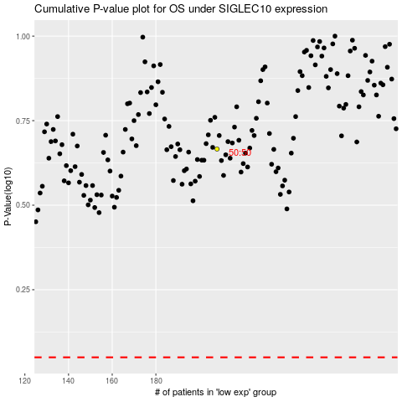

 |  |  |  |  |  | cases_OS | p_OS | rank | exp
 |  |  |  |  |  |  | cases_RFS | p_RFS | rank | exp

