SIGLEC11 _multivariate
Reported by Tex Li-Hsing Chi. tex@gate.sinica.edu.tw 2019-08-16

Table 2. The clinicopathological features of HNSCC cohort and SIGLEC11 expression. (Chi square test)
Cutoff at -0.206 (33.1%)
 |  | SIGLEC11 expression |  | SIGLEC11 expression |  | (Optimised)
 | Features | Low | (%) | High | (%) | Case no | P-value | Remark | Matthews
Gender | Female | 111 | 26.7 | 195 | 47 | 415 | 0.0384 | 1 | 0
2 | Male | 27 | 6.5 | 82 | 19.8
Age at diagnosis | <=65y | 94 | 22.7 | 180 | 43.4 | 415 | 0.5995 | 0 | 0
4 | >65y | 44 | 10.6 | 97 | 23.4
Clinical T Status | T1+T2 | 48 | 11.6 | 101 | 24.3 | 415 | 0.8201 | 0 | 0
6 | T3+T4 | 90 | 21.7 | 176 | 42.4
Clinical N Status | N0 | 75 | 18.1 | 141 | 34 | 415 | 0.5771 | 0 | 0
8 | N1-3 | 63 | 15.2 | 136 | 32.8
Clinical M Status | M0 | 137 | 33 | 275 | 66.3 | 415 | 1 | 0 | 0
10 | M1 | 1 | 0.2 | 2 | 0.5
Clinical Stage | Stage I+II | 37 | 8.9 | 65 | 15.7 | 415 | 0.5321 | 0 | 0
12 | Stage III+IV | 101 | 24.3 | 212 | 51.1
Surgical Margin status | Negative | 101 | 24.3 | 217 | 52.3 | 415 | 0.2683 | 0 | 0
14 | Positive | 37 | 8.9 | 60 | 14.5
Tobacco Exposure | Low | 51 | 12.3 | 110 | 26.5 | 415 | 0.5951 | 0 | 0
16 | High | 87 | 21 | 167 | 40.2

Table 3. Univariate/Multivariate Cox's proportional hazards regression analyses on OS time of SIGLEC11 gene expression in HNSCC

 |  | Univariate |  |  |  | Multivariate
 | Features | HR | CI95%(L) | CI95%(H) | P-value | HR | CI95%(L) | CI95%(H) | P-value
1 | Female | 1 |  |  |  | 1
Gender | Male | 1.157 | 0.843 | 1.587 | 0.367 | 1.224 | 0.875 | 1.713 | 0.237
11 | <=65y | 1 |  |  |  | 1
Age at diagnosis | >65y | 1.329 | 0.99 | 1.784 | 0.058 | 1.386 | 1.02 | 1.883 | 0.037
12 | T1+T2 | 1 |  |  |  | 1
Clinical T Status | T3+T4 | 1.409 | 1.028 | 1.931 | 0.033 | 2.188 | 1.157 | 4.137 | 0.016
13 | N0 | 1 |  |  |  | 1
Clinical N Status | N1-3 | 1.185 | 0.89 | 1.577 | 0.246 | 1.256 | 0.88 | 1.793 | 0.209
14 | M0 | 1 |  |  |  | 1
Clinical M Status | M1 | 4.097 | 1.009 | 16.644 | 0.049 | 9.086 | 1.98 | 41.689 | 0.005
15 | Stage I+II | 1 |  |  |  | 1
Clinical Stage | Stage III+IV | 1.245 | 0.882 | 1.759 | 0.213 | 0.509 | 0.237 | 1.091 | 0.083
16 | Negative | 1 |  |  |  | 1
Surgical Margin status | Positive | 1.591 | 1.155 | 2.191 | 0.004 | 1.648 | 1.192 | 2.278 | 0.003
17 | Low | 1 |  |  |  | 1
Tobacco Exposure | High | 1.364 | 1.008 | 1.844 | 0.044 | 1.457 | 1.056 | 2.009 | 0.022
18 | Low | 1 |  |  |  | 1
RNAseq(z-score) | High | 0.73 | 0.544 | 0.98 | 0.036 | 0.737 | 0.548 | 0.992 | 0.044

Table 4. Univariate/Multivariate Cox's proportional hazards regression analyses on RFS time of SIGLEC11 gene expression in HNSCC

 |  | Univariate |  |  |  | Multivariate
 | Features | HR | CI95%(L) | CI95%(H) | P-value | HR | CI95%(L) | CI95%(H) | P-value
1 | Female | 1 |  |  |  | 1
Gender | Male | 1.157 | 0.843 | 1.587 | 0.367 | 1.224 | 0.875 | 1.713 | 0.237
11 | <=65y | 1 |  |  |  | 1
Age at diagnosis | >65y | 1.329 | 0.99 | 1.784 | 0.058 | 1.386 | 1.02 | 1.883 | 0.037
12 | T1+T2 | 1 |  |  |  | 1
Clinical T Status | T3+T4 | 1.409 | 1.028 | 1.931 | 0.033 | 2.188 | 1.157 | 4.137 | 0.016
13 | N0 | 1 |  |  |  | 1
Clinical N Status | N1-3 | 1.185 | 0.89 | 1.577 | 0.246 | 1.256 | 0.88 | 1.793 | 0.209
14 | M0 | 1 |  |  |  | 1
Clinical M Status | M1 | 4.097 | 1.009 | 16.644 | 0.049 | 9.086 | 1.98 | 41.689 | 0.005
15 | Stage I+II | 1 |  |  |  | 1
Clinical Stage | Stage III+IV | 1.245 | 0.882 | 1.759 | 0.213 | 0.509 | 0.237 | 1.091 | 0.083
16 | Negative | 1 |  |  |  | 1
Surgical Margin status | Positive | 1.591 | 1.155 | 2.191 | 0.004 | 1.648 | 1.192 | 2.278 | 0.003
17 | Low | 1 |  |  |  | 1
Tobacco Exposure | High | 1.364 | 1.008 | 1.844 | 0.044 | 1.457 | 1.056 | 2.009 | 0.022
18 | Low | 1 |  |  |  | 1
RNAseq(z-score) | High | 0.73 | 0.544 | 0.98 | 0.036 | 0.737 | 0.548 | 0.992 | 0.044

Kaplan-Meier survival estimate: Cutoff at -0.206 (33.1%)



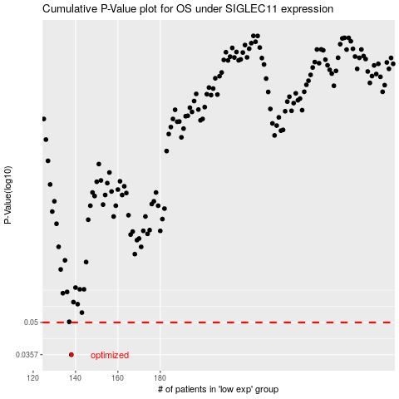

 |  |  |  |  |  | cases_OS | p_OS | rank | exp
 |  |  |  |  |  | 138 | 0.0357 | 230 | -0.20598969262
 |  |  |  |  |  |  | cases_RFS | p_RFS | rank | exp
 |  |  |  |  |  |  | 137 | 0.0357 | 78 | -0.20614897062

