SIGLEC12 _multivariate
Reported by Tex Li-Hsing Chi. tex@gate.sinica.edu.tw 2019-08-16

Table 2. The clinicopathological features of HNSCC cohort and SIGLEC12 expression. (Chi square test)
Cutoff at -0.343 (50.0%)
 |  | SIGLEC12 expression |  | SIGLEC12 expression |  | (Optimised)
 | Features | Low | (%) | High | (%) | Case no | P-value | Remark | Matthews
Gender | Female | 160 | 38.6 | 146 | 35.2 | 415 | 0.1254 | 0 | 0
2 | Male | 47 | 11.3 | 62 | 14.9
Age at diagnosis | <=65y | 140 | 33.7 | 134 | 32.3 | 415 | 0.5574 | 0 | 0
4 | >65y | 67 | 16.1 | 74 | 17.8
Clinical T Status | T1+T2 | 71 | 17.1 | 78 | 18.8 | 415 | 0.5638 | 0 | 0
6 | T3+T4 | 136 | 32.8 | 130 | 31.3
Clinical N Status | N0 | 116 | 28 | 100 | 24.1 | 415 | 0.1273 | 1 | 0
8 | N1-3 | 91 | 21.9 | 108 | 26
Clinical M Status | M0 | 206 | 49.6 | 206 | 49.6 | 415 | 1 | 0 | 0
10 | M1 | 1 | 0.2 | 2 | 0.5
Clinical Stage | Stage I+II | 50 | 12 | 52 | 12.5 | 415 | 0.9315 | 0 | 0
12 | Stage III+IV | 157 | 37.8 | 156 | 37.6
Surgical Margin status | Negative | 153 | 36.9 | 165 | 39.8 | 415 | 0.2036 | 0 | 0
14 | Positive | 54 | 13 | 43 | 10.4
Tobacco Exposure | Low | 85 | 20.5 | 76 | 18.3 | 415 | 0.3655 | 0 | 0
16 | High | 122 | 29.4 | 132 | 31.8

Table 3. Univariate/Multivariate Cox's proportional hazards regression analyses on OS time of SIGLEC12 gene expression in HNSCC

 |  | Univariate |  |  |  | Multivariate
 | Features | HR | CI95%(L) | CI95%(H) | P-value | HR | CI95%(L) | CI95%(H) | P-value
1 | Female | 1 |  |  |  | 1
Gender | Male | 1.157 | 0.843 | 1.587 | 0.367 | 1.211 | 0.868 | 1.691 | 0.26
11 | <=65y | 1 |  |  |  | 1
Age at diagnosis | >65y | 1.329 | 0.99 | 1.784 | 0.058 | 1.417 | 1.042 | 1.927 | 0.026
12 | T1+T2 | 1 |  |  |  | 1
Clinical T Status | T3+T4 | 1.409 | 1.028 | 1.931 | 0.033 | 2.225 | 1.178 | 4.205 | 0.014
13 | N0 | 1 |  |  |  | 1
Clinical N Status | N1-3 | 1.185 | 0.89 | 1.577 | 0.246 | 1.275 | 0.891 | 1.825 | 0.183
14 | M0 | 1 |  |  |  | 1
Clinical M Status | M1 | 4.097 | 1.009 | 16.644 | 0.049 | 9.616 | 2.097 | 44.102 | 0.004
15 | Stage I+II | 1 |  |  |  | 1
Clinical Stage | Stage III+IV | 1.245 | 0.882 | 1.759 | 0.213 | 0.494 | 0.23 | 1.062 | 0.071
16 | Negative | 1 |  |  |  | 1
Surgical Margin status | Positive | 1.591 | 1.155 | 2.191 | 0.004 | 1.628 | 1.175 | 2.256 | 0.003
17 | Low | 1 |  |  |  | 1
Tobacco Exposure | High | 1.364 | 1.008 | 1.844 | 0.044 | 1.447 | 1.052 | 1.991 | 0.023
18 | Low | 1 |  |  |  | 1
RNAseq(z-score) | High | 0.868 | 0.65 | 1.159 | 0.337 | 0.844 | 0.627 | 1.134 | 0.26

Table 4. Univariate/Multivariate Cox's proportional hazards regression analyses on RFS time of SIGLEC12 gene expression in HNSCC

 |  | Univariate |  |  |  | Multivariate
 | Features | HR | CI95%(L) | CI95%(H) | P-value | HR | CI95%(L) | CI95%(H) | P-value
1 | Female | 1 |  |  |  | 1
Gender | Male | 1.157 | 0.843 | 1.587 | 0.367 | 1.211 | 0.868 | 1.691 | 0.26
11 | <=65y | 1 |  |  |  | 1
Age at diagnosis | >65y | 1.329 | 0.99 | 1.784 | 0.058 | 1.417 | 1.042 | 1.927 | 0.026
12 | T1+T2 | 1 |  |  |  | 1
Clinical T Status | T3+T4 | 1.409 | 1.028 | 1.931 | 0.033 | 2.225 | 1.178 | 4.205 | 0.014
13 | N0 | 1 |  |  |  | 1
Clinical N Status | N1-3 | 1.185 | 0.89 | 1.577 | 0.246 | 1.275 | 0.891 | 1.825 | 0.183
14 | M0 | 1 |  |  |  | 1
Clinical M Status | M1 | 4.097 | 1.009 | 16.644 | 0.049 | 9.616 | 2.097 | 44.102 | 0.004
15 | Stage I+II | 1 |  |  |  | 1
Clinical Stage | Stage III+IV | 1.245 | 0.882 | 1.759 | 0.213 | 0.494 | 0.23 | 1.062 | 0.071
16 | Negative | 1 |  |  |  | 1
Surgical Margin status | Positive | 1.591 | 1.155 | 2.191 | 0.004 | 1.628 | 1.175 | 2.256 | 0.003
17 | Low | 1 |  |  |  | 1
Tobacco Exposure | High | 1.364 | 1.008 | 1.844 | 0.044 | 1.447 | 1.052 | 1.991 | 0.023
18 | Low | 1 |  |  |  | 1
RNAseq(z-score) | High | 0.868 | 0.65 | 1.159 | 0.337 | 0.844 | 0.627 | 1.134 | 0.26

Kaplan-Meier survival estimate: Cutoff at -0.343 (50.0%)



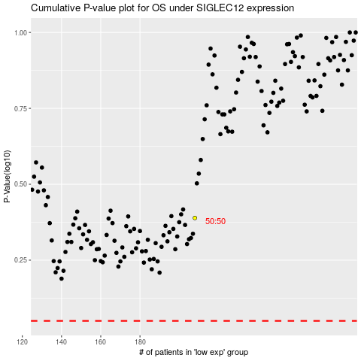

 |  |  |  |  |  | cases_OS | p_OS | rank | exp
 |  |  |  |  |  |  | cases_RFS | p_RFS | rank | exp

