SIGLEC14 _multivariate
Reported by Tex Li-Hsing Chi. tex@gate.sinica.edu.tw 2019-08-16

Table 2. The clinicopathological features of HNSCC cohort and SIGLEC14 expression. (Chi square test)
Cutoff at -0.551 (30.0%)
 |  | SIGLEC14 expression |  | SIGLEC14 expression |  | (Optimised)
 | Features | Low | (%) | High | (%) | Case no | P-value | Remark | Matthews
Gender | Female | 93 | 22.4 | 213 | 51.3 | 415 | 0.9358 | 0 | 0
2 | Male | 32 | 7.7 | 77 | 18.6
Age at diagnosis | <=65y | 86 | 20.7 | 188 | 45.3 | 415 | 0.5023 | 0 | 0
4 | >65y | 39 | 9.4 | 102 | 24.6
Clinical T Status | T1+T2 | 35 | 8.4 | 114 | 27.5 | 415 | 0.0364 | 1 | 0
6 | T3+T4 | 90 | 21.7 | 176 | 42.4
Clinical N Status | N0 | 73 | 17.6 | 143 | 34.5 | 415 | 0.1111 | 0 | 0
8 | N1-3 | 52 | 12.5 | 147 | 35.4
Clinical M Status | M0 | 125 | 30.1 | 287 | 69.2 | 415 | 0.5571 | 0 | 0
10 | M1 | 0 | 0 | 3 | 0.7
Clinical Stage | Stage I+II | 28 | 6.7 | 74 | 17.8 | 415 | 0.5807 | 0 | 0
12 | Stage III+IV | 97 | 23.4 | 216 | 52
Surgical Margin status | Negative | 93 | 22.4 | 225 | 54.2 | 415 | 0.5276 | 0 | 0
14 | Positive | 32 | 7.7 | 65 | 15.7
Tobacco Exposure | Low | 44 | 10.6 | 117 | 28.2 | 415 | 0.3798 | 0 | 0
16 | High | 81 | 19.5 | 173 | 41.7

Table 3. Univariate/Multivariate Cox's proportional hazards regression analyses on OS time of SIGLEC14 gene expression in HNSCC

 |  | Univariate |  |  |  | Multivariate
 | Features | HR | CI95%(L) | CI95%(H) | P-value | HR | CI95%(L) | CI95%(H) | P-value
1 | Female | 1 |  |  |  | 1
Gender | Male | 1.157 | 0.843 | 1.587 | 0.367 | 1.174 | 0.839 | 1.644 | 0.349
11 | <=65y | 1 |  |  |  | 1
Age at diagnosis | >65y | 1.329 | 0.99 | 1.784 | 0.058 | 1.406 | 1.035 | 1.909 | 0.029
12 | T1+T2 | 1 |  |  |  | 1
Clinical T Status | T3+T4 | 1.409 | 1.028 | 1.931 | 0.033 | 2.138 | 1.13 | 4.042 | 0.019
13 | N0 | 1 |  |  |  | 1
Clinical N Status | N1-3 | 1.185 | 0.89 | 1.577 | 0.246 | 1.273 | 0.892 | 1.817 | 0.183
14 | M0 | 1 |  |  |  | 1
Clinical M Status | M1 | 4.097 | 1.009 | 16.644 | 0.049 | 10.027 | 2.184 | 46.031 | 0.003
15 | Stage I+II | 1 |  |  |  | 1
Clinical Stage | Stage III+IV | 1.245 | 0.882 | 1.759 | 0.213 | 0.509 | 0.237 | 1.092 | 0.083
16 | Negative | 1 |  |  |  | 1
Surgical Margin status | Positive | 1.591 | 1.155 | 2.191 | 0.004 | 1.657 | 1.199 | 2.29 | 0.002
17 | Low | 1 |  |  |  | 1
Tobacco Exposure | High | 1.364 | 1.008 | 1.844 | 0.044 | 1.439 | 1.044 | 1.984 | 0.026
18 | Low | 1 |  |  |  | 1
RNAseq(z-score) | High | 0.728 | 0.54 | 0.982 | 0.038 | 0.738 | 0.545 | 0.999 | 0.049

Table 4. Univariate/Multivariate Cox's proportional hazards regression analyses on RFS time of SIGLEC14 gene expression in HNSCC

 |  | Univariate |  |  |  | Multivariate
 | Features | HR | CI95%(L) | CI95%(H) | P-value | HR | CI95%(L) | CI95%(H) | P-value
1 | Female | 1 |  |  |  | 1
Gender | Male | 1.157 | 0.843 | 1.587 | 0.367 | 1.174 | 0.839 | 1.644 | 0.349
11 | <=65y | 1 |  |  |  | 1
Age at diagnosis | >65y | 1.329 | 0.99 | 1.784 | 0.058 | 1.406 | 1.035 | 1.909 | 0.029
12 | T1+T2 | 1 |  |  |  | 1
Clinical T Status | T3+T4 | 1.409 | 1.028 | 1.931 | 0.033 | 2.138 | 1.13 | 4.042 | 0.019
13 | N0 | 1 |  |  |  | 1
Clinical N Status | N1-3 | 1.185 | 0.89 | 1.577 | 0.246 | 1.273 | 0.892 | 1.817 | 0.183
14 | M0 | 1 |  |  |  | 1
Clinical M Status | M1 | 4.097 | 1.009 | 16.644 | 0.049 | 10.027 | 2.184 | 46.031 | 0.003
15 | Stage I+II | 1 |  |  |  | 1
Clinical Stage | Stage III+IV | 1.245 | 0.882 | 1.759 | 0.213 | 0.509 | 0.237 | 1.092 | 0.083
16 | Negative | 1 |  |  |  | 1
Surgical Margin status | Positive | 1.591 | 1.155 | 2.191 | 0.004 | 1.657 | 1.199 | 2.29 | 0.002
17 | Low | 1 |  |  |  | 1
Tobacco Exposure | High | 1.364 | 1.008 | 1.844 | 0.044 | 1.439 | 1.044 | 1.984 | 0.026
18 | Low | 1 |  |  |  | 1
RNAseq(z-score) | High | 0.728 | 0.54 | 0.982 | 0.038 | 0.738 | 0.545 | 0.999 | 0.049

Kaplan-Meier survival estimate: Cutoff at -0.551 (30.0%)



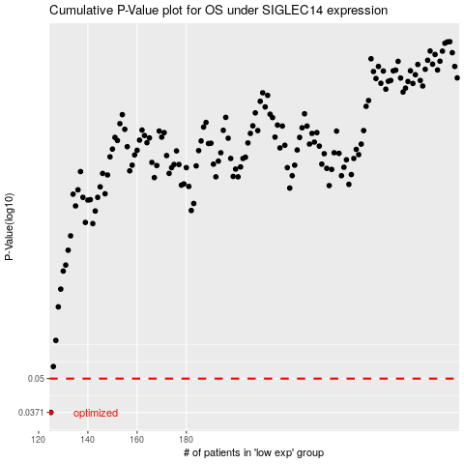

 |  |  |  |  |  | cases_OS | p_OS | rank | exp
 |  |  |  |  |  | 125 | 0.0371 | 131 | -0.55131079169
 |  |  |  |  |  |  | cases_RFS | p_RFS | rank | exp
 |  |  |  |  |  |  |  | 0.0371 | 179 | -0.55321661

