SIGLEC5 _multivariate
Reported by Tex Li-Hsing Chi. tex@gate.sinica.edu.tw 2019-08-16

Table 2. The clinicopathological features of HNSCC cohort and SIGLEC5 expression. (Chi square test)
Cutoff at -0.301 (49.8%)
 |  | SIGLEC5 expression |  | SIGLEC5 expression |  | (Optimised)
 | Features | Low | (%) | High | (%) | Case no | P-value | Remark | Matthews
Gender | Female | 159 | 38.3 | 147 | 35.4 | 415 | 0.1905 | 0 | 0
2 | Male | 48 | 11.6 | 61 | 14.7
Age at diagnosis | <=65y | 144 | 34.7 | 130 | 31.3 | 415 | 0.1568 | 0 | 0
4 | >65y | 63 | 15.2 | 78 | 18.8
Clinical T Status | T1+T2 | 73 | 17.6 | 76 | 18.3 | 415 | 0.8666 | 0 | 0
6 | T3+T4 | 134 | 32.3 | 132 | 31.8
Clinical N Status | N0 | 120 | 28.9 | 96 | 23.1 | 415 | 0.0208 | 1 | 0
8 | N1-3 | 87 | 21 | 112 | 27
Clinical M Status | M0 | 205 | 49.4 | 207 | 49.9 | 415 | 0.6232 | 0 | 0
10 | M1 | 2 | 0.5 | 1 | 0.2
Clinical Stage | Stage I+II | 55 | 13.3 | 47 | 11.3 | 415 | 0.4087 | 0 | 0
12 | Stage III+IV | 152 | 36.6 | 161 | 38.8
Surgical Margin status | Negative | 152 | 36.6 | 166 | 40 | 415 | 0.1329 | 0 | 0
14 | Positive | 55 | 13.3 | 42 | 10.1
Tobacco Exposure | Low | 80 | 19.3 | 81 | 19.5 | 415 | 1 | 0 | 0
16 | High | 127 | 30.6 | 127 | 30.6

Table 3. Univariate/Multivariate Cox's proportional hazards regression analyses on OS time of SIGLEC5 gene expression in HNSCC

 |  | Univariate |  |  |  | Multivariate
 | Features | HR | CI95%(L) | CI95%(H) | P-value | HR | CI95%(L) | CI95%(H) | P-value
1 | Female | 1 |  |  |  | 1
Gender | Male | 1.157 | 0.843 | 1.587 | 0.367 | 1.202 | 0.86 | 1.679 | 0.281
11 | <=65y | 1 |  |  |  | 1
Age at diagnosis | >65y | 1.329 | 0.99 | 1.784 | 0.058 | 1.392 | 1.023 | 1.892 | 0.035
12 | T1+T2 | 1 |  |  |  | 1
Clinical T Status | T3+T4 | 1.409 | 1.028 | 1.931 | 0.033 | 2.203 | 1.163 | 4.172 | 0.015
13 | N0 | 1 |  |  |  | 1
Clinical N Status | N1-3 | 1.185 | 0.89 | 1.577 | 0.246 | 1.241 | 0.868 | 1.772 | 0.236
14 | M0 | 1 |  |  |  | 1
Clinical M Status | M1 | 4.097 | 1.009 | 16.644 | 0.049 | 9.413 | 2.046 | 43.293 | 0.004
15 | Stage I+II | 1 |  |  |  | 1
Clinical Stage | Stage III+IV | 1.245 | 0.882 | 1.759 | 0.213 | 0.504 | 0.234 | 1.085 | 0.08
16 | Negative | 1 |  |  |  | 1
Surgical Margin status | Positive | 1.591 | 1.155 | 2.191 | 0.004 | 1.672 | 1.207 | 2.315 | 0.002
17 | Low | 1 |  |  |  | 1
Tobacco Exposure | High | 1.364 | 1.008 | 1.844 | 0.044 | 1.453 | 1.054 | 2.004 | 0.023
18 | Low | 1 |  |  |  | 1
RNAseq(z-score) | High | 0.951 | 0.714 | 1.266 | 0.729 | 1.002 | 0.747 | 1.344 | 0.99

Table 4. Univariate/Multivariate Cox's proportional hazards regression analyses on RFS time of SIGLEC5 gene expression in HNSCC

 |  | Univariate |  |  |  | Multivariate
 | Features | HR | CI95%(L) | CI95%(H) | P-value | HR | CI95%(L) | CI95%(H) | P-value
1 | Female | 1 |  |  |  | 1
Gender | Male | 1.157 | 0.843 | 1.587 | 0.367 | 1.202 | 0.86 | 1.679 | 0.281
11 | <=65y | 1 |  |  |  | 1
Age at diagnosis | >65y | 1.329 | 0.99 | 1.784 | 0.058 | 1.392 | 1.023 | 1.892 | 0.035
12 | T1+T2 | 1 |  |  |  | 1
Clinical T Status | T3+T4 | 1.409 | 1.028 | 1.931 | 0.033 | 2.203 | 1.163 | 4.172 | 0.015
13 | N0 | 1 |  |  |  | 1
Clinical N Status | N1-3 | 1.185 | 0.89 | 1.577 | 0.246 | 1.241 | 0.868 | 1.772 | 0.236
14 | M0 | 1 |  |  |  | 1
Clinical M Status | M1 | 4.097 | 1.009 | 16.644 | 0.049 | 9.413 | 2.046 | 43.293 | 0.004
15 | Stage I+II | 1 |  |  |  | 1
Clinical Stage | Stage III+IV | 1.245 | 0.882 | 1.759 | 0.213 | 0.504 | 0.234 | 1.085 | 0.08
16 | Negative | 1 |  |  |  | 1
Surgical Margin status | Positive | 1.591 | 1.155 | 2.191 | 0.004 | 1.672 | 1.207 | 2.315 | 0.002
17 | Low | 1 |  |  |  | 1
Tobacco Exposure | High | 1.364 | 1.008 | 1.844 | 0.044 | 1.453 | 1.054 | 2.004 | 0.023
18 | Low | 1 |  |  |  | 1
RNAseq(z-score) | High | 0.951 | 0.714 | 1.266 | 0.729 | 1.002 | 0.747 | 1.344 | 0.99

Kaplan-Meier survival estimate: Cutoff at -0.301 (49.8%)



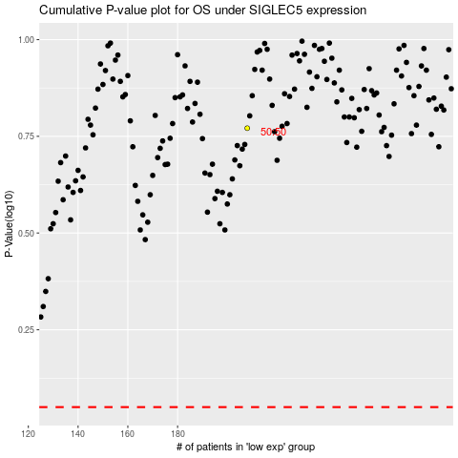

 |  |  |  |  |  | cases_OS | p_OS | rank | exp
 |  |  |  |  |  |  | cases_RFS | p_RFS | rank | exp

