SIGLEC7 _multivariate
Reported by Tex Li-Hsing Chi. tex@gate.sinica.edu.tw 2019-08-16

Table 2. The clinicopathological features of HNSCC cohort and SIGLEC7 expression. (Chi square test)
Cutoff at -0.281 (49.8%)
 |  | SIGLEC7 expression |  | SIGLEC7 expression |  | (Optimised)
 | Features | Low | (%) | High | (%) | Case no | P-value | Remark | Matthews
Gender | Female | 162 | 39 | 144 | 34.7 | 415 | 0.0479 | 1 | 0
2 | Male | 45 | 10.8 | 64 | 15.4
Age at diagnosis | <=65y | 146 | 35.2 | 128 | 30.8 | 415 | 0.0672 | 0 | 0
4 | >65y | 61 | 14.7 | 80 | 19.3
Clinical T Status | T1+T2 | 75 | 18.1 | 74 | 17.8 | 415 | 0.9707 | 0 | 0
6 | T3+T4 | 132 | 31.8 | 134 | 32.3
Clinical N Status | N0 | 119 | 28.7 | 97 | 23.4 | 415 | 0.0345 | 1 | 0
8 | N1-3 | 88 | 21.2 | 111 | 26.7
Clinical M Status | M0 | 206 | 49.6 | 206 | 49.6 | 415 | 1 | 0 | 0
10 | M1 | 1 | 0.2 | 2 | 0.5
Clinical Stage | Stage I+II | 51 | 12.3 | 51 | 12.3 | 415 | 1 | 0 | 0
12 | Stage III+IV | 156 | 37.6 | 157 | 37.8
Surgical Margin status | Negative | 155 | 37.3 | 163 | 39.3 | 415 | 0.4187 | 0 | 0
14 | Positive | 52 | 12.5 | 45 | 10.8
Tobacco Exposure | Low | 81 | 19.5 | 80 | 19.3 | 415 | 0.9199 | 0 | 0
16 | High | 126 | 30.4 | 128 | 30.8

Table 3. Univariate/Multivariate Cox's proportional hazards regression analyses on OS time of SIGLEC7 gene expression in HNSCC

 |  | Univariate |  |  |  | Multivariate
 | Features | HR | CI95%(L) | CI95%(H) | P-value | HR | CI95%(L) | CI95%(H) | P-value
1 | Female | 1 |  |  |  | 1
Gender | Male | 1.157 | 0.843 | 1.587 | 0.367 | 1.209 | 0.865 | 1.69 | 0.267
11 | <=65y | 1 |  |  |  | 1
Age at diagnosis | >65y | 1.329 | 0.99 | 1.784 | 0.058 | 1.402 | 1.031 | 1.907 | 0.031
12 | T1+T2 | 1 |  |  |  | 1
Clinical T Status | T3+T4 | 1.409 | 1.028 | 1.931 | 0.033 | 2.237 | 1.181 | 4.238 | 0.014
13 | N0 | 1 |  |  |  | 1
Clinical N Status | N1-3 | 1.185 | 0.89 | 1.577 | 0.246 | 1.268 | 0.884 | 1.82 | 0.197
14 | M0 | 1 |  |  |  | 1
Clinical M Status | M1 | 4.097 | 1.009 | 16.644 | 0.049 | 9.56 | 2.084 | 43.86 | 0.004
15 | Stage I+II | 1 |  |  |  | 1
Clinical Stage | Stage III+IV | 1.245 | 0.882 | 1.759 | 0.213 | 0.492 | 0.228 | 1.059 | 0.07
16 | Negative | 1 |  |  |  | 1
Surgical Margin status | Positive | 1.591 | 1.155 | 2.191 | 0.004 | 1.676 | 1.213 | 2.317 | 0.002
17 | Low | 1 |  |  |  | 1
Tobacco Exposure | High | 1.364 | 1.008 | 1.844 | 0.044 | 1.452 | 1.054 | 2.001 | 0.023
18 | Low | 1 |  |  |  | 1
RNAseq(z-score) | High | 0.981 | 0.736 | 1.307 | 0.896 | 0.907 | 0.676 | 1.216 | 0.513

Table 4. Univariate/Multivariate Cox's proportional hazards regression analyses on RFS time of SIGLEC7 gene expression in HNSCC

 |  | Univariate |  |  |  | Multivariate
 | Features | HR | CI95%(L) | CI95%(H) | P-value | HR | CI95%(L) | CI95%(H) | P-value
1 | Female | 1 |  |  |  | 1
Gender | Male | 1.157 | 0.843 | 1.587 | 0.367 | 1.209 | 0.865 | 1.69 | 0.267
11 | <=65y | 1 |  |  |  | 1
Age at diagnosis | >65y | 1.329 | 0.99 | 1.784 | 0.058 | 1.402 | 1.031 | 1.907 | 0.031
12 | T1+T2 | 1 |  |  |  | 1
Clinical T Status | T3+T4 | 1.409 | 1.028 | 1.931 | 0.033 | 2.237 | 1.181 | 4.238 | 0.014
13 | N0 | 1 |  |  |  | 1
Clinical N Status | N1-3 | 1.185 | 0.89 | 1.577 | 0.246 | 1.268 | 0.884 | 1.82 | 0.197
14 | M0 | 1 |  |  |  | 1
Clinical M Status | M1 | 4.097 | 1.009 | 16.644 | 0.049 | 9.56 | 2.084 | 43.86 | 0.004
15 | Stage I+II | 1 |  |  |  | 1
Clinical Stage | Stage III+IV | 1.245 | 0.882 | 1.759 | 0.213 | 0.492 | 0.228 | 1.059 | 0.07
16 | Negative | 1 |  |  |  | 1
Surgical Margin status | Positive | 1.591 | 1.155 | 2.191 | 0.004 | 1.676 | 1.213 | 2.317 | 0.002
17 | Low | 1 |  |  |  | 1
Tobacco Exposure | High | 1.364 | 1.008 | 1.844 | 0.044 | 1.452 | 1.054 | 2.001 | 0.023
18 | Low | 1 |  |  |  | 1
RNAseq(z-score) | High | 0.981 | 0.736 | 1.307 | 0.896 | 0.907 | 0.676 | 1.216 | 0.513

Kaplan-Meier survival estimate: Cutoff at -0.281 (49.8%)

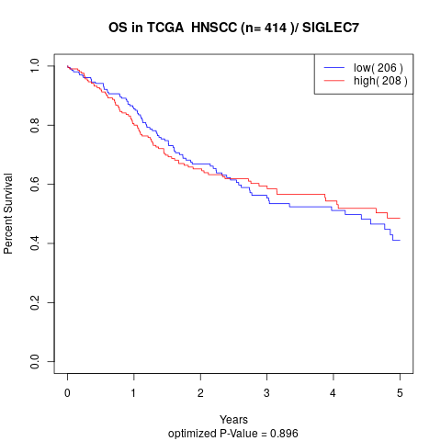

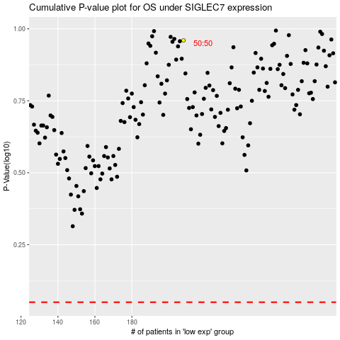

 |  |  |  |  |  | cases_OS | p_OS | rank | exp
 |  |  |  |  |  |  | cases_RFS | p_RFS | rank | exp

