SIK1 _multivariate
Reported by Tex Li-Hsing Chi. tex@gate.sinica.edu.tw 2019-08-16

Table 2. The clinicopathological features of HNSCC cohort and SIK1 expression. (Chi square test)
Cutoff at -0.253 (50.0%)
 |  | SIK1 expression |  | SIK1 expression |  | (Optimised)
 | Features | Low | (%) | High | (%) | Case no | P-value | Remark | Matthews
Gender | Female | 154 | 37.1 | 152 | 36.6 | 415 | 0.8463 | 0 | 0
2 | Male | 53 | 12.8 | 56 | 13.5
Age at diagnosis | <=65y | 136 | 32.8 | 138 | 33.3 | 415 | 0.9719 | 0 | 0
4 | >65y | 71 | 17.1 | 70 | 16.9
Clinical T Status | T1+T2 | 79 | 19 | 70 | 16.9 | 415 | 0.3924 | 0 | 0
6 | T3+T4 | 128 | 30.8 | 138 | 33.3
Clinical N Status | N0 | 109 | 26.3 | 107 | 25.8 | 415 | 0.8812 | 0 | 0
8 | N1-3 | 98 | 23.6 | 101 | 24.3
Clinical M Status | M0 | 205 | 49.4 | 207 | 49.9 | 415 | 0.6232 | 0 | 0
10 | M1 | 2 | 0.5 | 1 | 0.2
Clinical Stage | Stage I+II | 53 | 12.8 | 49 | 11.8 | 415 | 0.7113 | 0 | 0
12 | Stage III+IV | 154 | 37.1 | 159 | 38.3
Surgical Margin status | Negative | 163 | 39.3 | 155 | 37.3 | 415 | 0.3537 | 0 | 0
14 | Positive | 44 | 10.6 | 53 | 12.8
Tobacco Exposure | Low | 73 | 17.6 | 88 | 21.2 | 415 | 0.1587 | 0 | 0
16 | High | 134 | 32.3 | 120 | 28.9

Table 3. Univariate/Multivariate Cox's proportional hazards regression analyses on OS time of SIK1 gene expression in HNSCC

 |  | Univariate |  |  |  | Multivariate
 | Features | HR | CI95%(L) | CI95%(H) | P-value | HR | CI95%(L) | CI95%(H) | P-value
1 | Female | 1 |  |  |  | 1
Gender | Male | 1.157 | 0.843 | 1.587 | 0.367 | 1.213 | 0.867 | 1.695 | 0.259
11 | <=65y | 1 |  |  |  | 1
Age at diagnosis | >65y | 1.329 | 0.99 | 1.784 | 0.058 | 1.392 | 1.023 | 1.892 | 0.035
12 | T1+T2 | 1 |  |  |  | 1
Clinical T Status | T3+T4 | 1.409 | 1.028 | 1.931 | 0.033 | 2.185 | 1.155 | 4.133 | 0.016
13 | N0 | 1 |  |  |  | 1
Clinical N Status | N1-3 | 1.185 | 0.89 | 1.577 | 0.246 | 1.237 | 0.867 | 1.765 | 0.241
14 | M0 | 1 |  |  |  | 1
Clinical M Status | M1 | 4.097 | 1.009 | 16.644 | 0.049 | 9.668 | 2.105 | 44.407 | 0.004
15 | Stage I+II | 1 |  |  |  | 1
Clinical Stage | Stage III+IV | 1.245 | 0.882 | 1.759 | 0.213 | 0.509 | 0.237 | 1.093 | 0.083
16 | Negative | 1 |  |  |  | 1
Surgical Margin status | Positive | 1.591 | 1.155 | 2.191 | 0.004 | 1.658 | 1.199 | 2.293 | 0.002
17 | Low | 1 |  |  |  | 1
Tobacco Exposure | High | 1.364 | 1.008 | 1.844 | 0.044 | 1.471 | 1.066 | 2.031 | 0.019
18 | Low | 1 |  |  |  | 1
RNAseq(z-score) | High | 1.092 | 0.819 | 1.456 | 0.549 | 1.11 | 0.83 | 1.484 | 0.483

Table 4. Univariate/Multivariate Cox's proportional hazards regression analyses on RFS time of SIK1 gene expression in HNSCC

 |  | Univariate |  |  |  | Multivariate
 | Features | HR | CI95%(L) | CI95%(H) | P-value | HR | CI95%(L) | CI95%(H) | P-value
1 | Female | 1 |  |  |  | 1
Gender | Male | 1.157 | 0.843 | 1.587 | 0.367 | 1.213 | 0.867 | 1.695 | 0.259
11 | <=65y | 1 |  |  |  | 1
Age at diagnosis | >65y | 1.329 | 0.99 | 1.784 | 0.058 | 1.392 | 1.023 | 1.892 | 0.035
12 | T1+T2 | 1 |  |  |  | 1
Clinical T Status | T3+T4 | 1.409 | 1.028 | 1.931 | 0.033 | 2.185 | 1.155 | 4.133 | 0.016
13 | N0 | 1 |  |  |  | 1
Clinical N Status | N1-3 | 1.185 | 0.89 | 1.577 | 0.246 | 1.237 | 0.867 | 1.765 | 0.241
14 | M0 | 1 |  |  |  | 1
Clinical M Status | M1 | 4.097 | 1.009 | 16.644 | 0.049 | 9.668 | 2.105 | 44.407 | 0.004
15 | Stage I+II | 1 |  |  |  | 1
Clinical Stage | Stage III+IV | 1.245 | 0.882 | 1.759 | 0.213 | 0.509 | 0.237 | 1.093 | 0.083
16 | Negative | 1 |  |  |  | 1
Surgical Margin status | Positive | 1.591 | 1.155 | 2.191 | 0.004 | 1.658 | 1.199 | 2.293 | 0.002
17 | Low | 1 |  |  |  | 1
Tobacco Exposure | High | 1.364 | 1.008 | 1.844 | 0.044 | 1.471 | 1.066 | 2.031 | 0.019
18 | Low | 1 |  |  |  | 1
RNAseq(z-score) | High | 1.092 | 0.819 | 1.456 | 0.549 | 1.11 | 0.83 | 1.484 | 0.483

Kaplan-Meier survival estimate: Cutoff at -0.253 (50.0%)

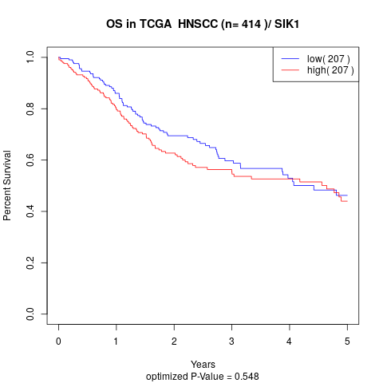

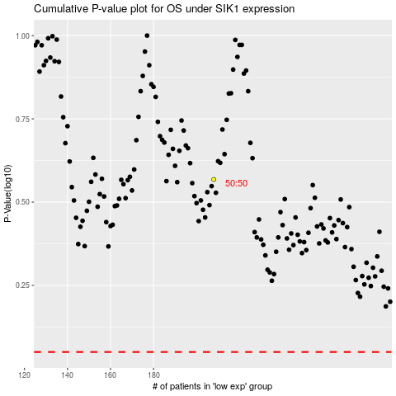

 |  |  |  |  |  | cases_OS | p_OS | rank | exp
 |  |  |  |  |  |  | cases_RFS | p_RFS | rank | exp

