SIK3 _multivariate
Reported by Tex Li-Hsing Chi. tex@gate.sinica.edu.tw 2019-08-16

Table 2. The clinicopathological features of HNSCC cohort and SIK3 expression. (Chi square test)
Cutoff at 0.021 (53.1%)
 |  | SIK3 expression |  | SIK3 expression |  | (Optimised)
 | Features | Low | (%) | High | (%) | Case no | P-value | Remark | Matthews
Gender | Female | 173 | 41.7 | 133 | 32 | 415 | 0.0215 | 1 | 0
2 | Male | 47 | 11.3 | 62 | 14.9
Age at diagnosis | <=65y | 149 | 35.9 | 125 | 30.1 | 415 | 0.5001 | 0 | 0
4 | >65y | 71 | 17.1 | 70 | 16.9
Clinical T Status | T1+T2 | 82 | 19.8 | 67 | 16.1 | 415 | 0.6065 | 0 | 0
6 | T3+T4 | 138 | 33.3 | 128 | 30.8
Clinical N Status | N0 | 103 | 24.8 | 113 | 27.2 | 415 | 0.0302 | 1 | 0
8 | N1-3 | 117 | 28.2 | 82 | 19.8
Clinical M Status | M0 | 218 | 52.5 | 194 | 46.7 | 415 | 1 | 0 | 0
10 | M1 | 2 | 0.5 | 1 | 0.2
Clinical Stage | Stage I+II | 53 | 12.8 | 49 | 11.8 | 415 | 0.896 | 0 | 0
12 | Stage III+IV | 167 | 40.2 | 146 | 35.2
Surgical Margin status | Negative | 158 | 38.1 | 160 | 38.6 | 415 | 0.0149 | 1 | 0
14 | Positive | 62 | 14.9 | 35 | 8.4
Tobacco Exposure | Low | 74 | 17.8 | 87 | 21 | 415 | 0.0263 | 1 | 0
16 | High | 146 | 35.2 | 108 | 26

Table 3. Univariate/Multivariate Cox's proportional hazards regression analyses on OS time of SIK3 gene expression in HNSCC

 |  | Univariate |  |  |  | Multivariate
 | Features | HR | CI95%(L) | CI95%(H) | P-value | HR | CI95%(L) | CI95%(H) | P-value
1 | Female | 1 |  |  |  | 1
Gender | Male | 1.157 | 0.843 | 1.587 | 0.367 | 1.225 | 0.876 | 1.713 | 0.236
11 | <=65y | 1 |  |  |  | 1
Age at diagnosis | >65y | 1.329 | 0.99 | 1.784 | 0.058 | 1.383 | 1.017 | 1.88 | 0.039
12 | T1+T2 | 1 |  |  |  | 1
Clinical T Status | T3+T4 | 1.409 | 1.028 | 1.931 | 0.033 | 2.233 | 1.181 | 4.222 | 0.013
13 | N0 | 1 |  |  |  | 1
Clinical N Status | N1-3 | 1.185 | 0.89 | 1.577 | 0.246 | 1.189 | 0.83 | 1.702 | 0.345
14 | M0 | 1 |  |  |  | 1
Clinical M Status | M1 | 4.097 | 1.009 | 16.644 | 0.049 | 9.522 | 2.077 | 43.65 | 0.004
15 | Stage I+II | 1 |  |  |  | 1
Clinical Stage | Stage III+IV | 1.245 | 0.882 | 1.759 | 0.213 | 0.514 | 0.24 | 1.103 | 0.087
16 | Negative | 1 |  |  |  | 1
Surgical Margin status | Positive | 1.591 | 1.155 | 2.191 | 0.004 | 1.601 | 1.155 | 2.219 | 0.005
17 | Low | 1 |  |  |  | 1
Tobacco Exposure | High | 1.364 | 1.008 | 1.844 | 0.044 | 1.392 | 1.007 | 1.924 | 0.045
18 | Low | 1 |  |  |  | 1
RNAseq(z-score) | High | 0.715 | 0.535 | 0.956 | 0.023 | 0.766 | 0.566 | 1.035 | 0.083

Table 4. Univariate/Multivariate Cox's proportional hazards regression analyses on RFS time of SIK3 gene expression in HNSCC

 |  | Univariate |  |  |  | Multivariate
 | Features | HR | CI95%(L) | CI95%(H) | P-value | HR | CI95%(L) | CI95%(H) | P-value
1 | Female | 1 |  |  |  | 1
Gender | Male | 1.157 | 0.843 | 1.587 | 0.367 | 1.225 | 0.876 | 1.713 | 0.236
11 | <=65y | 1 |  |  |  | 1
Age at diagnosis | >65y | 1.329 | 0.99 | 1.784 | 0.058 | 1.383 | 1.017 | 1.88 | 0.039
12 | T1+T2 | 1 |  |  |  | 1
Clinical T Status | T3+T4 | 1.409 | 1.028 | 1.931 | 0.033 | 2.233 | 1.181 | 4.222 | 0.013
13 | N0 | 1 |  |  |  | 1
Clinical N Status | N1-3 | 1.185 | 0.89 | 1.577 | 0.246 | 1.189 | 0.83 | 1.702 | 0.345
14 | M0 | 1 |  |  |  | 1
Clinical M Status | M1 | 4.097 | 1.009 | 16.644 | 0.049 | 9.522 | 2.077 | 43.65 | 0.004
15 | Stage I+II | 1 |  |  |  | 1
Clinical Stage | Stage III+IV | 1.245 | 0.882 | 1.759 | 0.213 | 0.514 | 0.24 | 1.103 | 0.087
16 | Negative | 1 |  |  |  | 1
Surgical Margin status | Positive | 1.591 | 1.155 | 2.191 | 0.004 | 1.601 | 1.155 | 2.219 | 0.005
17 | Low | 1 |  |  |  | 1
Tobacco Exposure | High | 1.364 | 1.008 | 1.844 | 0.044 | 1.392 | 1.007 | 1.924 | 0.045
18 | Low | 1 |  |  |  | 1
RNAseq(z-score) | High | 0.715 | 0.535 | 0.956 | 0.023 | 0.766 | 0.566 | 1.035 | 0.083

Kaplan-Meier survival estimate: Cutoff at 0.021 (53.1%)

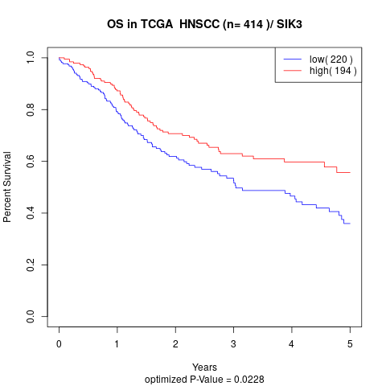

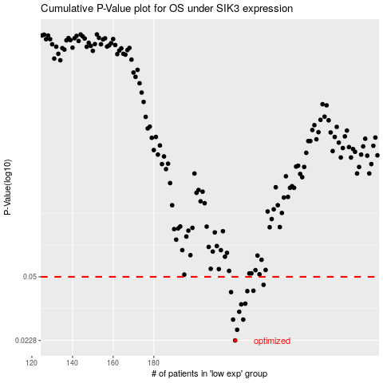

 |  |  |  |  |  | cases_OS | p_OS | rank | exp
 |  |  |  |  |  | 220 | 0.0228 | 299 | 0.02136396913
 |  |  |  |  |  | 221 | 0.026 | 130 | 0.030974748928
 |  |  |  |  |  | 224 | 0.0295 | 119 | 0.037137016432
 |  |  |  |  |  | 219 | 0.0295 | 237 | 0.019770030861
 |  |  |  |  |  | 222 | 0.0325 | 348 | 0.031213381263
 |  |  |  |  |  | 223 | 0.0356 | 209 | 0.0344795795
 |  |  |  |  |  | 225 | 0.0359 | 37 | 0.038209159297
 |  |  |  |  |  | 218 | 0.0414 | 201 | 0.01884326774
 |  |  |  |  |  | 226 | 0.0419 | 149 | 0.043209960527
 |  |  |  |  |  | 229 | 0.0421 | 282 | 0.060381534767
 |  |  |  |  |  | 234 | 0.0453 | 324 | 0.098659104413
 |  |  |  |  |  |  | cases_RFS | p_RFS | rank | exp
 |  |  |  |  |  |  | 219 | 0.0228 | 237 | 0.019770030861
 |  |  |  |  |  |  | 220 | 0.026 | 299 | 0.02136396913
 |  |  |  |  |  |  | 218 | 0.0295 | 201 | 0.01884326774
 |  |  |  |  |  |  | 223 | 0.0295 | 209 | 0.0344795795
 |  |  |  |  |  |  | 221 | 0.0325 | 130 | 0.030974748928
 |  |  |  |  |  |  | 222 | 0.0356 | 348 | 0.031213381263
 |  |  |  |  |  |  | 224 | 0.0359 | 119 | 0.037137016432
 |  |  |  |  |  |  | 217 | 0.0414 | 23 | 0.010325848391
 |  |  |  |  |  |  | 225 | 0.0419 | 37 | 0.038209159297
 |  |  |  |  |  |  | 228 | 0.0421 | 200 | 0.051739429368
 |  |  |  |  |  |  | 233 | 0.0453 | 78 | 0.084865579131

