SIKE1 _multivariate
Reported by Tex Li-Hsing Chi. tex@gate.sinica.edu.tw 2019-08-16

Table 2. The clinicopathological features of HNSCC cohort and SIKE1 expression. (Chi square test)
Cutoff at -0.08 (50.0%)
 |  | SIKE1 expression |  | SIKE1 expression |  | (Optimised)
 | Features | Low | (%) | High | (%) | Case no | P-value | Remark | Matthews
Gender | Female | 158 | 38.1 | 148 | 35.7 | 415 | 0.2774 | 0 | 0
2 | Male | 49 | 11.8 | 60 | 14.5
Age at diagnosis | <=65y | 134 | 32.3 | 140 | 33.7 | 415 | 0.6529 | 0 | 0
4 | >65y | 73 | 17.6 | 68 | 16.4
Clinical T Status | T1+T2 | 67 | 16.1 | 82 | 19.8 | 415 | 0.1628 | 0 | 0
6 | T3+T4 | 140 | 33.7 | 126 | 30.4
Clinical N Status | N0 | 118 | 28.4 | 98 | 23.6 | 415 | 0.0551 | 1 | 0
8 | N1-3 | 89 | 21.4 | 110 | 26.5
Clinical M Status | M0 | 205 | 49.4 | 207 | 49.9 | 415 | 0.6232 | 0 | 0
10 | M1 | 2 | 0.5 | 1 | 0.2
Clinical Stage | Stage I+II | 47 | 11.3 | 55 | 13.3 | 415 | 0.4413 | 0 | 0
12 | Stage III+IV | 160 | 38.6 | 153 | 36.9
Surgical Margin status | Negative | 163 | 39.3 | 155 | 37.3 | 415 | 0.3537 | 0 | 0
14 | Positive | 44 | 10.6 | 53 | 12.8
Tobacco Exposure | Low | 79 | 19 | 82 | 19.8 | 415 | 0.8405 | 0 | 0
16 | High | 128 | 30.8 | 126 | 30.4

Table 3. Univariate/Multivariate Cox's proportional hazards regression analyses on OS time of SIKE1 gene expression in HNSCC

 |  | Univariate |  |  |  | Multivariate
 | Features | HR | CI95%(L) | CI95%(H) | P-value | HR | CI95%(L) | CI95%(H) | P-value
1 | Female | 1 |  |  |  | 1
Gender | Male | 1.157 | 0.843 | 1.587 | 0.367 | 1.2 | 0.859 | 1.677 | 0.285
11 | <=65y | 1 |  |  |  | 1
Age at diagnosis | >65y | 1.329 | 0.99 | 1.784 | 0.058 | 1.394 | 1.026 | 1.894 | 0.034
12 | T1+T2 | 1 |  |  |  | 1
Clinical T Status | T3+T4 | 1.409 | 1.028 | 1.931 | 0.033 | 2.201 | 1.164 | 4.162 | 0.015
13 | N0 | 1 |  |  |  | 1
Clinical N Status | N1-3 | 1.185 | 0.89 | 1.577 | 0.246 | 1.253 | 0.875 | 1.793 | 0.218
14 | M0 | 1 |  |  |  | 1
Clinical M Status | M1 | 4.097 | 1.009 | 16.644 | 0.049 | 9.307 | 2.028 | 42.698 | 0.004
15 | Stage I+II | 1 |  |  |  | 1
Clinical Stage | Stage III+IV | 1.245 | 0.882 | 1.759 | 0.213 | 0.5 | 0.232 | 1.074 | 0.076
16 | Negative | 1 |  |  |  | 1
Surgical Margin status | Positive | 1.591 | 1.155 | 2.191 | 0.004 | 1.675 | 1.212 | 2.315 | 0.002
17 | Low | 1 |  |  |  | 1
Tobacco Exposure | High | 1.364 | 1.008 | 1.844 | 0.044 | 1.449 | 1.052 | 1.998 | 0.023
18 | Low | 1 |  |  |  | 1
RNAseq(z-score) | High | 0.946 | 0.71 | 1.26 | 0.703 | 0.944 | 0.706 | 1.264 | 0.701

Table 4. Univariate/Multivariate Cox's proportional hazards regression analyses on RFS time of SIKE1 gene expression in HNSCC

 |  | Univariate |  |  |  | Multivariate
 | Features | HR | CI95%(L) | CI95%(H) | P-value | HR | CI95%(L) | CI95%(H) | P-value
1 | Female | 1 |  |  |  | 1
Gender | Male | 1.157 | 0.843 | 1.587 | 0.367 | 1.2 | 0.859 | 1.677 | 0.285
11 | <=65y | 1 |  |  |  | 1
Age at diagnosis | >65y | 1.329 | 0.99 | 1.784 | 0.058 | 1.394 | 1.026 | 1.894 | 0.034
12 | T1+T2 | 1 |  |  |  | 1
Clinical T Status | T3+T4 | 1.409 | 1.028 | 1.931 | 0.033 | 2.201 | 1.164 | 4.162 | 0.015
13 | N0 | 1 |  |  |  | 1
Clinical N Status | N1-3 | 1.185 | 0.89 | 1.577 | 0.246 | 1.253 | 0.875 | 1.793 | 0.218
14 | M0 | 1 |  |  |  | 1
Clinical M Status | M1 | 4.097 | 1.009 | 16.644 | 0.049 | 9.307 | 2.028 | 42.698 | 0.004
15 | Stage I+II | 1 |  |  |  | 1
Clinical Stage | Stage III+IV | 1.245 | 0.882 | 1.759 | 0.213 | 0.5 | 0.232 | 1.074 | 0.076
16 | Negative | 1 |  |  |  | 1
Surgical Margin status | Positive | 1.591 | 1.155 | 2.191 | 0.004 | 1.675 | 1.212 | 2.315 | 0.002
17 | Low | 1 |  |  |  | 1
Tobacco Exposure | High | 1.364 | 1.008 | 1.844 | 0.044 | 1.449 | 1.052 | 1.998 | 0.023
18 | Low | 1 |  |  |  | 1
RNAseq(z-score) | High | 0.946 | 0.71 | 1.26 | 0.703 | 0.944 | 0.706 | 1.264 | 0.701

Kaplan-Meier survival estimate: Cutoff at -0.08 (50.0%)



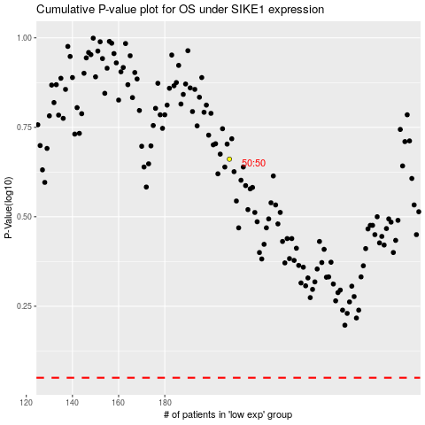

 |  |  |  |  |  | cases_OS | p_OS | rank | exp
 |  |  |  |  |  |  | cases_RFS | p_RFS | rank | exp

