SIL1 _multivariate
Reported by Tex Li-Hsing Chi. tex@gate.sinica.edu.tw 2019-08-16

Table 2. The clinicopathological features of HNSCC cohort and SIL1 expression. (Chi square test)
Cutoff at -0.196 (49.8%)
 |  | SIL1 expression |  | SIL1 expression |  | (Optimised)
 | Features | Low | (%) | High | (%) | Case no | P-value | Remark | Matthews
Gender | Female | 159 | 38.3 | 147 | 35.4 | 415 | 0.1905 | 0 | 0
2 | Male | 48 | 11.6 | 61 | 14.7
Age at diagnosis | <=65y | 148 | 35.7 | 126 | 30.4 | 415 | 0.0248 | 1 | 0
4 | >65y | 59 | 14.2 | 82 | 19.8
Clinical T Status | T1+T2 | 78 | 18.8 | 71 | 17.1 | 415 | 0.5152 | 0 | 0
6 | T3+T4 | 129 | 31.1 | 137 | 33
Clinical N Status | N0 | 100 | 24.1 | 116 | 28 | 415 | 0.1548 | 0 | 0
8 | N1-3 | 107 | 25.8 | 92 | 22.2
Clinical M Status | M0 | 207 | 49.9 | 205 | 49.4 | 415 | 0.2482 | 0 | 0
10 | M1 | 0 | 0 | 3 | 0.7
Clinical Stage | Stage I+II | 55 | 13.3 | 47 | 11.3 | 415 | 0.4087 | 0 | 0
12 | Stage III+IV | 152 | 36.6 | 161 | 38.8
Surgical Margin status | Negative | 164 | 39.5 | 154 | 37.1 | 415 | 0.2462 | 0 | 0
14 | Positive | 43 | 10.4 | 54 | 13
Tobacco Exposure | Low | 74 | 17.8 | 87 | 21 | 415 | 0.227 | 0 | 0
16 | High | 133 | 32 | 121 | 29.2

Table 3. Univariate/Multivariate Cox's proportional hazards regression analyses on OS time of SIL1 gene expression in HNSCC

 |  | Univariate |  |  |  | Multivariate
 | Features | HR | CI95%(L) | CI95%(H) | P-value | HR | CI95%(L) | CI95%(H) | P-value
1 | Female | 1 |  |  |  | 1
Gender | Male | 1.157 | 0.843 | 1.587 | 0.367 | 1.192 | 0.852 | 1.666 | 0.305
11 | <=65y | 1 |  |  |  | 1
Age at diagnosis | >65y | 1.329 | 0.99 | 1.784 | 0.058 | 1.385 | 1.019 | 1.883 | 0.038
12 | T1+T2 | 1 |  |  |  | 1
Clinical T Status | T3+T4 | 1.409 | 1.028 | 1.931 | 0.033 | 2.195 | 1.161 | 4.15 | 0.016
13 | N0 | 1 |  |  |  | 1
Clinical N Status | N1-3 | 1.185 | 0.89 | 1.577 | 0.246 | 1.256 | 0.879 | 1.796 | 0.211
14 | M0 | 1 |  |  |  | 1
Clinical M Status | M1 | 4.097 | 1.009 | 16.644 | 0.049 | 8.892 | 1.919 | 41.195 | 0.005
15 | Stage I+II | 1 |  |  |  | 1
Clinical Stage | Stage III+IV | 1.245 | 0.882 | 1.759 | 0.213 | 0.503 | 0.234 | 1.078 | 0.077
16 | Negative | 1 |  |  |  | 1
Surgical Margin status | Positive | 1.591 | 1.155 | 2.191 | 0.004 | 1.651 | 1.193 | 2.287 | 0.003
17 | Low | 1 |  |  |  | 1
Tobacco Exposure | High | 1.364 | 1.008 | 1.844 | 0.044 | 1.456 | 1.057 | 2.007 | 0.022
18 | Low | 1 |  |  |  | 1
RNAseq(z-score) | High | 1.171 | 0.879 | 1.559 | 0.281 | 1.093 | 0.814 | 1.468 | 0.553

Table 4. Univariate/Multivariate Cox's proportional hazards regression analyses on RFS time of SIL1 gene expression in HNSCC

 |  | Univariate |  |  |  | Multivariate
 | Features | HR | CI95%(L) | CI95%(H) | P-value | HR | CI95%(L) | CI95%(H) | P-value
1 | Female | 1 |  |  |  | 1
Gender | Male | 1.157 | 0.843 | 1.587 | 0.367 | 1.192 | 0.852 | 1.666 | 0.305
11 | <=65y | 1 |  |  |  | 1
Age at diagnosis | >65y | 1.329 | 0.99 | 1.784 | 0.058 | 1.385 | 1.019 | 1.883 | 0.038
12 | T1+T2 | 1 |  |  |  | 1
Clinical T Status | T3+T4 | 1.409 | 1.028 | 1.931 | 0.033 | 2.195 | 1.161 | 4.15 | 0.016
13 | N0 | 1 |  |  |  | 1
Clinical N Status | N1-3 | 1.185 | 0.89 | 1.577 | 0.246 | 1.256 | 0.879 | 1.796 | 0.211
14 | M0 | 1 |  |  |  | 1
Clinical M Status | M1 | 4.097 | 1.009 | 16.644 | 0.049 | 8.892 | 1.919 | 41.195 | 0.005
15 | Stage I+II | 1 |  |  |  | 1
Clinical Stage | Stage III+IV | 1.245 | 0.882 | 1.759 | 0.213 | 0.503 | 0.234 | 1.078 | 0.077
16 | Negative | 1 |  |  |  | 1
Surgical Margin status | Positive | 1.591 | 1.155 | 2.191 | 0.004 | 1.651 | 1.193 | 2.287 | 0.003
17 | Low | 1 |  |  |  | 1
Tobacco Exposure | High | 1.364 | 1.008 | 1.844 | 0.044 | 1.456 | 1.057 | 2.007 | 0.022
18 | Low | 1 |  |  |  | 1
RNAseq(z-score) | High | 1.171 | 0.879 | 1.559 | 0.281 | 1.093 | 0.814 | 1.468 | 0.553

Kaplan-Meier survival estimate: Cutoff at -0.196 (49.8%)



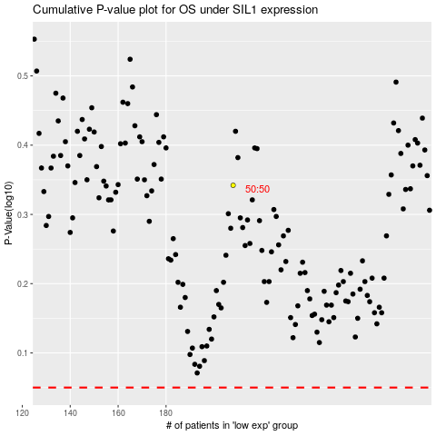

 |  |  |  |  |  | cases_OS | p_OS | rank | exp
 |  |  |  |  |  |  | cases_RFS | p_RFS | rank | exp

