SILV _multivariate
Reported by Tex Li-Hsing Chi. tex@gate.sinica.edu.tw 2019-08-16

Table 2. The clinicopathological features of HNSCC cohort and SILV expression. (Chi square test)
Cutoff at -0.174 (34.1%)
 |  | SILV expression |  | SILV expression |  | (Optimised)
 | Features | Low | (%) | High | (%) | Case no | P-value | Remark | Matthews
Gender | Female | 100 | 24.1 | 206 | 49.6 | 415 | 0.4143 | 0 | 0
2 | Male | 41 | 9.9 | 68 | 16.4
Age at diagnosis | <=65y | 91 | 21.9 | 183 | 44.1 | 415 | 0.7272 | 0 | 0
4 | >65y | 50 | 12 | 91 | 21.9
Clinical T Status | T1+T2 | 49 | 11.8 | 100 | 24.1 | 415 | 0.8081 | 0 | 0
6 | T3+T4 | 92 | 22.2 | 174 | 41.9
Clinical N Status | N0 | 72 | 17.3 | 144 | 34.7 | 415 | 0.8538 | 0 | 0
8 | N1-3 | 69 | 16.6 | 130 | 31.3
Clinical M Status | M0 | 141 | 34 | 271 | 65.3 | 415 | 0.5541 | 0 | 0
10 | M1 | 0 | 0 | 3 | 0.7
Clinical Stage | Stage I+II | 39 | 9.4 | 63 | 15.2 | 415 | 0.3547 | 0 | 0
12 | Stage III+IV | 102 | 24.6 | 211 | 50.8
Surgical Margin status | Negative | 108 | 26 | 210 | 50.6 | 415 | 1 | 0 | 0
14 | Positive | 33 | 8 | 64 | 15.4
Tobacco Exposure | Low | 63 | 15.2 | 98 | 23.6 | 415 | 0.0889 | 0 | 0
16 | High | 78 | 18.8 | 176 | 42.4

Table 3. Univariate/Multivariate Cox's proportional hazards regression analyses on OS time of SILV gene expression in HNSCC

 |  | Univariate |  |  |  | Multivariate
 | Features | HR | CI95%(L) | CI95%(H) | P-value | HR | CI95%(L) | CI95%(H) | P-value
1 | Female | 1 |  |  |  | 1
Gender | Male | 1.157 | 0.843 | 1.587 | 0.367 | 1.176 | 0.842 | 1.643 | 0.341
11 | <=65y | 1 |  |  |  | 1
Age at diagnosis | >65y | 1.329 | 0.99 | 1.784 | 0.058 | 1.38 | 1.016 | 1.876 | 0.039
12 | T1+T2 | 1 |  |  |  | 1
Clinical T Status | T3+T4 | 1.409 | 1.028 | 1.931 | 0.033 | 2.304 | 1.216 | 4.366 | 0.01
13 | N0 | 1 |  |  |  | 1
Clinical N Status | N1-3 | 1.185 | 0.89 | 1.577 | 0.246 | 1.289 | 0.902 | 1.843 | 0.164
14 | M0 | 1 |  |  |  | 1
Clinical M Status | M1 | 4.097 | 1.009 | 16.644 | 0.049 | 8.748 | 1.906 | 40.156 | 0.005
15 | Stage I+II | 1 |  |  |  | 1
Clinical Stage | Stage III+IV | 1.245 | 0.882 | 1.759 | 0.213 | 0.461 | 0.214 | 0.995 | 0.048
16 | Negative | 1 |  |  |  | 1
Surgical Margin status | Positive | 1.591 | 1.155 | 2.191 | 0.004 | 1.641 | 1.187 | 2.269 | 0.003
17 | Low | 1 |  |  |  | 1
Tobacco Exposure | High | 1.364 | 1.008 | 1.844 | 0.044 | 1.403 | 1.018 | 1.934 | 0.039
18 | Low | 1 |  |  |  | 1
RNAseq(z-score) | High | 1.386 | 1.011 | 1.9 | 0.042 | 1.34 | 0.972 | 1.848 | 0.074

Table 4. Univariate/Multivariate Cox's proportional hazards regression analyses on RFS time of SILV gene expression in HNSCC

 |  | Univariate |  |  |  | Multivariate
 | Features | HR | CI95%(L) | CI95%(H) | P-value | HR | CI95%(L) | CI95%(H) | P-value
1 | Female | 1 |  |  |  | 1
Gender | Male | 1.157 | 0.843 | 1.587 | 0.367 | 1.176 | 0.842 | 1.643 | 0.341
11 | <=65y | 1 |  |  |  | 1
Age at diagnosis | >65y | 1.329 | 0.99 | 1.784 | 0.058 | 1.38 | 1.016 | 1.876 | 0.039
12 | T1+T2 | 1 |  |  |  | 1
Clinical T Status | T3+T4 | 1.409 | 1.028 | 1.931 | 0.033 | 2.304 | 1.216 | 4.366 | 0.01
13 | N0 | 1 |  |  |  | 1
Clinical N Status | N1-3 | 1.185 | 0.89 | 1.577 | 0.246 | 1.289 | 0.902 | 1.843 | 0.164
14 | M0 | 1 |  |  |  | 1
Clinical M Status | M1 | 4.097 | 1.009 | 16.644 | 0.049 | 8.748 | 1.906 | 40.156 | 0.005
15 | Stage I+II | 1 |  |  |  | 1
Clinical Stage | Stage III+IV | 1.245 | 0.882 | 1.759 | 0.213 | 0.461 | 0.214 | 0.995 | 0.048
16 | Negative | 1 |  |  |  | 1
Surgical Margin status | Positive | 1.591 | 1.155 | 2.191 | 0.004 | 1.641 | 1.187 | 2.269 | 0.003
17 | Low | 1 |  |  |  | 1
Tobacco Exposure | High | 1.364 | 1.008 | 1.844 | 0.044 | 1.403 | 1.018 | 1.934 | 0.039
18 | Low | 1 |  |  |  | 1
RNAseq(z-score) | High | 1.386 | 1.011 | 1.9 | 0.042 | 1.34 | 0.972 | 1.848 | 0.074

Kaplan-Meier survival estimate: Cutoff at -0.174 (34.1%)

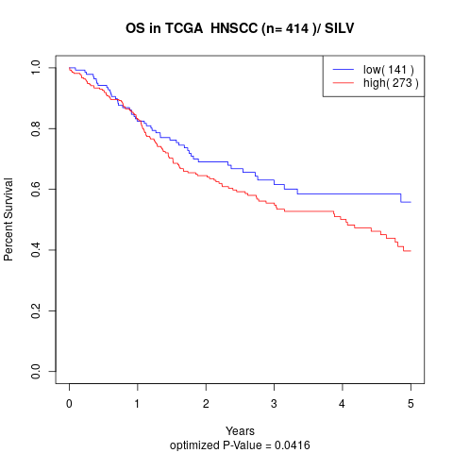

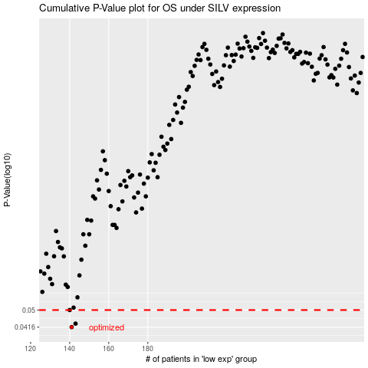

 |  |  |  |  |  | cases_OS | p_OS | rank | exp
 |  |  |  |  |  | 141 | 0.0416 | 90 | -0.1738005443
 |  |  |  |  |  | 143 | 0.0432 | 227 | -0.17283161396
 |  |  |  |  |  | 140 | 0.05 | 160 | -0.17416212979
 |  |  |  |  |  |  | cases_RFS | p_RFS | rank | exp
 |  |  |  |  |  |  | 140 | 0.0416 | 160 | -0.17416212979
 |  |  |  |  |  |  | 142 | 0.0432 | 158 | -0.17326559081
 |  |  |  |  |  |  | 139 | 0.05 | 255 | -0.17466144447

