SIM2 _multivariate
Reported by Tex Li-Hsing Chi. tex@gate.sinica.edu.tw 2019-08-16

Table 2. The clinicopathological features of HNSCC cohort and SIM2 expression. (Chi square test)
Cutoff at -0.292 (49.8%)
 |  | SIM2 expression |  | SIM2 expression |  | (Optimised)
 | Features | Low | (%) | High | (%) | Case no | P-value | Remark | Matthews
Gender | Female | 147 | 35.4 | 159 | 38.3 | 415 | 0.2523 | 0 | 0
2 | Male | 60 | 14.5 | 49 | 11.8
Age at diagnosis | <=65y | 123 | 29.6 | 151 | 36.4 | 415 | 0.0063 | 1 | 0
4 | >65y | 84 | 20.2 | 57 | 13.7
Clinical T Status | T1+T2 | 68 | 16.4 | 81 | 19.5 | 415 | 0.2336 | 0 | 0
6 | T3+T4 | 139 | 33.5 | 127 | 30.6
Clinical N Status | N0 | 108 | 26 | 108 | 26 | 415 | 1 | 0 | 0
8 | N1-3 | 99 | 23.9 | 100 | 24.1
Clinical M Status | M0 | 205 | 49.4 | 207 | 49.9 | 415 | 0.6232 | 0 | 0
10 | M1 | 2 | 0.5 | 1 | 0.2
Clinical Stage | Stage I+II | 48 | 11.6 | 54 | 13 | 415 | 0.5878 | 0 | 0
12 | Stage III+IV | 159 | 38.3 | 154 | 37.1
Surgical Margin status | Negative | 165 | 39.8 | 153 | 36.9 | 415 | 0.1639 | 0 | 0
14 | Positive | 42 | 10.1 | 55 | 13.3
Tobacco Exposure | Low | 98 | 23.6 | 63 | 15.2 | 415 | 4e-04 | 1 | 0
16 | High | 109 | 26.3 | 145 | 34.9

Table 3. Univariate/Multivariate Cox's proportional hazards regression analyses on OS time of SIM2 gene expression in HNSCC

 |  | Univariate |  |  |  | Multivariate
 | Features | HR | CI95%(L) | CI95%(H) | P-value | HR | CI95%(L) | CI95%(H) | P-value
1 | Female | 1 |  |  |  | 1
Gender | Male | 1.157 | 0.843 | 1.587 | 0.367 | 1.201 | 0.858 | 1.681 | 0.286
11 | <=65y | 1 |  |  |  | 1
Age at diagnosis | >65y | 1.329 | 0.99 | 1.784 | 0.058 | 1.363 | 1.001 | 1.854 | 0.049
12 | T1+T2 | 1 |  |  |  | 1
Clinical T Status | T3+T4 | 1.409 | 1.028 | 1.931 | 0.033 | 2.186 | 1.158 | 4.128 | 0.016
13 | N0 | 1 |  |  |  | 1
Clinical N Status | N1-3 | 1.185 | 0.89 | 1.577 | 0.246 | 1.27 | 0.89 | 1.813 | 0.188
14 | M0 | 1 |  |  |  | 1
Clinical M Status | M1 | 4.097 | 1.009 | 16.644 | 0.049 | 8.554 | 1.86 | 39.334 | 0.006
15 | Stage I+II | 1 |  |  |  | 1
Clinical Stage | Stage III+IV | 1.245 | 0.882 | 1.759 | 0.213 | 0.495 | 0.231 | 1.062 | 0.071
16 | Negative | 1 |  |  |  | 1
Surgical Margin status | Positive | 1.591 | 1.155 | 2.191 | 0.004 | 1.735 | 1.253 | 2.403 | 0.001
17 | Low | 1 |  |  |  | 1
Tobacco Exposure | High | 1.364 | 1.008 | 1.844 | 0.044 | 1.557 | 1.118 | 2.168 | 0.009
18 | Low | 1 |  |  |  | 1
RNAseq(z-score) | High | 0.808 | 0.607 | 1.076 | 0.145 | 0.745 | 0.552 | 1.006 | 0.055

Table 4. Univariate/Multivariate Cox's proportional hazards regression analyses on RFS time of SIM2 gene expression in HNSCC

 |  | Univariate |  |  |  | Multivariate
 | Features | HR | CI95%(L) | CI95%(H) | P-value | HR | CI95%(L) | CI95%(H) | P-value
1 | Female | 1 |  |  |  | 1
Gender | Male | 1.157 | 0.843 | 1.587 | 0.367 | 1.201 | 0.858 | 1.681 | 0.286
11 | <=65y | 1 |  |  |  | 1
Age at diagnosis | >65y | 1.329 | 0.99 | 1.784 | 0.058 | 1.363 | 1.001 | 1.854 | 0.049
12 | T1+T2 | 1 |  |  |  | 1
Clinical T Status | T3+T4 | 1.409 | 1.028 | 1.931 | 0.033 | 2.186 | 1.158 | 4.128 | 0.016
13 | N0 | 1 |  |  |  | 1
Clinical N Status | N1-3 | 1.185 | 0.89 | 1.577 | 0.246 | 1.27 | 0.89 | 1.813 | 0.188
14 | M0 | 1 |  |  |  | 1
Clinical M Status | M1 | 4.097 | 1.009 | 16.644 | 0.049 | 8.554 | 1.86 | 39.334 | 0.006
15 | Stage I+II | 1 |  |  |  | 1
Clinical Stage | Stage III+IV | 1.245 | 0.882 | 1.759 | 0.213 | 0.495 | 0.231 | 1.062 | 0.071
16 | Negative | 1 |  |  |  | 1
Surgical Margin status | Positive | 1.591 | 1.155 | 2.191 | 0.004 | 1.735 | 1.253 | 2.403 | 0.001
17 | Low | 1 |  |  |  | 1
Tobacco Exposure | High | 1.364 | 1.008 | 1.844 | 0.044 | 1.557 | 1.118 | 2.168 | 0.009
18 | Low | 1 |  |  |  | 1
RNAseq(z-score) | High | 0.808 | 0.607 | 1.076 | 0.145 | 0.745 | 0.552 | 1.006 | 0.055

Kaplan-Meier survival estimate: Cutoff at -0.292 (49.8%)



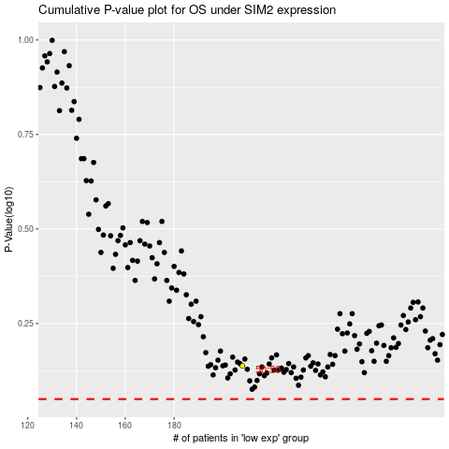

 |  |  |  |  |  | cases_OS | p_OS | rank | exp
 |  |  |  |  |  |  | cases_RFS | p_RFS | rank | exp

