SIPA1L1 _multivariate
Reported by Tex Li-Hsing Chi. tex@gate.sinica.edu.tw 2019-08-16

Table 2. The clinicopathological features of HNSCC cohort and SIPA1L1 expression. (Chi square test)
Cutoff at -0.121 (49.8%)
 |  | SIPA1L1 expression |  | SIPA1L1 expression |  | (Optimised)
 | Features | Low | (%) | High | (%) | Case no | P-value | Remark | Matthews
Gender | Female | 151 | 36.4 | 155 | 37.3 | 415 | 0.8007 | 0 | 0
2 | Male | 56 | 13.5 | 53 | 12.8
Age at diagnosis | <=65y | 147 | 35.4 | 127 | 30.6 | 415 | 0.0416 | 1 | 0
4 | >65y | 60 | 14.5 | 81 | 19.5
Clinical T Status | T1+T2 | 79 | 19 | 70 | 16.9 | 415 | 0.3924 | 0 | 0
6 | T3+T4 | 128 | 30.8 | 138 | 33.3
Clinical N Status | N0 | 107 | 25.8 | 109 | 26.3 | 415 | 0.9624 | 0 | 0
8 | N1-3 | 100 | 24.1 | 99 | 23.9
Clinical M Status | M0 | 205 | 49.4 | 207 | 49.9 | 415 | 0.6232 | 0 | 0
10 | M1 | 2 | 0.5 | 1 | 0.2
Clinical Stage | Stage I+II | 58 | 14 | 44 | 10.6 | 415 | 0.131 | 0 | 0
12 | Stage III+IV | 149 | 35.9 | 164 | 39.5
Surgical Margin status | Negative | 155 | 37.3 | 163 | 39.3 | 415 | 0.4187 | 0 | 0
14 | Positive | 52 | 12.5 | 45 | 10.8
Tobacco Exposure | Low | 78 | 18.8 | 83 | 20 | 415 | 0.6873 | 0 | 0
16 | High | 129 | 31.1 | 125 | 30.1

Table 3. Univariate/Multivariate Cox's proportional hazards regression analyses on OS time of SIPA1L1 gene expression in HNSCC

 |  | Univariate |  |  |  | Multivariate
 | Features | HR | CI95%(L) | CI95%(H) | P-value | HR | CI95%(L) | CI95%(H) | P-value
1 | Female | 1 |  |  |  | 1
Gender | Male | 1.157 | 0.843 | 1.587 | 0.367 | 1.226 | 0.877 | 1.715 | 0.234
11 | <=65y | 1 |  |  |  | 1
Age at diagnosis | >65y | 1.329 | 0.99 | 1.784 | 0.058 | 1.359 | 0.998 | 1.851 | 0.052
12 | T1+T2 | 1 |  |  |  | 1
Clinical T Status | T3+T4 | 1.409 | 1.028 | 1.931 | 0.033 | 2.295 | 1.21 | 4.352 | 0.011
13 | N0 | 1 |  |  |  | 1
Clinical N Status | N1-3 | 1.185 | 0.89 | 1.577 | 0.246 | 1.283 | 0.896 | 1.835 | 0.174
14 | M0 | 1 |  |  |  | 1
Clinical M Status | M1 | 4.097 | 1.009 | 16.644 | 0.049 | 9.978 | 2.169 | 45.894 | 0.003
15 | Stage I+II | 1 |  |  |  | 1
Clinical Stage | Stage III+IV | 1.245 | 0.882 | 1.759 | 0.213 | 0.465 | 0.215 | 1.007 | 0.052
16 | Negative | 1 |  |  |  | 1
Surgical Margin status | Positive | 1.591 | 1.155 | 2.191 | 0.004 | 1.715 | 1.238 | 2.377 | 0.001
17 | Low | 1 |  |  |  | 1
Tobacco Exposure | High | 1.364 | 1.008 | 1.844 | 0.044 | 1.452 | 1.053 | 2.001 | 0.023
18 | Low | 1 |  |  |  | 1
RNAseq(z-score) | High | 1.178 | 0.883 | 1.573 | 0.265 | 1.233 | 0.915 | 1.662 | 0.169

Table 4. Univariate/Multivariate Cox's proportional hazards regression analyses on RFS time of SIPA1L1 gene expression in HNSCC

 |  | Univariate |  |  |  | Multivariate
 | Features | HR | CI95%(L) | CI95%(H) | P-value | HR | CI95%(L) | CI95%(H) | P-value
1 | Female | 1 |  |  |  | 1
Gender | Male | 1.157 | 0.843 | 1.587 | 0.367 | 1.226 | 0.877 | 1.715 | 0.234
11 | <=65y | 1 |  |  |  | 1
Age at diagnosis | >65y | 1.329 | 0.99 | 1.784 | 0.058 | 1.359 | 0.998 | 1.851 | 0.052
12 | T1+T2 | 1 |  |  |  | 1
Clinical T Status | T3+T4 | 1.409 | 1.028 | 1.931 | 0.033 | 2.295 | 1.21 | 4.352 | 0.011
13 | N0 | 1 |  |  |  | 1
Clinical N Status | N1-3 | 1.185 | 0.89 | 1.577 | 0.246 | 1.283 | 0.896 | 1.835 | 0.174
14 | M0 | 1 |  |  |  | 1
Clinical M Status | M1 | 4.097 | 1.009 | 16.644 | 0.049 | 9.978 | 2.169 | 45.894 | 0.003
15 | Stage I+II | 1 |  |  |  | 1
Clinical Stage | Stage III+IV | 1.245 | 0.882 | 1.759 | 0.213 | 0.465 | 0.215 | 1.007 | 0.052
16 | Negative | 1 |  |  |  | 1
Surgical Margin status | Positive | 1.591 | 1.155 | 2.191 | 0.004 | 1.715 | 1.238 | 2.377 | 0.001
17 | Low | 1 |  |  |  | 1
Tobacco Exposure | High | 1.364 | 1.008 | 1.844 | 0.044 | 1.452 | 1.053 | 2.001 | 0.023
18 | Low | 1 |  |  |  | 1
RNAseq(z-score) | High | 1.178 | 0.883 | 1.573 | 0.265 | 1.233 | 0.915 | 1.662 | 0.169

Kaplan-Meier survival estimate: Cutoff at -0.121 (49.8%)



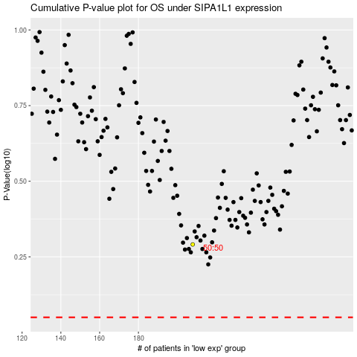

 |  |  |  |  |  | cases_OS | p_OS | rank | exp
 |  |  |  |  |  |  | cases_RFS | p_RFS | rank | exp

