SIRPA _multivariate
Reported by Tex Li-Hsing Chi. tex@gate.sinica.edu.tw 2019-08-16

Table 2. The clinicopathological features of HNSCC cohort and SIRPA expression. (Chi square test)
Cutoff at -0.016 (50.0%)
 |  | SIRPA expression |  | SIRPA expression |  | (Optimised)
 | Features | Low | (%) | High | (%) | Case no | P-value | Remark | Matthews
Gender | Female | 166 | 40 | 140 | 33.7 | 415 | 0.0041 | 1 | 0
2 | Male | 41 | 9.9 | 68 | 16.4
Age at diagnosis | <=65y | 139 | 33.5 | 135 | 32.5 | 415 | 0.7044 | 0 | 0
4 | >65y | 68 | 16.4 | 73 | 17.6
Clinical T Status | T1+T2 | 67 | 16.1 | 82 | 19.8 | 415 | 0.1628 | 0 | 0
6 | T3+T4 | 140 | 33.7 | 126 | 30.4
Clinical N Status | N0 | 102 | 24.6 | 114 | 27.5 | 415 | 0.3031 | 0 | 0
8 | N1-3 | 105 | 25.3 | 94 | 22.7
Clinical M Status | M0 | 206 | 49.6 | 206 | 49.6 | 415 | 1 | 0 | 0
10 | M1 | 1 | 0.2 | 2 | 0.5
Clinical Stage | Stage I+II | 40 | 9.6 | 62 | 14.9 | 415 | 0.018 | 1 | 0
12 | Stage III+IV | 167 | 40.2 | 146 | 35.2
Surgical Margin status | Negative | 155 | 37.3 | 163 | 39.3 | 415 | 0.4187 | 0 | 0
14 | Positive | 52 | 12.5 | 45 | 10.8
Tobacco Exposure | Low | 66 | 15.9 | 95 | 22.9 | 415 | 0.0048 | 1 | 0
16 | High | 141 | 34 | 113 | 27.2

Table 3. Univariate/Multivariate Cox's proportional hazards regression analyses on OS time of SIRPA gene expression in HNSCC

 |  | Univariate |  |  |  | Multivariate
 | Features | HR | CI95%(L) | CI95%(H) | P-value | HR | CI95%(L) | CI95%(H) | P-value
1 | Female | 1 |  |  |  | 1
Gender | Male | 1.157 | 0.843 | 1.587 | 0.367 | 1.199 | 0.856 | 1.678 | 0.291
11 | <=65y | 1 |  |  |  | 1
Age at diagnosis | >65y | 1.329 | 0.99 | 1.784 | 0.058 | 1.392 | 1.024 | 1.892 | 0.035
12 | T1+T2 | 1 |  |  |  | 1
Clinical T Status | T3+T4 | 1.409 | 1.028 | 1.931 | 0.033 | 2.202 | 1.165 | 4.164 | 0.015
13 | N0 | 1 |  |  |  | 1
Clinical N Status | N1-3 | 1.185 | 0.89 | 1.577 | 0.246 | 1.243 | 0.87 | 1.775 | 0.232
14 | M0 | 1 |  |  |  | 1
Clinical M Status | M1 | 4.097 | 1.009 | 16.644 | 0.049 | 9.333 | 2.026 | 42.993 | 0.004
15 | Stage I+II | 1 |  |  |  | 1
Clinical Stage | Stage III+IV | 1.245 | 0.882 | 1.759 | 0.213 | 0.506 | 0.235 | 1.089 | 0.082
16 | Negative | 1 |  |  |  | 1
Surgical Margin status | Positive | 1.591 | 1.155 | 2.191 | 0.004 | 1.672 | 1.21 | 2.311 | 0.002
17 | Low | 1 |  |  |  | 1
Tobacco Exposure | High | 1.364 | 1.008 | 1.844 | 0.044 | 1.457 | 1.055 | 2.012 | 0.022
18 | Low | 1 |  |  |  | 1
RNAseq(z-score) | High | 0.962 | 0.722 | 1.281 | 0.79 | 1.019 | 0.754 | 1.379 | 0.901

Table 4. Univariate/Multivariate Cox's proportional hazards regression analyses on RFS time of SIRPA gene expression in HNSCC

 |  | Univariate |  |  |  | Multivariate
 | Features | HR | CI95%(L) | CI95%(H) | P-value | HR | CI95%(L) | CI95%(H) | P-value
1 | Female | 1 |  |  |  | 1
Gender | Male | 1.157 | 0.843 | 1.587 | 0.367 | 1.199 | 0.856 | 1.678 | 0.291
11 | <=65y | 1 |  |  |  | 1
Age at diagnosis | >65y | 1.329 | 0.99 | 1.784 | 0.058 | 1.392 | 1.024 | 1.892 | 0.035
12 | T1+T2 | 1 |  |  |  | 1
Clinical T Status | T3+T4 | 1.409 | 1.028 | 1.931 | 0.033 | 2.202 | 1.165 | 4.164 | 0.015
13 | N0 | 1 |  |  |  | 1
Clinical N Status | N1-3 | 1.185 | 0.89 | 1.577 | 0.246 | 1.243 | 0.87 | 1.775 | 0.232
14 | M0 | 1 |  |  |  | 1
Clinical M Status | M1 | 4.097 | 1.009 | 16.644 | 0.049 | 9.333 | 2.026 | 42.993 | 0.004
15 | Stage I+II | 1 |  |  |  | 1
Clinical Stage | Stage III+IV | 1.245 | 0.882 | 1.759 | 0.213 | 0.506 | 0.235 | 1.089 | 0.082
16 | Negative | 1 |  |  |  | 1
Surgical Margin status | Positive | 1.591 | 1.155 | 2.191 | 0.004 | 1.672 | 1.21 | 2.311 | 0.002
17 | Low | 1 |  |  |  | 1
Tobacco Exposure | High | 1.364 | 1.008 | 1.844 | 0.044 | 1.457 | 1.055 | 2.012 | 0.022
18 | Low | 1 |  |  |  | 1
RNAseq(z-score) | High | 0.962 | 0.722 | 1.281 | 0.79 | 1.019 | 0.754 | 1.379 | 0.901

Kaplan-Meier survival estimate: Cutoff at -0.016 (50.0%)



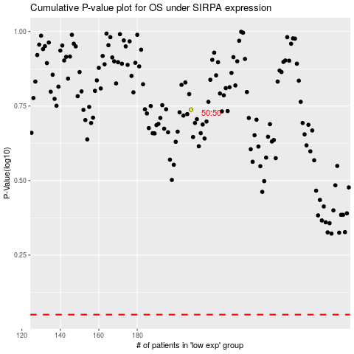

 |  |  |  |  |  | cases_OS | p_OS | rank | exp
 |  |  |  |  |  |  | cases_RFS | p_RFS | rank | exp

