SIRPB1 _multivariate
Reported by Tex Li-Hsing Chi. tex@gate.sinica.edu.tw 2019-08-16

Table 2. The clinicopathological features of HNSCC cohort and SIRPB1 expression. (Chi square test)
Cutoff at -0.148 (50.0%)
 |  | SIRPB1 expression |  | SIRPB1 expression |  | (Optimised)
 | Features | Low | (%) | High | (%) | Case no | P-value | Remark | Matthews
Gender | Female | 167 | 40.2 | 139 | 33.5 | 415 | 0.002 | 1 | 0
2 | Male | 40 | 9.6 | 69 | 16.6
Age at diagnosis | <=65y | 139 | 33.5 | 135 | 32.5 | 415 | 0.7044 | 0 | 0
4 | >65y | 68 | 16.4 | 73 | 17.6
Clinical T Status | T1+T2 | 70 | 16.9 | 79 | 19 | 415 | 0.4343 | 0 | 0
6 | T3+T4 | 137 | 33 | 129 | 31.1
Clinical N Status | N0 | 105 | 25.3 | 111 | 26.7 | 415 | 0.6598 | 0 | 0
8 | N1-3 | 102 | 24.6 | 97 | 23.4
Clinical M Status | M0 | 205 | 49.4 | 207 | 49.9 | 415 | 0.6232 | 0 | 0
10 | M1 | 2 | 0.5 | 1 | 0.2
Clinical Stage | Stage I+II | 43 | 10.4 | 59 | 14.2 | 415 | 0.0925 | 0 | 0
12 | Stage III+IV | 164 | 39.5 | 149 | 35.9
Surgical Margin status | Negative | 152 | 36.6 | 166 | 40 | 415 | 0.1329 | 0 | 0
14 | Positive | 55 | 13.3 | 42 | 10.1
Tobacco Exposure | Low | 65 | 15.7 | 96 | 23.1 | 415 | 0.0025 | 1 | 0
16 | High | 142 | 34.2 | 112 | 27

Table 3. Univariate/Multivariate Cox's proportional hazards regression analyses on OS time of SIRPB1 gene expression in HNSCC

 |  | Univariate |  |  |  | Multivariate
 | Features | HR | CI95%(L) | CI95%(H) | P-value | HR | CI95%(L) | CI95%(H) | P-value
1 | Female | 1 |  |  |  | 1
Gender | Male | 1.157 | 0.843 | 1.587 | 0.367 | 1.182 | 0.846 | 1.651 | 0.328
11 | <=65y | 1 |  |  |  | 1
Age at diagnosis | >65y | 1.329 | 0.99 | 1.784 | 0.058 | 1.397 | 1.026 | 1.902 | 0.034
12 | T1+T2 | 1 |  |  |  | 1
Clinical T Status | T3+T4 | 1.409 | 1.028 | 1.931 | 0.033 | 2.178 | 1.151 | 4.121 | 0.017
13 | N0 | 1 |  |  |  | 1
Clinical N Status | N1-3 | 1.185 | 0.89 | 1.577 | 0.246 | 1.246 | 0.873 | 1.776 | 0.225
14 | M0 | 1 |  |  |  | 1
Clinical M Status | M1 | 4.097 | 1.009 | 16.644 | 0.049 | 9.485 | 2.068 | 43.506 | 0.004
15 | Stage I+II | 1 |  |  |  | 1
Clinical Stage | Stage III+IV | 1.245 | 0.882 | 1.759 | 0.213 | 0.524 | 0.244 | 1.128 | 0.099
16 | Negative | 1 |  |  |  | 1
Surgical Margin status | Positive | 1.591 | 1.155 | 2.191 | 0.004 | 1.754 | 1.263 | 2.437 | 0.001
17 | Low | 1 |  |  |  | 1
Tobacco Exposure | High | 1.364 | 1.008 | 1.844 | 0.044 | 1.551 | 1.115 | 2.157 | 0.009
18 | Low | 1 |  |  |  | 1
RNAseq(z-score) | High | 1.122 | 0.842 | 1.494 | 0.431 | 1.305 | 0.963 | 1.768 | 0.086

Table 4. Univariate/Multivariate Cox's proportional hazards regression analyses on RFS time of SIRPB1 gene expression in HNSCC

 |  | Univariate |  |  |  | Multivariate
 | Features | HR | CI95%(L) | CI95%(H) | P-value | HR | CI95%(L) | CI95%(H) | P-value
1 | Female | 1 |  |  |  | 1
Gender | Male | 1.157 | 0.843 | 1.587 | 0.367 | 1.182 | 0.846 | 1.651 | 0.328
11 | <=65y | 1 |  |  |  | 1
Age at diagnosis | >65y | 1.329 | 0.99 | 1.784 | 0.058 | 1.397 | 1.026 | 1.902 | 0.034
12 | T1+T2 | 1 |  |  |  | 1
Clinical T Status | T3+T4 | 1.409 | 1.028 | 1.931 | 0.033 | 2.178 | 1.151 | 4.121 | 0.017
13 | N0 | 1 |  |  |  | 1
Clinical N Status | N1-3 | 1.185 | 0.89 | 1.577 | 0.246 | 1.246 | 0.873 | 1.776 | 0.225
14 | M0 | 1 |  |  |  | 1
Clinical M Status | M1 | 4.097 | 1.009 | 16.644 | 0.049 | 9.485 | 2.068 | 43.506 | 0.004
15 | Stage I+II | 1 |  |  |  | 1
Clinical Stage | Stage III+IV | 1.245 | 0.882 | 1.759 | 0.213 | 0.524 | 0.244 | 1.128 | 0.099
16 | Negative | 1 |  |  |  | 1
Surgical Margin status | Positive | 1.591 | 1.155 | 2.191 | 0.004 | 1.754 | 1.263 | 2.437 | 0.001
17 | Low | 1 |  |  |  | 1
Tobacco Exposure | High | 1.364 | 1.008 | 1.844 | 0.044 | 1.551 | 1.115 | 2.157 | 0.009
18 | Low | 1 |  |  |  | 1
RNAseq(z-score) | High | 1.122 | 0.842 | 1.494 | 0.431 | 1.305 | 0.963 | 1.768 | 0.086

Kaplan-Meier survival estimate: Cutoff at -0.148 (50.0%)



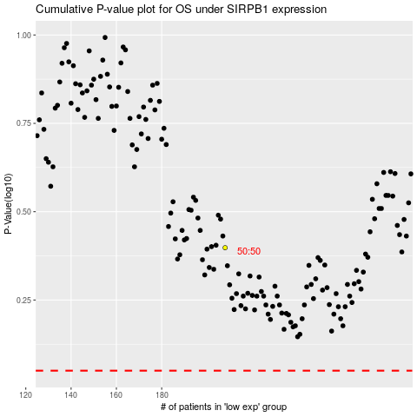

 |  |  |  |  |  | cases_OS | p_OS | rank | exp
 |  |  |  |  |  |  | cases_RFS | p_RFS | rank | exp

