SIRPB2 _multivariate
Reported by Tex Li-Hsing Chi. tex@gate.sinica.edu.tw 2019-08-16

Table 2. The clinicopathological features of HNSCC cohort and SIRPB2 expression. (Chi square test)
Cutoff at -0.25 (49.8%)
 |  | SIRPB2 expression |  | SIRPB2 expression |  | (Optimised)
 | Features | Low | (%) | High | (%) | Case no | P-value | Remark | Matthews
Gender | Female | 166 | 40 | 140 | 33.7 | 415 | 0.0041 | 1 | 0
2 | Male | 41 | 9.9 | 68 | 16.4
Age at diagnosis | <=65y | 145 | 34.9 | 129 | 31.1 | 415 | 0.1046 | 0 | 0
4 | >65y | 62 | 14.9 | 79 | 19
Clinical T Status | T1+T2 | 67 | 16.1 | 82 | 19.8 | 415 | 0.1628 | 0 | 0
6 | T3+T4 | 140 | 33.7 | 126 | 30.4
Clinical N Status | N0 | 109 | 26.3 | 107 | 25.8 | 415 | 0.8812 | 0 | 0
8 | N1-3 | 98 | 23.6 | 101 | 24.3
Clinical M Status | M0 | 206 | 49.6 | 206 | 49.6 | 415 | 1 | 0 | 0
10 | M1 | 1 | 0.2 | 2 | 0.5
Clinical Stage | Stage I+II | 43 | 10.4 | 59 | 14.2 | 415 | 0.0925 | 0 | 0
12 | Stage III+IV | 164 | 39.5 | 149 | 35.9
Surgical Margin status | Negative | 155 | 37.3 | 163 | 39.3 | 415 | 0.4187 | 0 | 0
14 | Positive | 52 | 12.5 | 45 | 10.8
Tobacco Exposure | Low | 68 | 16.4 | 93 | 22.4 | 415 | 0.0156 | 1 | 0
16 | High | 139 | 33.5 | 115 | 27.7

Table 3. Univariate/Multivariate Cox's proportional hazards regression analyses on OS time of SIRPB2 gene expression in HNSCC

 |  | Univariate |  |  |  | Multivariate
 | Features | HR | CI95%(L) | CI95%(H) | P-value | HR | CI95%(L) | CI95%(H) | P-value
1 | Female | 1 |  |  |  | 1
Gender | Male | 1.157 | 0.843 | 1.587 | 0.367 | 1.226 | 0.876 | 1.716 | 0.235
11 | <=65y | 1 |  |  |  | 1
Age at diagnosis | >65y | 1.329 | 0.99 | 1.784 | 0.058 | 1.402 | 1.033 | 1.904 | 0.03
12 | T1+T2 | 1 |  |  |  | 1
Clinical T Status | T3+T4 | 1.409 | 1.028 | 1.931 | 0.033 | 2.223 | 1.175 | 4.203 | 0.014
13 | N0 | 1 |  |  |  | 1
Clinical N Status | N1-3 | 1.185 | 0.89 | 1.577 | 0.246 | 1.258 | 0.882 | 1.795 | 0.205
14 | M0 | 1 |  |  |  | 1
Clinical M Status | M1 | 4.097 | 1.009 | 16.644 | 0.049 | 9.669 | 2.107 | 44.363 | 0.004
15 | Stage I+II | 1 |  |  |  | 1
Clinical Stage | Stage III+IV | 1.245 | 0.882 | 1.759 | 0.213 | 0.489 | 0.227 | 1.049 | 0.066
16 | Negative | 1 |  |  |  | 1
Surgical Margin status | Positive | 1.591 | 1.155 | 2.191 | 0.004 | 1.668 | 1.207 | 2.305 | 0.002
17 | Low | 1 |  |  |  | 1
Tobacco Exposure | High | 1.364 | 1.008 | 1.844 | 0.044 | 1.417 | 1.026 | 1.957 | 0.034
18 | Low | 1 |  |  |  | 1
RNAseq(z-score) | High | 0.825 | 0.618 | 1.1 | 0.189 | 0.826 | 0.615 | 1.11 | 0.205

Table 4. Univariate/Multivariate Cox's proportional hazards regression analyses on RFS time of SIRPB2 gene expression in HNSCC

 |  | Univariate |  |  |  | Multivariate
 | Features | HR | CI95%(L) | CI95%(H) | P-value | HR | CI95%(L) | CI95%(H) | P-value
1 | Female | 1 |  |  |  | 1
Gender | Male | 1.157 | 0.843 | 1.587 | 0.367 | 1.226 | 0.876 | 1.716 | 0.235
11 | <=65y | 1 |  |  |  | 1
Age at diagnosis | >65y | 1.329 | 0.99 | 1.784 | 0.058 | 1.402 | 1.033 | 1.904 | 0.03
12 | T1+T2 | 1 |  |  |  | 1
Clinical T Status | T3+T4 | 1.409 | 1.028 | 1.931 | 0.033 | 2.223 | 1.175 | 4.203 | 0.014
13 | N0 | 1 |  |  |  | 1
Clinical N Status | N1-3 | 1.185 | 0.89 | 1.577 | 0.246 | 1.258 | 0.882 | 1.795 | 0.205
14 | M0 | 1 |  |  |  | 1
Clinical M Status | M1 | 4.097 | 1.009 | 16.644 | 0.049 | 9.669 | 2.107 | 44.363 | 0.004
15 | Stage I+II | 1 |  |  |  | 1
Clinical Stage | Stage III+IV | 1.245 | 0.882 | 1.759 | 0.213 | 0.489 | 0.227 | 1.049 | 0.066
16 | Negative | 1 |  |  |  | 1
Surgical Margin status | Positive | 1.591 | 1.155 | 2.191 | 0.004 | 1.668 | 1.207 | 2.305 | 0.002
17 | Low | 1 |  |  |  | 1
Tobacco Exposure | High | 1.364 | 1.008 | 1.844 | 0.044 | 1.417 | 1.026 | 1.957 | 0.034
18 | Low | 1 |  |  |  | 1
RNAseq(z-score) | High | 0.825 | 0.618 | 1.1 | 0.189 | 0.826 | 0.615 | 1.11 | 0.205

Kaplan-Meier survival estimate: Cutoff at -0.25 (49.8%)



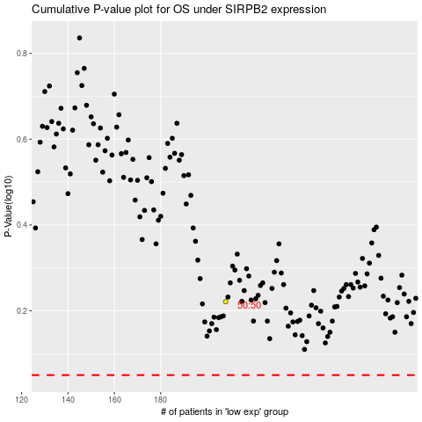

 |  |  |  |  |  | cases_OS | p_OS | rank | exp
 |  |  |  |  |  |  | cases_RFS | p_RFS | rank | exp

